Altitude Validation
Validation of Sourrounding Parameters
 |  |  |  |  |  |  |  |  | #REF! | 10%
Base Confiuration |  |  |  | Desired Confiuration
Ideal Gas, No Changes in Air Property |  |  |  | Specific Heat Capacity at Constant Pressure | C_p | 1.005 | kJ/(kg*K) | Internet Value
k | 1.4 |  | Internet | Specific Heat Capacity at Constant Volume | C_v | 0.718 | kJ/(kg*K) | Internet Value
R | 287.00 | J/(kg*K) | Internet | Specific Heat Ratio | γ (k) | 1.400 |  | Calculated
Atmospheric Temperature | 300.00 | K | Set | Gas Constant | R | 287 | J/(kg*K) | Internet Value
Average Nozzle Exit Temperature | 162 | K | Measured | Altitude | z | 5000 | m | Given
Speed of Sound | 255.13 | m/s | Calculated | Gravity at 5000m | g | 9.791 | m/s² | Extracted from Standard Atmosphere
NPR | 4.6 | - | Set | Density of air at 5000m | ρ (rho) | 0.7364 | kg/m^3 | Extracted from Standard Atmosphere
Average Nozzle Exit Velocity | 522 | m/s | Measured | Temperature at 5000m | T | -17.47 | °C | Extracted from Standard Atmosphere
Average Nozzle Exit Mach Number Calculated | 2.05 | - | Calculated |  |  | 255.53 | K | Converted
Average Nozzle Exit Mach Number Measured | 2.05 | - | Measured | Static Pressure at 5000m | p | 54050 | Pa | Extracted from Standard Atmosphere
Conclusion: |  |  |  |  |  | 0.5405 | bar | Converted
 |  |  |  | Dynamic Viscosity at 5000m | μ | 1.63E-05 | Pa/s | Extracted from Standard Atmosphere
Change Initial Condition for Temperature
 |  |  |  | Speed of Sound at 5000m | v_sound | 320.39276808 | m/s | Calculated
Different Initial Condition for Temperature
Ideal Gas, Initial Condition Static Temperatur: 255K |  |  |  | Mach Number of Airplane (Surrounding) | Ma_airplane | 1.8 | - | Given
k | 1.4 |  | Internet | Airspeed at Ma=1,8 | v_exit | 576.70698254 | m/s | Calculated
R | 287.00 | J/(kg*K) | Internet
Atmospheric Temperature | 300.00 | K | Standard Atmosphere Model | Nozzle Exit Mach Number | Ma_exit | 2.2 | - | Given
Average Nozzle Exit Temperature | 162 | K | Measured | Temperature at Nozzle Exit | T_exit | 326 |  | Calculated
Speed of Sound | 255.13 | m/s | Calculated | Speed of Sound at Nozzle Exit | v_nozzle | 361.88497919 |  | Calculated
NPR | 4.6 | - | Set | Airspeed at Ma=2,2 | v_exit | 796.14695421 | m/s | Calculated
Average Nozzle Exit Velocity | 522 | m/s | Measured
Average Nozzle Exit Mach Number Calculated | 2.05 | - | Calculated | Nozzle Pressure Ratio | NPR | 5 | - | Given
Average Nozzle Exit Mach Number Measured | 2.05 | - | Measured | Nozzle Stagnation Inlet Pressure | P_inlet | 270250 | Pa | Calculated
Conclusion: Initial Condition doesnt Change Outcome |  |  |  |  |  | 2.7025 | bar | Converted

Change Velocity Inlet Temperature |  |  |  | Nozzle Temperature Ratio | NTR | 2.5 | - | Given
 |  |  |  | Nozzle Stagnation Inlet Temperature | T_inlet | 638.825 | K | Calculated
Different Velocity Inlet Static Temperature
Ideal Gas, Initial Condition Static Temperatur: 255K, Velocity Inlet Temperature 255K
k | 1.4 |  | Internet
R | 287.00 | J/(kg*K) | Internet
Atmospheric Temperature | 255.53 | K | Standard Atmosphere Model
Average Nozzle Exit Temperature | 162.4 | K | Measured
Speed of Sound | 255.45 | m/s | Calculated
NPR | 4.6 | - | Set
Average Nozzle Exit Velocity | 522.3 | m/s | Measured
Average Nozzle Exit Mach Number Calculated | 2.04 | - | Calculated
Average Nozzle Exit Mach Number Measured | 2.05 | - | Measured
Conclusion: Outer Air Changes to 255K which Matches Standard Atmosphere, No noticable Changes in Stream behaviour. Temperature Field is not smooth yet

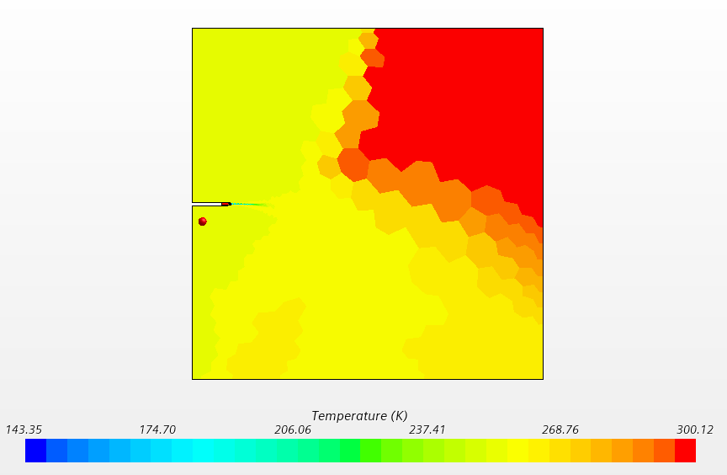

Change Outlet Temperature to 255K as well

Different Inlet and Outlet Temperature
Ideal Gas, Initial Condition Static Temperatur: 255K, Velocity Inlet Temperature 255K, Pressure Outlet Temperature 255K
k | 1.4 |  | Internet
R | 287.00 | J/(kg*K) | Internet
Atmospheric Temperature | 255.53 | K | Standard Atmosphere Model
Average Nozzle Exit Temperature | 162.4 | K | Measured
Speed of Sound | 255.45 | m/s | Calculated
NPR | 4.6 | - | Set
Average Nozzle Exit Velocity | 522.30 | m/s | Measured
Average Nozzle Exit Mach Number Calculated | 2.04 | - | Calculated
Average Nozzle Exit Mach Number Measured | 2.05 | - | Measured
Conclusion: Field is smooth now and Air Temperature at 5000m altitude is simulated correctly now

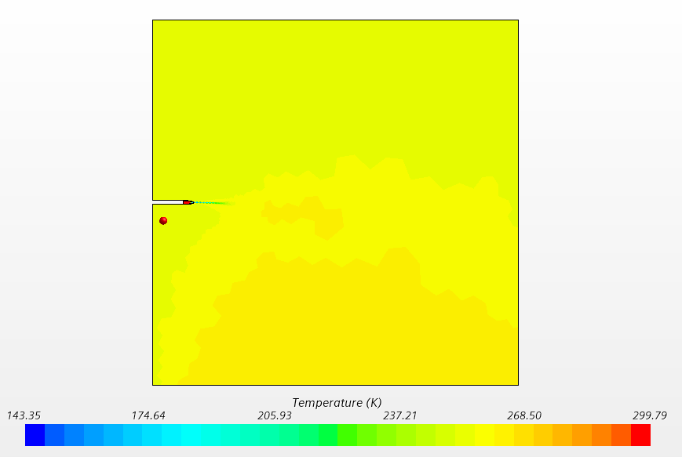

We want to Match Standard Atmosphere Model, but cannot change Static Pressure (should be 54000Pa) in Velocity Inlet -> Turn on Gravity Model and set Gravity to 0

Gravity Model with 0 Gravity
Ideal Gas, Initial Condition Static Temperatur: 255K, Velocity Inlet Temperature 255K, Gravity Model, Gravity: 0
k | 1.4 |  | Internet
R | 287.00 | J/(kg*K) | Internet
Atmospheric Temperature | 255.53 | K | Standard Atmosphere Model
Average Nozzle Exit Temperature | 162.4 | K | Measured
Speed of Sound | 255.45 | m/s | Calculated
NPR | 4.6 | - | Set
Average Nozzle Exit Velocity | 522.30 | m/s | Measured
Average Nozzle Exit Mach Number Calculated | 2.04 | - | Calculated
Average Nozzle Exit Mach Number Measured | 2.056 | - | Measured
Conclusion: Changing to Gravity Model and setting Gravity to 0 has no effect

We now set the reference altitude to 5000m

Gravity Model different Reference Altitude
Ideal Gas, Initial Condition Static Temperatur: 255K, Velocity Inlet Temperature 255K, Gravity Model, Gravity: 0, Altitude 5000m
k | 1.4 |  | Internet
R | 287.00 | J/(kg*K) | Internet
Atmospheric Temperature | 255.53 | K | Standard Atmosphere Model
Average Nozzle Exit Temperature | 162.4 | K | Measured
Speed of Sound | 255.45 | m/s | Calculated
NPR | 4.6 | - | Set
Average Nozzle Exit Velocity | 522.30 | m/s | Measured
Average Nozzle Exit Mach Number Calculated | 2.04 | - | Calculated
Average Nozzle Exit Mach Number Measured | 2.056 | - | Measured
Conclusion: Setting Altitude has no Effect -> Gravity Model cannot Simulate Atmosphere correctly but we can set the Gravity to the right Value (has neglectable Effect)

Change Static Pressure on Pressure Outlet to 0,5405 bar

Different Static Pressure on Pressure Outlet
Ideal Gas, Initial Condition Static Temperatur: 255K, Velocity Inlet Temperature 255K, Pressure Outlet Temperature 255K, Pressure Outlet Static Pressure 0.5405 bar
k | 1.4 |  | Internet
R | 287.00 | J/(kg*K) | Internet
Atmospheric Temperature | 255.53 | K | Standard Atmosphere Model
Average Nozzle Exit Temperature | 162.4 | K | Measured
Speed of Sound | 255.45 | m/s | Calculated
NPR | 4.6 | - | Set
Average Nozzle Exit Velocity | 522.36 | m/s | Measured
Average Nozzle Exit Mach Number Calculated | 2.04 | - | Calculated
Average Nozzle Exit Mach Number Measured | 2.05 | - | Measured

Temperature at Measurement Point | 255.5 | kg/m^3
Ideal Temperature | 255.53 | kg/m^3
Pressure at Measurement Point | 0.5254 | bar
Ideal Pressure | 0.5405 | bar
Density at Measurement Point | 0.7163 | kg/m^3
Ideal Density | 0.7364 | kg/m^3
Dynamic Viscosity at Measurement Point | 1.86E-05 | Pa/s
Ideal Dynamic Viscosity | 1.63E-05 | Pa/s

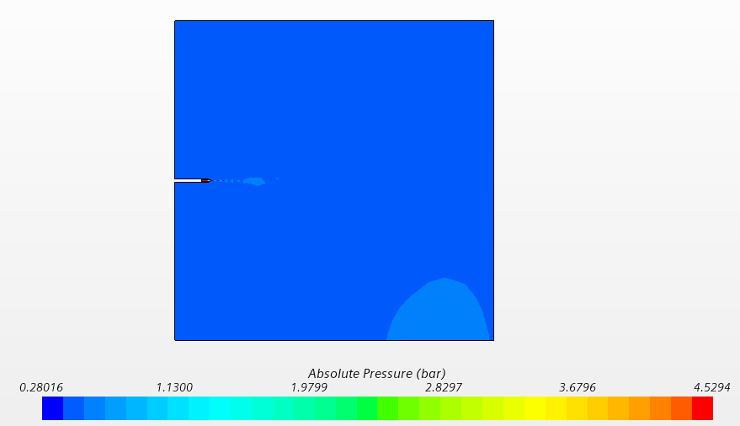

Old Mach Number Field
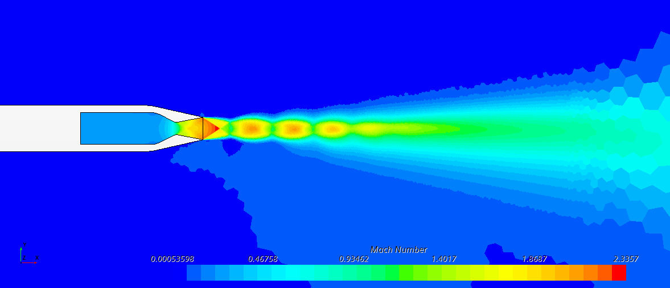

New Mach Number Field
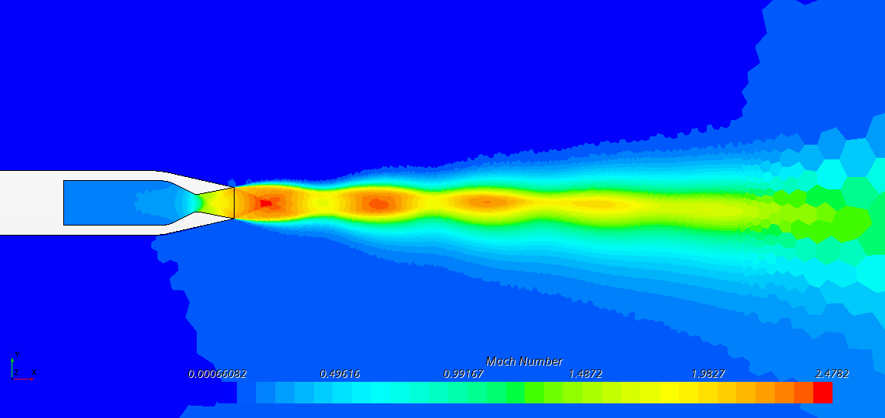

Conclusion: Air Temperature, Pressure and Density is beeing simulated correctly; The ambient air does effects the maximum Mach Number, because with the same Stagnation Inlet Pressure the NPR is now Higher; The Mach Number directly on the exit of the Nozzle because the Stream is already overexpanded

Change Dynamic Viscosity in Air Properties

Different Dynamic Viscosity in Air Properties
Ideal Gas, Initial Condition Static Temperatur: 255K, Velocity Inlet Temperature 255K, Pressure Outlet Temperature 255K, Pressure Outlet Static Pressure 0.5405 bar
k | 1.4 |  | Internet
R | 287.00 | J/(kg*K) | Internet
Atmospheric Temperature | 255.53 | K | Standard Atmosphere Model
Average Nozzle Exit Temperature | 162.4 | K | Measured
Speed of Sound | 255.45 | m/s | Calculated
NPR | 4.6 | - | Set
Average Nozzle Exit Velocity | 522.40 | m/s | Measured
Average Nozzle Exit Mach Number Calculated | 2.05 | - | Calculated
Average Nozzle Exit Mach Number Measured | 2.06 | - | Measured

Temperature at Measurement Point | 255.54 | kg/m^3
Ideal Temperature | 255.53 | kg/m^3
Pressure at Measurement Point | 0.5252 | bar
Ideal Pressure | 0.5405 | bar
Density at Measurement Point | 0.7160 | kg/m^3
Ideal Density | 0.7364 | kg/m^3
Dynamic Viscosity at Measurement Point | 1.63E-05 | Pa/s
Ideal Dynamic Viscosity | 1.63E-05 | Pa/s

Conclusion: The ambient Air is now simulated correctly, just like the plane was flying at 5000m altitude

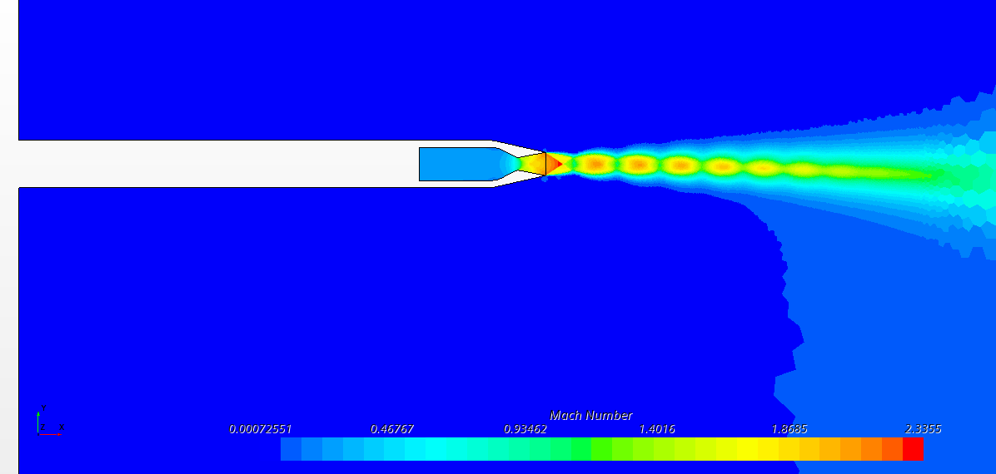

Change Nozzle Stagnation Inlet Total Temperature to 638,825K

High Stagnation Inlet Temperature (Hot Stream)
Ideal Gas, Initial Condition Static Temperatur: 255K, Velocity Inlet Temperature 255K, Pressure Outlet Temperature 255K, Pressure Outlet Static Pressure 0.5405 bar
k | 1.4 |  | Internet
R | 287.00 | J/(kg*K) | Internet
Atmospheric Temperature | 255.53 | K | Standard Atmosphere Model
Average Nozzle Exit Temperature | 346.51 | K | Measured
Speed of Sound | 373.13 | m/s | Calculated
NPR | 4.6 | - | Set
Average Nozzle Exit Velocity | 761.12 | m/s | Measured
Average Nozzle Exit Mach Number Calculated | 2.04 | - | Calculated
Average Nozzle Exit Mach Number Measured | 2.05 | - | Measured
Ideal Nozzle Exit Mach Number | 2.20 | - | Given

Temperature at Measurement Point | 255.44 | kg/m^3
Ideal Temperature | 255.53 | kg/m^3
Pressure at Measurement Point | 53065 | Pa
Ideal Pressure | 54050 | bar
Density at Measurement Point | 0.7237 | kg/m^3
Ideal Density | 0.7364 | kg/m^3
Dynamic Viscosity at Measurement Point | 1.63E-05 | Pa/s
Ideal Dynamic Viscosity | 1.63E-05 | Pa/s

Conclusion: The Stream is now hot, the Nozzle exit temperature is much higher. Also the Nozzle Exit Velocity is a lot higher. The Mach Number is still the same because the Speed of sound also Rises accordingly

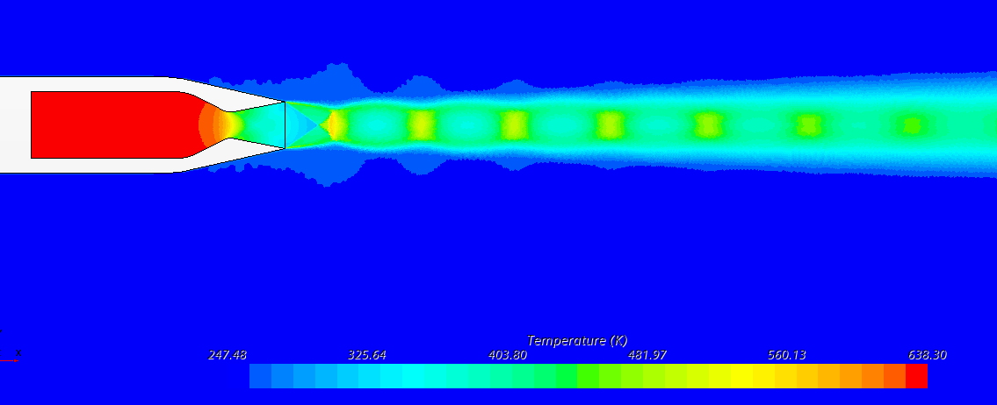

Change Nozzle Dimensions to Reach Exit Mach Number of 2.2 (Trial and Error)

New Nozzle Geometry
Ideal Gas, Initial Condition Static Temperatur: 255K, Velocity Inlet Temperature 255K, Pressure Outlet Temperature 255K, Pressure Outlet Static Pressure 0.5405 bar
k | 1.4 |  | Internet
R | 287.00 | J/(kg*K) | Internet
Atmospheric Temperature | 255.53 | K | Standard Atmosphere Model
Average Nozzle Exit Temperature | 327.26 | K | Measured
Speed of Sound | 362.62 | m/s | Calculated
NPR | 5 | - | Set
Average Nozzle Exit Velocity | 781.43 | m/s | Measured
Average Nozzle Exit Mach Number Calculated | 2.15 | - | Calculated
Average Nozzle Exit Mach Number Measured | 2.17 | - | Measured
Ideal Nozzle Exit Mach Number | 2.20 | - | Given
Thrust Measurement | 7689 | N | Measured
Ideal Thrust | 10000 | N | Given

Temperature at Measurement Point | 255.44 | kg/m^3 | Measured
Ideal Temperature | 255.53 | kg/m^3 | Given
Pressure at Measurement Point | 53065 | Pa | Measured
Ideal Pressure | 54050 | bar | Given
Density at Measurement Point | 0.7237 | kg/m^3 | Measured
Ideal Density | 0.7364 | kg/m^3 | Given
Dynamic Viscosity at Measurement Point | 1.63E-05 | Pa/s | Measured
Ideal Dynamic Viscosity | 1.63E-05 | Pa/s | Given

Thrust Validation
Thrust Vector Study

Base Confiuration (No Thrust Vectoring) |  |  |  | Desired Confiuration
No Injection |  |  |  | Specific Heat Capacity at Constant Pressure | C_p | 1.005 | kJ/(kg*K) | Internet Value
Measured Axial Thrust | 13992 | N | Measured | Specific Heat Capacity at Constant Volume | C_v | 0.718 | kJ/(kg*K) | Internet Value
Measured Nominal Thrust | 0.54 | N | Measured | Specific Heat Ratio | γ (k) | 1.400 |  | Calculated
Resulting Thrust Ratio | 0.00 | - | Calculated | Gas Constant | R | 287 | J/(kg*K) | Internet Value
Required Thrust Ratio | 0.2 | - | Given | Altitude | z | 5000 | m | Given
Resulting Angle of the Stream | 0.00 | deg | Calculated | Gravity at 5000m | g | 9.791 | m/s² | Extracted from Standard Atmosphere
Required Angle of the Stream | 7.9696103943 | deg | Given | Density of air at 5000m | ρ (rho) | 0.7364 | kg/m^3 | Extracted from Standard Atmosphere
Measured Mass Flow Rate (Primary) | 21.5263 | kg/s | Measured
Measured Mass Flow Rate (Secondary) | 0.0000 | kg/s | Measured | Temperature at 5000m | T | -17.47 | °C | Extracted from Standard Atmosphere
Mass Flow Rate Ratio | 0 | - | Calculated
Nozzle Efficiency | #DIV/0! | - | Calculated |  |  | 255.53 | K | Converted
 | #DIV/0! | % | Converted
Conclusion: No Thrust Vectoring |  |  |  | Static Pressure at 5000m | p | 54050 | Pa | Extracted from Standard Atmosphere
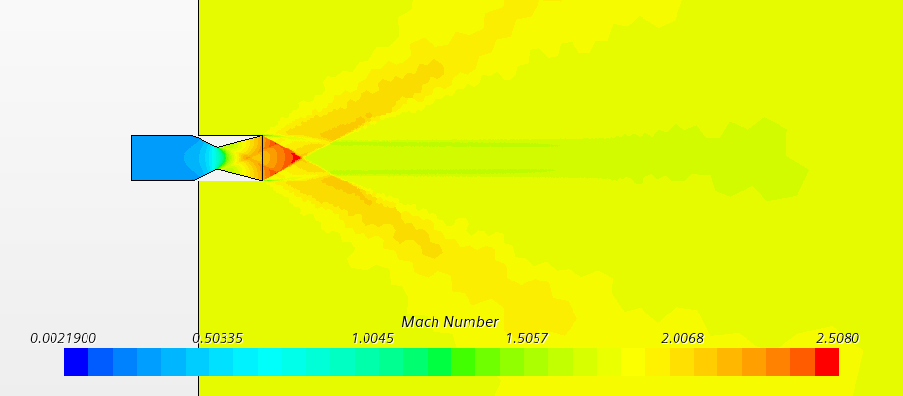
 |  |  |  |  |  | 0.5405 | bar | Converted
 |  |  |  | Dynamic Viscosity at 5000m | μ | 1.63E-05 | Pa/s | Extracted from Standard Atmosphere

 |  |  |  | Speed of Sound at 5000m | v_sound | 320.39276808 | m/s | Calculated

 |  |  |  | Mach Number of Airplane (Surrounding) | Ma_airplane | 1.8 | - | Given
 |  |  |  | Airspeed at Ma=1,8 | v_exit | 576.70698254 | m/s | Calculated

 |  |  |  | Nozzle Exit Mach Number | Ma_exit | 2.2 | - | Given
 |  |  |  | Airspeed at Ma=2,2 | v_exit | 704.86408977 | m/s | Calculated

 |  |  |  | Nozzle Pressure Ratio | NPR | 5 | - | Given
 |  |  |  | Nozzle Stagnation Inlet Pressure | P_inlet | 270250 | Pa | Calculated
 |  |  |  |  |  | 2.7025 | bar | Converted

 |  |  |  | Nozzle Temperature Ratio | NTR | 2.5 | - | Given
 |  |  |  | Nozzle Stagnation Inlet Temperature | T_inlet | 638.825 | K | Calculated

Single Inlet Slot |  |  |  | Required Thrust in x-direction | Fx | 10000 | N | Given
Single Inlet Slot with SPR 1.0 (2.7 bar) |  |  |  | Thrust Ratio | Fn/Fx | 0.14 | - | Given
Slot X Position | 0.241 | m | Chosen
Measured Axial Thrust | 14258 | N | Measured | Required Thrust in y-direction (Normal Thrust) | Fn | 1400 | N | Calculated
Measured Nominal Thrust | 976.00 | N | Measured | Required total Thrust | F_total | 10097.524449 | N | Calculated
Resulting Thrust Ratio | 0.07 | - | Calculated | Required Angle of the Stream | δ | 0.13909594148 | rad | Calculated
Required Thrust Ratio | 0.2 | - | Given |  |  | 7.9696103943 | deg | Converted
Resulting Angle of the Stream | 3.92 | deg | Calculated
Required Angle of the Stream | 0 | deg | Given
Measured Mass Flow Rate (Primary) | 21.5257 | kg/s | Measured
Measured Mass Flow Rate (Secondary) | 0.8616 | kg/s | Measured
Mass Flow Rate Ratio | 0.038485362931 | - | Calculated
Nozzle Efficiency | 1.7787 | - | Calculated
 | 177.87 | % | Converted
Conclusion: Thrust Vectoring Works even though stream looks straight
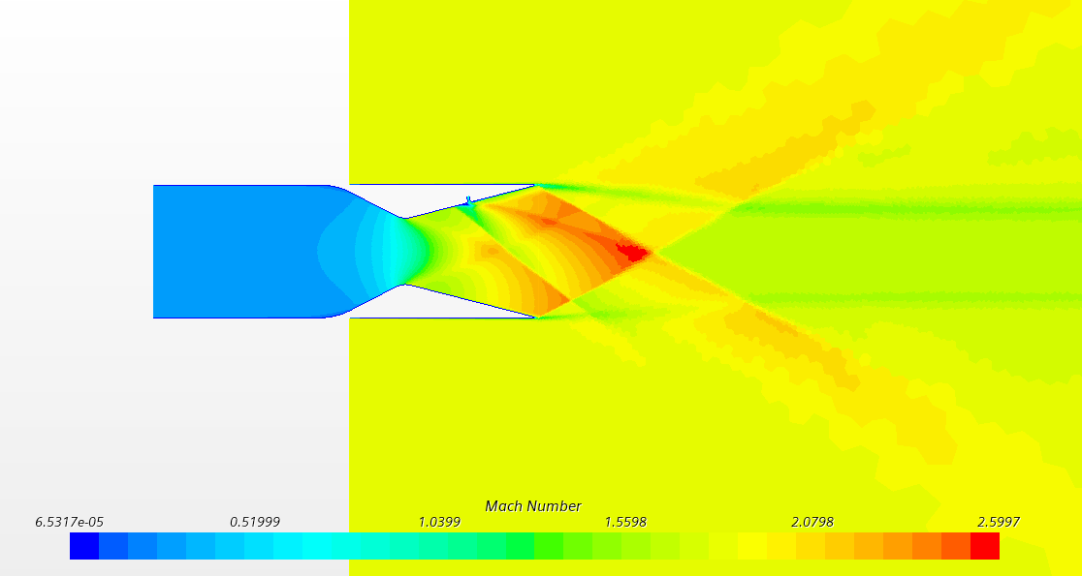

We change the shape of the slot to a nozzle to increase the speed of the secondary stream

Single Inlet Slot with Nozzle Shape at 1.0SPR (2.7 bar) |  |  |  |  |  |  |  |  |  |  |  |  |  |  |  |  |  | Single Inlet Slot with Nozzle Shape at 1.0SPR (2.7 bar)
Single Inlet |  |  |  |  |  |  |  |  |  |  |  |  |  |  |  |  |  | Single Inlet
Slot X Position | 0.241 | m | Chosen |  |  |  |  |  |  |  |  |  |  |  |  |  |  | Measured Axial Thrust | 14368 | N | Measured
Measured Axial Thrust | 14125 | N | Measured |  |  |  |  |  |  |  |  |  |  |  |  |  |  | Measured Nominal Thrust | 762.60 | N | Measured
Measured Nominal Thrust | 488.00 | N | Measured |  |  |  |  |  |  |  |  |  |  |  |  |  |  | Resulting Thrust Ratio | 0.05 | - | Calculated
Resulting Thrust Ratio | 0.03 | - | Calculated |  |  |  |  |  |  |  |  |  |  |  |  |  |  | Required Thrust Ratio | 0.2 | - | Given
Required Thrust Ratio | 0.2 | - | Given |  |  |  |  |  |  |  |  |  |  |  |  |  |  | Resulting Angle of the Stream | 3.04 | deg | Calculated
Resulting Angle of the Stream | 1.98 | deg | Calculated |  |  |  |  |  |  |  |  |  |  |  |  |  |  | Required Angle of the Stream | 0 | deg | Given
Required Angle of the Stream | 0 | deg | Given |  |  |  |  |  |  |  |  |  |  |  |  |  |  | Measured Mass Flow Rate (Primary) | 21.5207 | kg/s | Measured
Measured Mass Flow Rate (Primary) | 21.5207 | kg/s | Measured |  |  |  |  |  |  |  |  |  |  |  |  |  |  | Measured Mass Flow Rate (Secondary) | 0.8640 | kg/s | Measured
Measured Mass Flow Rate (Secondary) | 0.4362 | kg/s | Measured |  |  |  |  |  |  |  |  |  |  |  |  |  |  | Mass Flow Rate Ratio | 0.038597740513 | - | Calculated
Mass Flow Rate Ratio | 0.019867816898 | - | Calculated |  |  |  |  |  |  |  |  |  |  |  |  |  |  | Nozzle Efficiency | 1.3751 | - | Calculated
Nozzle Efficiency | 1.7389 | - | Calculated |  |  |  |  |  |  |  |  |  |  |  |  |  |  |  | 137.51 | % | Converted
 | 173.89 | % | Converted |  |  |  |  |  |  |  |  |  |  |  |  |  |  | Conclusion: Even with the same mass flow rate, the nozzle does not meet the same angle as the earlier one.
Conclusion: Right now a nozzle shaped inlet slot does not seem to increase thrust vector capability, but it actually makes it worse, because the mass flow rate of the secon stream is luch lower -> higher mfr of secon stream makes thrust vectoring stronger
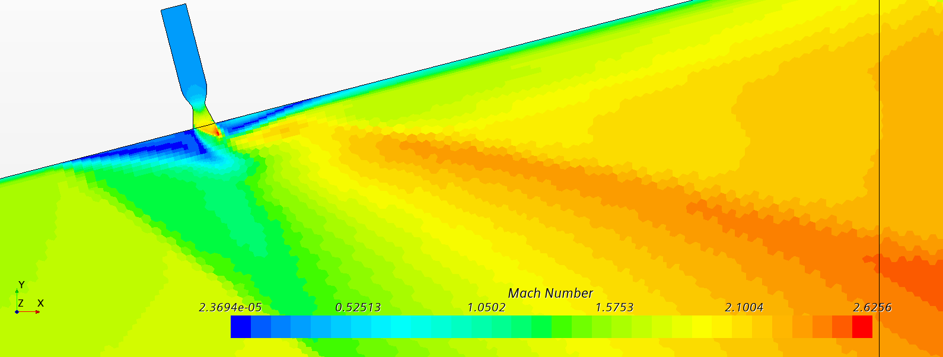
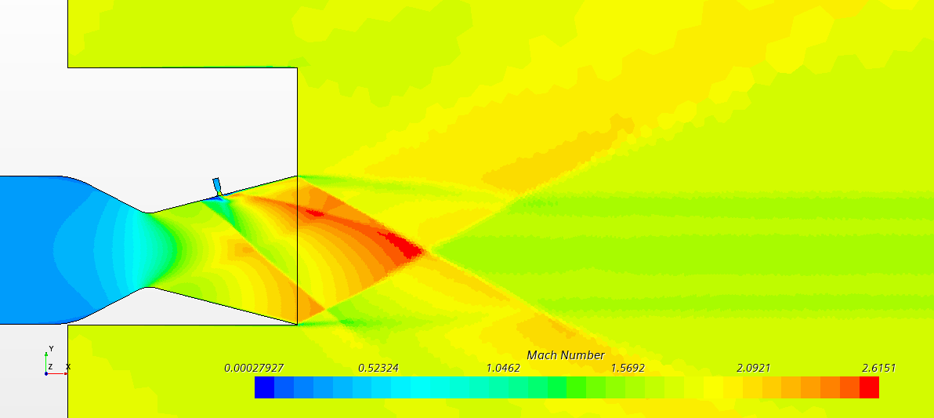
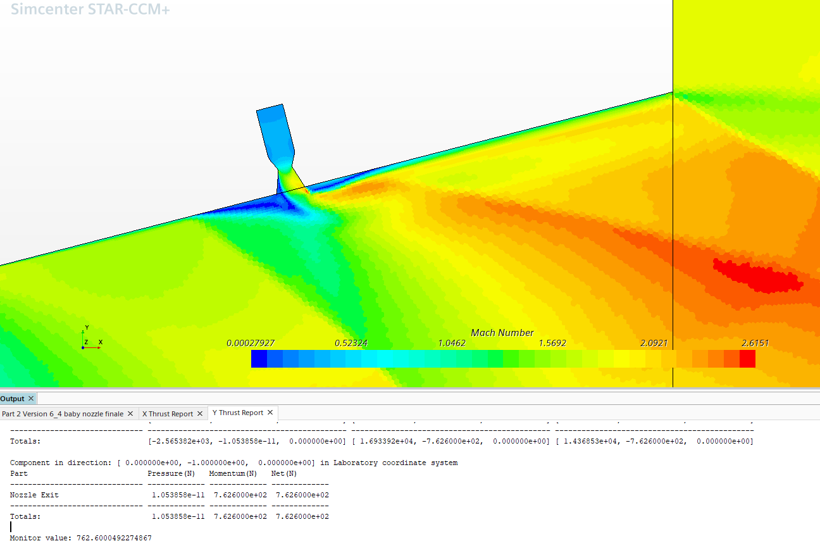
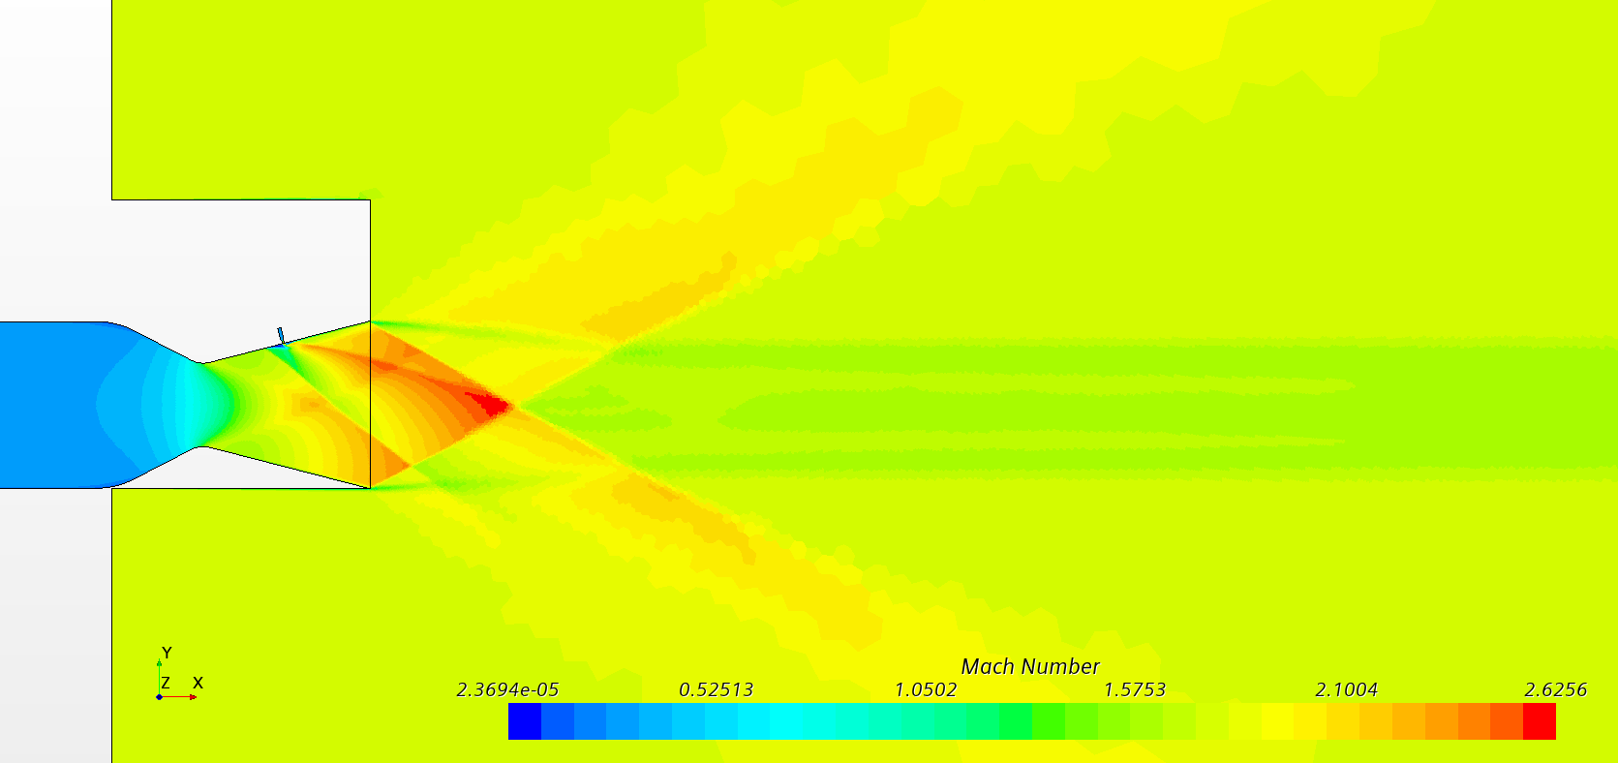

We move the Slot to different positions to find the most effective spot for the secondary inlet, x is measured from the stagnation inlet of the nozzle

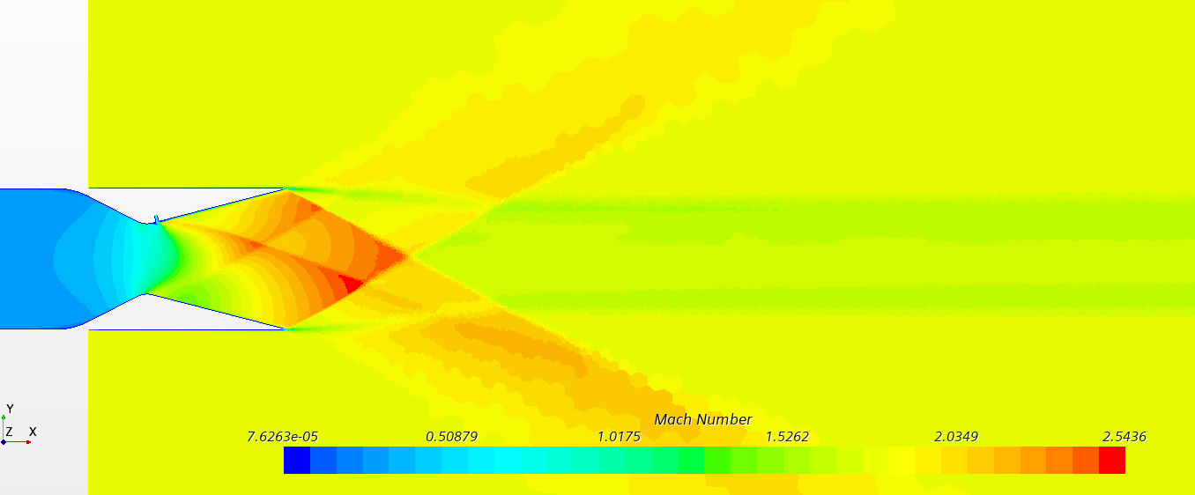
x= 0,2 m
Slot Width | 0.08 | in | Chosen
Slot X Position | 0.20 | m | Chosen
Measured Axial Thrust | 14284 | N | Measured
Measured Nominal Thrust | 591.00 | N | Measured
Resulting Thrust Ratio | 0.04 | - | Calculated
Required Thrust Ratio | 0.2 | - | Given
Resulting Angle of the Stream | 2.37 | deg | Calculated
Required Angle of the Stream | 0 | deg | Given
Measured Mass Flow Rate (Primary) | 21.1400 | kg/s | Measured
Measured Mass Flow Rate (Secondary) | 0.8354 | kg/s | Measured
Mass Flow Rate Ratio | 0.038015235218 | - | Calculated
Nozzle Efficiency | 1.0884 | - | Calculated
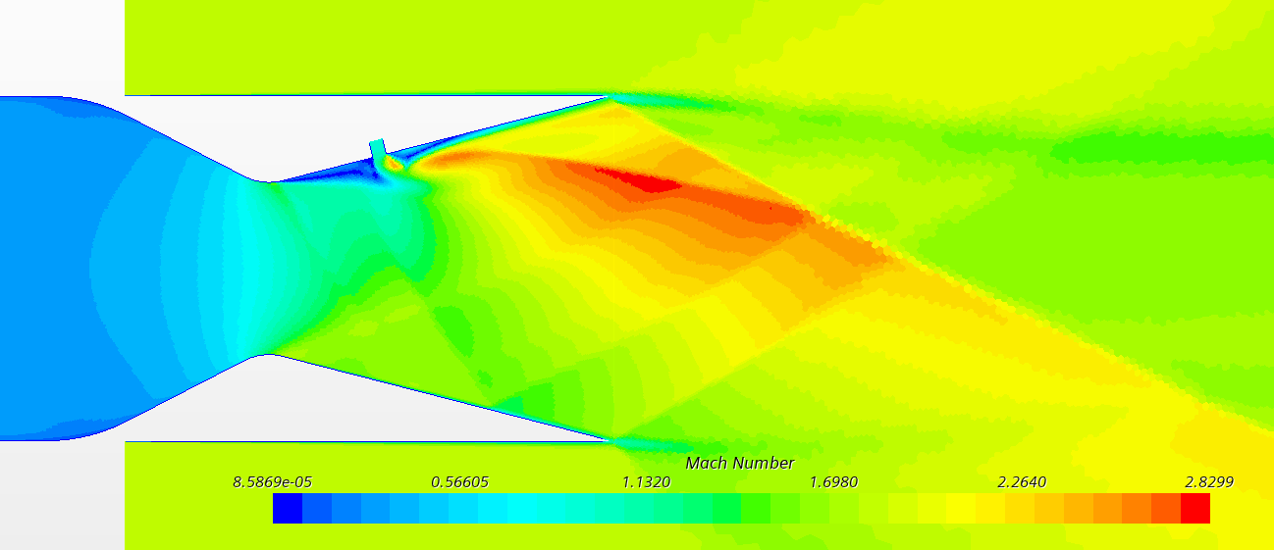
 | 108.84 | % | Converted
 |  |  |  |  |  |  |  | x= 0,225 m, w = 0.16"
 |  |  |  |  |  |  |  | Slot Width | 0.16 | in | Chosen
x= 0,225 m |  |  |  |  |  |  |  | Slot X Position | 0.225 | m | Chosen
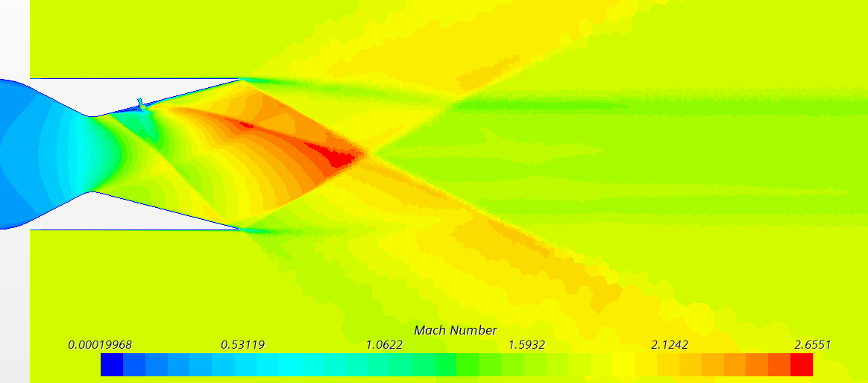
Slot Width | 0.08 | in | Chosen |  |  |  |  | Measured Axial Thrust | 14956 | N | Measured
Slot X Position | 0.225 | m | Chosen |  |  |  |  | Measured Nominal Thrust | 176.90 | N | Measured
Measured Axial Thrust | 14341 | N | Measured |  |  |  |  | Resulting Thrust Ratio | 0.01 | - | Calculated
Measured Nominal Thrust | 647.00 | N | Measured |  |  |  |  | Required Thrust Ratio | 0.2 | - | Given
Resulting Thrust Ratio | 0.05 | - | Calculated |  |  |  |  | Resulting Angle of the Stream | 0.68 | deg | Calculated
Required Thrust Ratio | 0.2 | - | Given |  |  |  |  | Required Angle of the Stream | 0 | deg | Given
Resulting Angle of the Stream | 2.58 | deg | Calculated |  |  |  |  | Measured Mass Flow Rate (Primary) | 21.5200 | kg/s | Measured
Required Angle of the Stream | 0 | deg | Given |  |  |  |  | Measured Mass Flow Rate (Secondary) | 1.7300 | kg/s | Measured
Measured Mass Flow Rate (Primary) | 21.5300 | kg/s | Measured |  |  |  |  | Mass Flow Rate Ratio | 0.074408602151 | - | Calculated
Measured Mass Flow Rate (Secondary) | 0.8610 | kg/s | Measured |  |  |  |  | Nozzle Efficiency | 0.1590 | - | Calculated
Mass Flow Rate Ratio | 0.038452949846 | - | Calculated |  |  |  |  |  | 15.90 | % | Converted
Nozzle Efficiency | 1.1733 | - | Calculated
 | 117.33 | % | Converted

x=0,241m
Slot Width | 0.08 | in | Chosen |  |  |  |  |  |  | First Nozzle Position Summary
Slot X Position | 0.241 | m | Chosen |  |  |  |  |  |  | x | Eff.
Measured Axial Thrust | 14258 | N | Measured |  |  |  |  |  |  | 0.20 | 109
Measured Nominal Thrust | 976.00 | N | Measured |  |  |  |  |  |  | 0.21 | 111 |  |  | x= 0,25 m |  |  |  |  | x= 0,21 m
Resulting Thrust Ratio | 0.07 | - | Calculated |  |  |  |  |  |  | 0.22 | 113 |  |  | Slot Width | 0.08 | in | Chosen |  | Slot Width | 0.08 | in | Chosen
Required Thrust Ratio | 0.2 | - | Given |  |  |  |  |  |  | 0.23 | 117 |  |  | Slot X Position | 0.25 | m | Chosen |  | Slot X Position | 0.21 | m | Chosen
Resulting Angle of the Stream | 3.92 | deg | Calculated |  |  |  |  |  |  | 0.24 | 178 |  |  | Measured Axial Thrust | 14267 | N | Measured |  | Measured Axial Thrust |  | N | Measured
Required Angle of the Stream | #REF! | deg | Given |  |  |  |  |  |  | 0.25 | 185 |  |  | Measured Nominal Thrust | 1008.88 | N | Measured |  | Measured Nominal Thrust |  | N | Measured
Measured Mass Flow Rate (Primary) | 21.5257 | kg/s | Measured |  |  |  |  |  |  | 0.26 | 193 |  |  | Resulting Thrust Ratio | 0.07 | - | Calculated |  | Resulting Thrust Ratio | #DIV/0! | - | Calculated
Measured Mass Flow Rate (Secondary) | 0.8616 | kg/s | Measured |  |  |  |  |  |  | 0.27 | 209 |  |  | Required Thrust Ratio | 0.2 | - | Given |  | Required Thrust Ratio | 0.2 | - | Given
Mass Flow Rate Ratio | 0.038485362931 | - | Calculated |  |  |  |  |  |  | 0.28 | 236 |  |  | Resulting Angle of the Stream | 4.04 | deg | Calculated |  | Resulting Angle of the Stream | #DIV/0! | deg | Calculated
Nozzle Efficiency | 1.7787 | - | Calculated |  |  |  |  |  |  | 0.29 | 249 |  |  | Required Angle of the Stream | Calculated | deg | Given |  | Required Angle of the Stream | 0 | deg | Given
 | 177.87 | % | Converted |  |  |  |  |  |  |  |  |  |  | Measured Mass Flow Rate (Primary) | 21.5261 | kg/s | Measured |  | Measured Mass Flow Rate (Primary) |  | kg/s | Measured
First Nozzle Position Study
 |  |  |  |  |  |  |  |  |  |  |  |  |  | Measured Mass Flow Rate (Secondary) | 0.8544 | kg/s | Measured |  | Measured Mass Flow Rate (Secondary) |  | kg/s | Measured
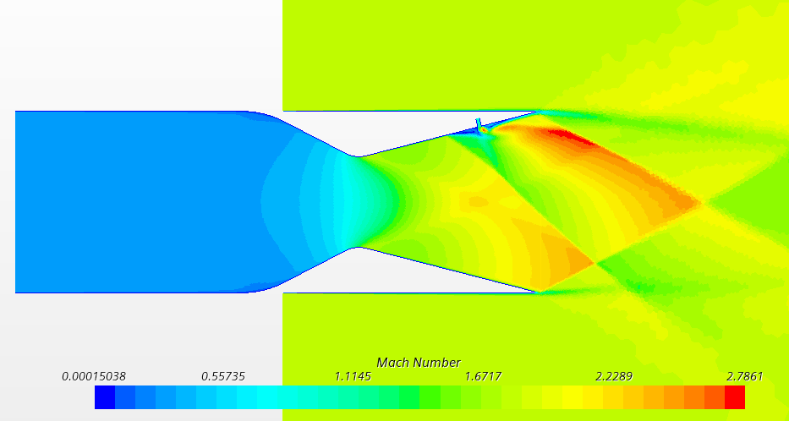
 |  |  |  |  |  |  |  |  |  |  |  |  |  | Mass Flow Rate Ratio | 0.038177341261 | - | Calculated |  | Mass Flow Rate Ratio | #DIV/0! | - | Calculated
x= 0,26 m |  |  |  |  |  |  |  |  |  |  |  |  |  | Nozzle Efficiency | 1.8522 | - | Calculated |  | Nozzle Efficiency | #DIV/0! | - | Calculated
Slot Width | 0.08 | in | Chosen |  |  |  |  |  |  |  |  |  |  |  | 185.22 | % | Converted |  |  | #DIV/0! | % | Converted
Slot X Position | 0.26 | m | Chosen
Measured Axial Thrust | 14278 | N | Measured
Measured Nominal Thrust | 1063.00 | N | Measured |  |  |  |  |  |  |  |  |  |  | x= 0,22 m
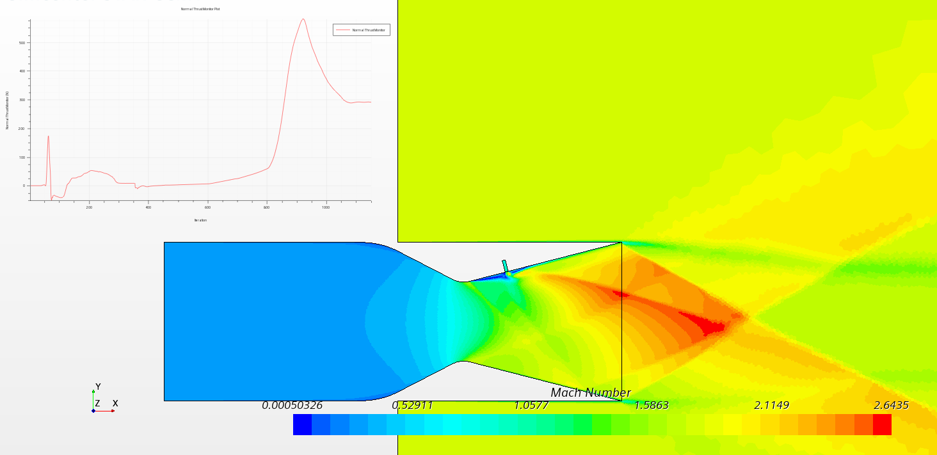
Resulting Thrust Ratio | 0.07 | - | Calculated |  |  |  |  |  |  |  |  |  |  | Slot Width | 0.08 | in | Chosen
Required Thrust Ratio | 0.2 | - | Given |  |  |  |  |  |  |  |  |  |  | Slot X Position | 0.22 | m | Chosen
Resulting Angle of the Stream | 4.26 | deg | Calculated |  |  |  |  |  |  |  |  |  |  | Measured Axial Thrust | 14434 | N | Measured
Required Angle of the Stream | 0 | deg | Given |  |  |  |  |  |  |  |  |  |  | Measured Nominal Thrust | 290.64 | N | Measured
Measured Mass Flow Rate (Primary) | 21.5263 | kg/s | Measured |  |  |  |  |  |  |  |  |  |  | Resulting Thrust Ratio | 0.02 | - | Calculated
Measured Mass Flow Rate (Secondary) | 0.8616 | kg/s | Measured |  |  |  |  |  |  |  |  |  |  | Required Thrust Ratio | 0.2 | - | Given
Mass Flow Rate Ratio | 0.038486418831 | - | Calculated |  |  |  |  |  |  |  |  |  |  | Resulting Angle of the Stream | 1.15 | deg | Calculated
Nozzle Efficiency | 1.9345 | - | Calculated |  |  |  |  |  |  |  |  |  |  | Required Angle of the Stream | 0 | deg | Given
 | 193.45 | % | Converted |  |  |  |  |  |  |  |  |  |  | Measured Mass Flow Rate (Primary) | 21.5259 | kg/s | Measured
 |  |  |  |  |  |  |  |  |  |  |  |  |  | Measured Mass Flow Rate (Secondary) | 0.8544 | kg/s | Measured
 |  |  |  |  |  |  |  |  |  |  |  |  |  | Mass Flow Rate Ratio | 0.038176182291 | - | Calculated
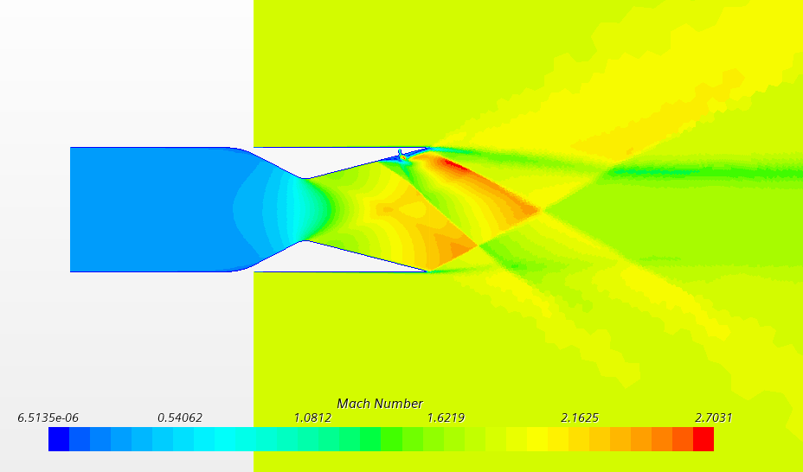
x= 0,27 m |  |  |  |  |  |  |  |  |  |  |  |  |  | Nozzle Efficiency | 0.5275 | - | Calculated
Slot Width | 0.08 | in | Chosen |  |  |  |  |  |  |  |  |  |  |  | 52.75 | % | Converted
Slot X Position | 0.27 | m | Chosen
Measured Axial Thrust | 14300 | N | Measured
Measured Nominal Thrust | 1149.00 | N | Measured
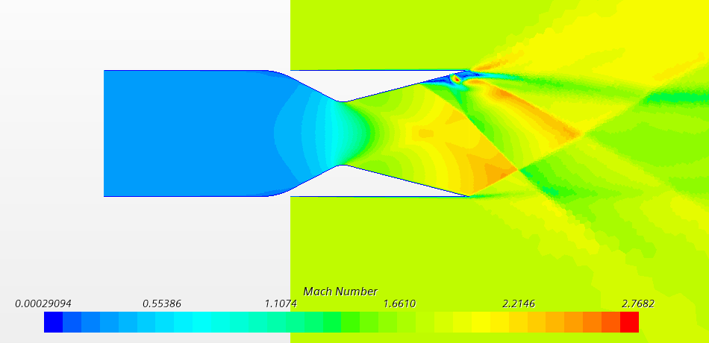
Resulting Thrust Ratio | 0.08 | - | Calculated
Required Thrust Ratio | 0.2 | - | Given
Resulting Angle of the Stream | 4.59 | deg | Calculated
Required Angle of the Stream | 0 | deg | Given
Measured Mass Flow Rate (Primary) | 21.5264 | kg/s | Measured |  |  |  |  |  |  |  |  |  |  | x= 0,28 m @ 0.12 in
Measured Mass Flow Rate (Secondary) | 0.8616 | kg/s | Measured |  |  |  |  |  |  |  |  |  |  | Slot Width | 0.12 | in | Chosen
Mass Flow Rate Ratio | 0.038484322852 | - | Calculated |  |  |  |  |  |  |  |  |  |  | Slot X Position | 0.28 | m | Chosen
Nozzle Efficiency | 2.0879 | - | Calculated |  |  |  |  |  |  |  |  |  |  | Measured Axial Thrust | 14500 | N | Measured
 | 208.79 | % | Converted |  |  |  |  |  |  |  |  |  |  | Measured Nominal Thrust | 1930.00 | N | Measured
 |  |  |  |  |  |  |  |  |  |  |  |  |  | Resulting Thrust Ratio | 0.13 | - | Calculated
 |  |  |  |  |  |  |  |  |  |  |  |  |  | Required Thrust Ratio | 0.2 | - | Given
x= 0,28 m |  |  |  |  |  |  |  |  |  |  |  |  |  | Resulting Angle of the Stream | 7.58 | deg | Calculated
Slot Width | 0.08 | in | Chosen |  |  |  |  |  |  |  |  |  |  | Required Angle of the Stream | 0 | deg | Given
Slot X Position | 0.28 | m | Chosen |  |  |  |  |  |  |  |  |  |  | Measured Mass Flow Rate (Primary) | 21.5264 | kg/s | Measured
Measured Axial Thrust | 14334 | N | Measured |  |  |  |  |  |  |  |  |  |  | Measured Mass Flow Rate (Secondary) | 1.3118 | kg/s | Measured
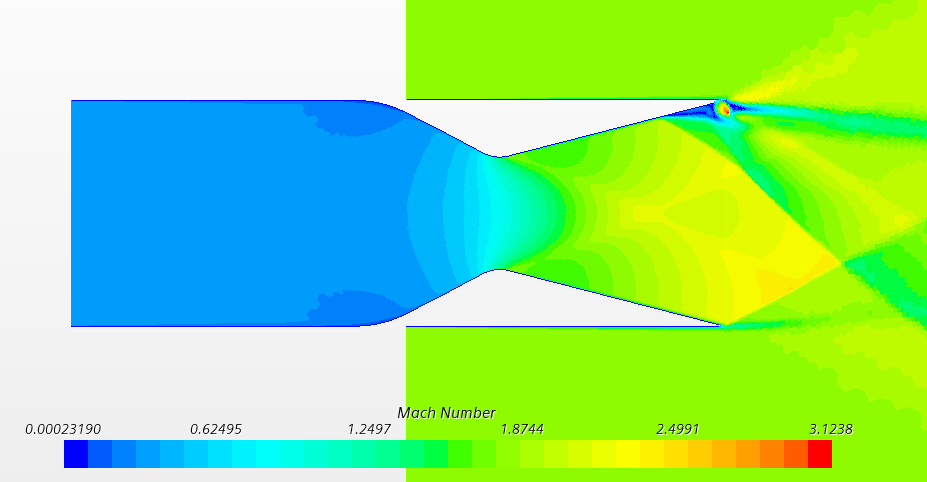
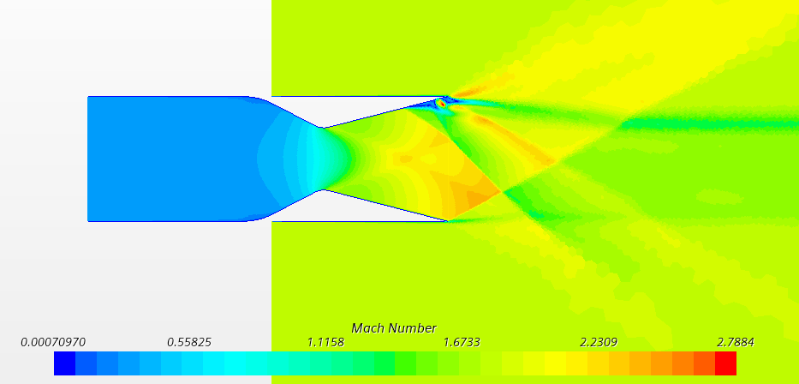
Measured Nominal Thrust | 1293.18 | N | Measured |  |  |  |  |  |  |  |  |  |  | Mass Flow Rate Ratio | 0.057440298882 | - | Calculated
Resulting Thrust Ratio | 0.09 | - | Calculated |  |  |  |  |  |  |  |  |  |  | Nozzle Efficiency | 2.3172 | - | Calculated
Required Thrust Ratio | 0.2 | - | Given |  |  |  |  |  |  |  |  |  |  |  | 231.72 | % | Converted
Resulting Angle of the Stream | 5.16 | deg | Calculated |  |  |  |  | x= 0,29 m @ 0.10 in
Required Angle of the Stream | 0 | deg | Given |  |  |  |  | Slot Width | 0.1 | in | Chosen
Measured Mass Flow Rate (Primary) | 21.5263 | kg/s | Measured |  |  |  |  | Slot X Position | 0.29 | m | Chosen |  |  | x= 0,285 m @ 0.12 in
Measured Mass Flow Rate (Secondary) | 0.8548 | kg/s | Measured |  |  |  |  | Measured Axial Thrust | 14436 | N | Measured |  |  | Slot Width | 0.12 | in | Chosen
Mass Flow Rate Ratio | 0.038191739973 | - | Calculated |  |  |  |  | Measured Nominal Thrust | 1694.00 | N | Measured |  |  | Slot X Position | 0.285 | m | Chosen
Nozzle Efficiency | 2.3623 | - | Calculated |  |  |  |  | Resulting Thrust Ratio | 0.12 | - | Calculated |  |  | Measured Axial Thrust | 14509 | N | Measured
 | 236.23 | % | Converted |  |  |  |  | Required Thrust Ratio | 0.2 | - | Given |  |  | Measured Nominal Thrust | 1964.00 | N | Measured
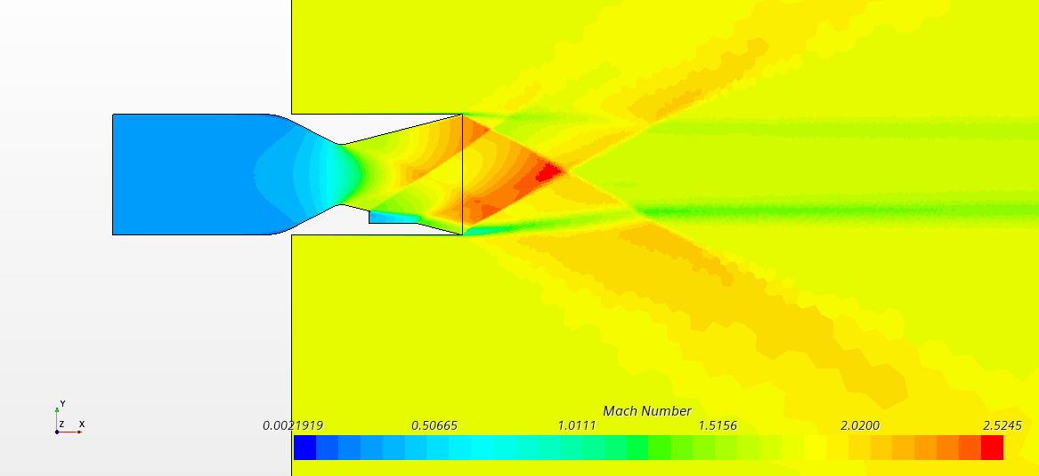
x= 0,29 m |  |  |  |  |  |  |  | Resulting Angle of the Stream | 6.69 | deg | Calculated |  |  | Resulting Thrust Ratio | 0.14 | - | Calculated
Slot Width | 0.08 | in | Chosen |  |  |  |  | Required Angle of the Stream | 0 | deg | Given |  |  | Required Thrust Ratio | 0.2 | - | Given
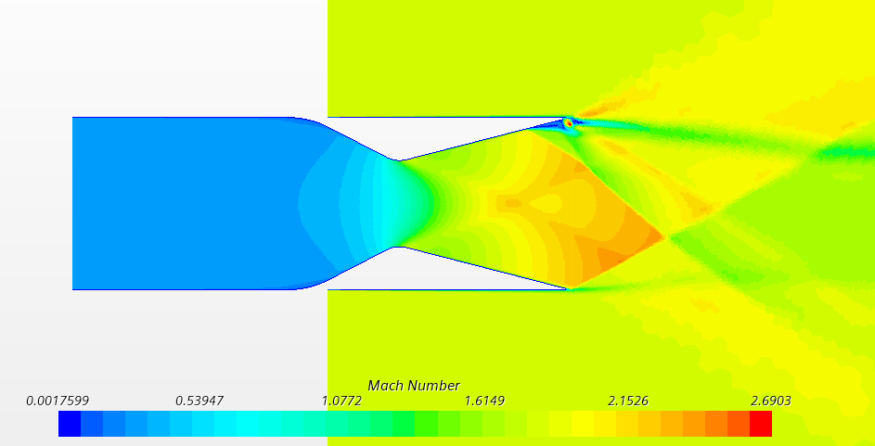
Slot X Position | 0.29 | m | Chosen |  |  |  |  | Measured Mass Flow Rate (Primary) | 21.5263 | kg/s | Measured |  |  | Resulting Angle of the Stream | 7.71 | deg | Calculated
Measured Axial Thrust | 14363 | N | Measured |  |  |  |  | Measured Mass Flow Rate (Secondary) | 1.0921 | kg/s | Measured |  |  | Required Angle of the Stream | 0 | deg | Given
Measured Nominal Thrust | 1393.00 | N | Measured |  |  |  |  | Mass Flow Rate Ratio | 0.048285212382 | - | Calculated |  |  | Measured Mass Flow Rate (Primary) | 21.5264 | kg/s | Measured
Resulting Thrust Ratio | 0.10 | - | Calculated |  |  |  |  | Nozzle Efficiency | 2.4303 | - | Calculated |  |  | Measured Mass Flow Rate (Secondary) | 1.3118 | kg/s | Measured |  |  |  |  |  | BIGGER
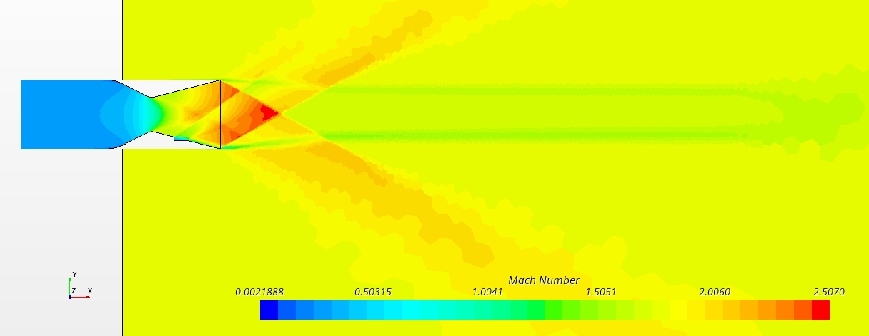
Required Thrust Ratio | 0.2 | - | Given |  |  |  |  |  | 243.03 | % | Converted |  |  | Mass Flow Rate Ratio | 0.057440521358 | - | Calculated
Resulting Angle of the Stream | 5.54 | deg | Calculated |  |  |  |  |  |  |  |  |  |  | Nozzle Efficiency | 2.3566 | - | Calculated |  |  |  |  |  | Pressure_stag=2,7bar / Pressure_second=1bar |  |  |  | Pressure_stag=2,7bar / Pressure_second=1bar
Required Angle of the Stream | 0 | deg | Given |  |  |  |  |  |  |  |  |  |  |  | 235.66 | % | Converted |  |  |  |  |  | Measured Axial Thrust | 14931 | N | Measured | Measured Axial Thrust | 14931 | N | Measured
Measured Mass Flow Rate (Primary) | 21.5263 | kg/s | Measured |  |  |  |  | 0,05 change position |  |  |  |  |  |  |  |  |  |  |  |  |  |  | Measured Nominal Thrust | 909.7076 | N | Measured | Measured Nominal Thrust | 1082.1776 | N | Measured
Measured Mass Flow Rate (Secondary) | 0.8723 | kg/s | Measured |  |  |  |  |  |  |  |  |  |  |  |  |  |  |  |  |  |  |  | Resulting Thrust Ratio | 0.06 | - | Calculated | Resulting Thrust Ratio | 0.07 | - | Calculated
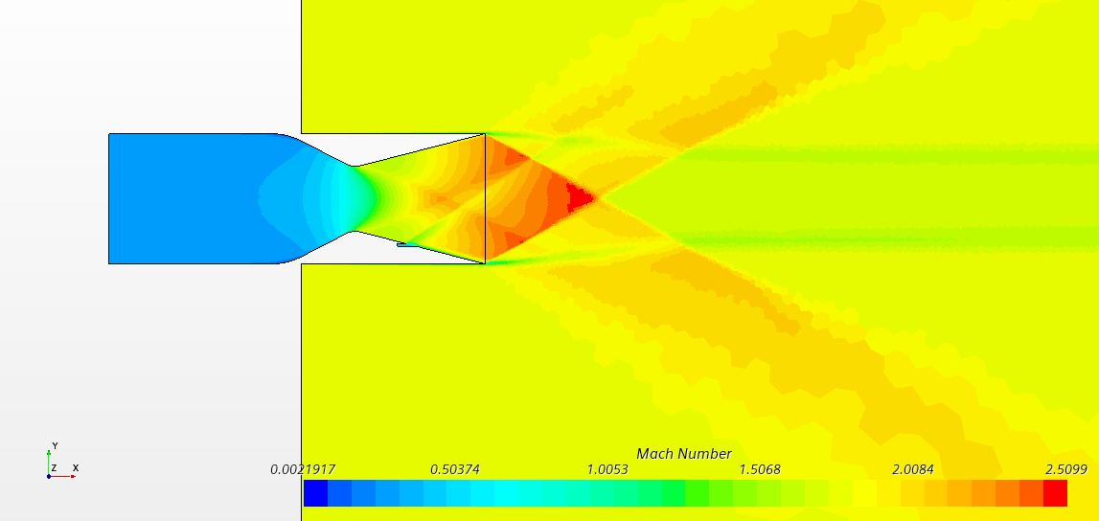
Mass Flow Rate Ratio | 0.038942900409 | - | Calculated |  |  |  |  | Pressure_stag=2,7bar / Pressure_second=1bar |  |  |  |  |  | 0.02 |  |  |  |  |  |  |  |  | Required Thrust Ratio | 0.2 | - | Given | Required Thrust Ratio | 0.2 | - | Given
Nozzle Efficiency | 2.4904 | - | Calculated |  |  |  |  | Measured Axial Thrust | 14232 | N | Measured |  |  |  |  |  |  |  |  |  |  |  | Resulting Angle of the Stream | 3.49 | deg | Calculated | Resulting Angle of the Stream | 4.15 | deg | Calculated
 | 249.04 | % | Converted |  |  |  |  | Measured Nominal Thrust | 492.886 | N | Measured |  |  | Pressure_stag=2,7bar / Pressure_second=1bar |  |  |  |  |  |  |  |  | Required Angle of the Stream | 0 | deg | Given | Required Angle of the Stream | 0 | deg | Given
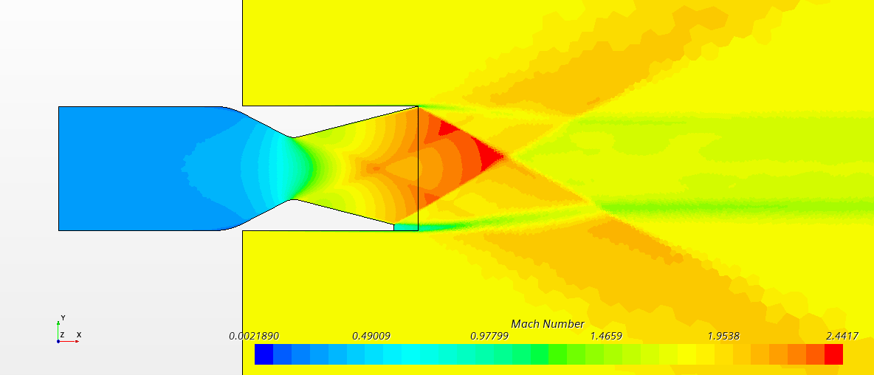
 |  |  |  |  |  |  |  | Resulting Thrust Ratio | 0.03 | - | Calculated |  |  | Measured Axial Thrust | 14931 | N | Measured |  |  |  |  |  | Measured Mass Flow Rate (Primary) | -21.5069 | kg/s | Measured | Measured Mass Flow Rate (Primary) | -21.5064 | kg/s | Measured
 |  |  |  |  |  |  |  | Required Thrust Ratio | 0.2 | - | Given |  |  | Measured Nominal Thrust | 200.481 | N | Measured |  |  |  |  |  | Measured Mass Flow Rate (Secondary) | -1.0100 | kg/s | Measured | Measured Mass Flow Rate (Secondary) | -2.0700 | kg/s | Measured
 |  |  |  |  |  |  |  | Resulting Angle of the Stream | 1.98 | deg | Calculated |  |  | Resulting Thrust Ratio | 0.01 | - | Calculated |  |  |  |  |  | Mass Flow Rate Ratio | 0.044855197652 | - | Calculated | Mass Flow Rate Ratio | 0.087799664071 | - | Calculated
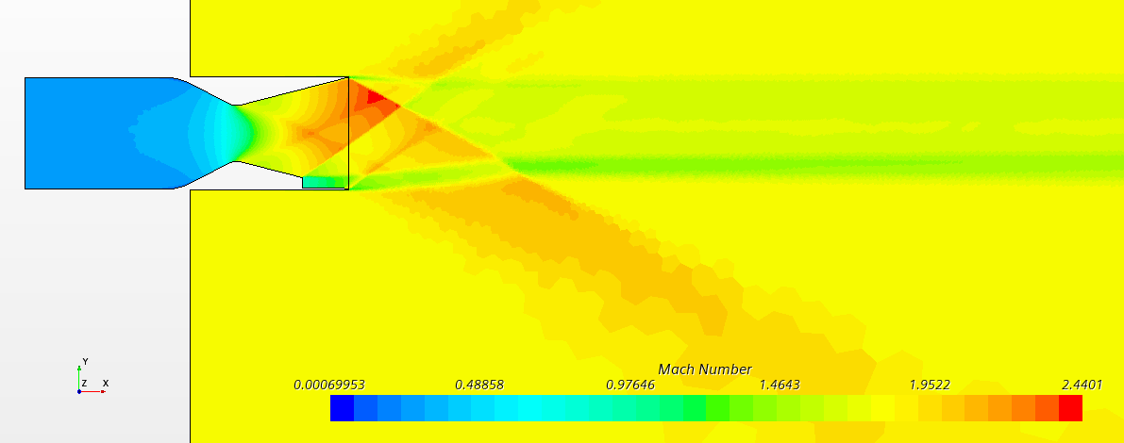
Co Flow Principle |  |  |  |  |  |  |  | Required Angle of the Stream | 0 | deg | Given |  |  | Required Thrust Ratio | 0.2 | - | Given |  |  |  |  |  | Nozzle Efficiency | 1.3583 | - | Calculated | Nozzle Efficiency | 0.8255 | - | Calculated
Pressure_stag=2,7bar / Pressure_second=1bar |  |  |  |  |  |  |  | Measured Mass Flow Rate (Primary) | -21.5062 | kg/s | Measured |  |  | Resulting Angle of the Stream | 0.77 | deg | Calculated |  |  |  |  |  |  | 135.83 | % | Converted |  | 82.55 | % | Converted
Measured Axial Thrust | 14468 | N | Measured |  |  |  |  | Measured Mass Flow Rate (Secondary) | -0.5113 | kg/s | Measured |  |  | Required Angle of the Stream | 0 | deg | Given
Measured Nominal Thrust | 564.93 | N | Measured |  |  |  |  | Mass Flow Rate Ratio | 0.023222436698 | - | Calculated |  |  | Measured Mass Flow Rate (Primary) | -21.5062 | kg/s | Measured
Resulting Thrust Ratio | 0.04 | - | Calculated |  |  |  |  | Nozzle Efficiency | 1.4913 | - | Calculated |  |  | Measured Mass Flow Rate (Secondary) | -0.2110 | kg/s | Measured |  |  |  |  |  | Pressure_stag=2,7bar / Pressure_second=1,5bar |  |  |  | Pressure_stag=2,7bar / Pressure_second=1,5bar
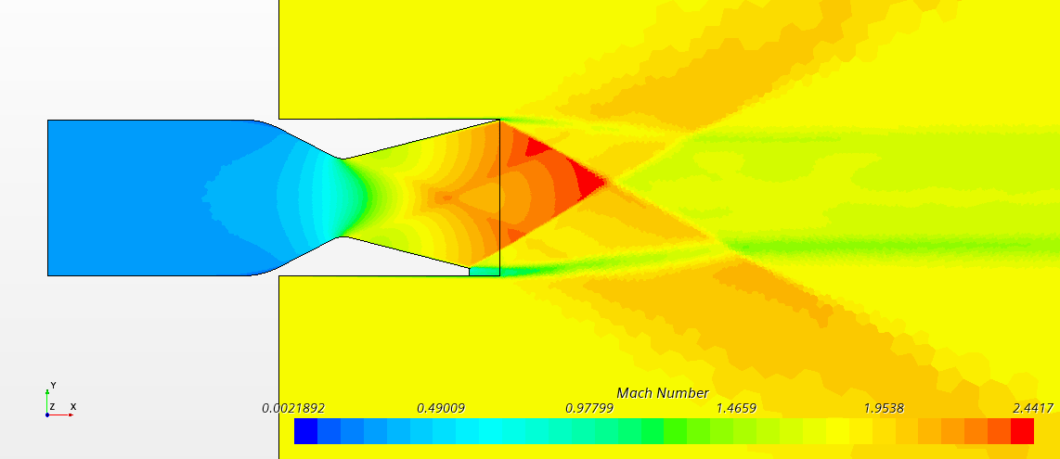
Required Thrust Ratio | 0.2 | - | Given |  |  |  |  |  | 149.13 | % | Converted |  |  | Mass Flow Rate Ratio | 0.009714889318 | - | Calculated |  |  |  |  |  | Measured Axial Thrust |  | N | Measured | Measured Axial Thrust | 14931 | N | Measured
Resulting Angle of the Stream | 2.24 | deg | Calculated |  |  |  |  |  |  |  |  |  |  | Nozzle Efficiency | 1.3821 | - | Calculated |  |  |  |  |  | Measured Nominal Thrust |  | N | Measured | Measured Nominal Thrust | 1377.67 | N | Measured
Required Angle of the Stream | 0 | deg | Given |  |  |  |  |  |  |  |  |  |  |  | 138.21 | % | Converted |  |  |  |  |  | Resulting Thrust Ratio | #DIV/0! | - | Calculated | Resulting Thrust Ratio | 0.09 | - | Calculated
Measured Mass Flow Rate (Primary) | -21.5067 | kg/s | Measured |  |  |  |  | Pressure_stag=2,7bar / Pressure_second=1,5bar |  |  |  |  |  |  |  |  |  |  |  |  |  |  | Required Thrust Ratio | 0.2 | - | Given | Required Thrust Ratio | 0.2 | - | Given
Measured Mass Flow Rate (Secondary) | -0.7911 | kg/s | Measured |  |  |  |  | Measured Axial Thrust | 14583 | N | Measured |  |  |  |  |  |  |  |  |  |  |  | Resulting Angle of the Stream | #DIV/0! | deg | Calculated | Resulting Angle of the Stream | 5.27 | deg | Calculated
Mass Flow Rate Ratio | 0.035476673655 | - | Calculated |  |  |  |  | Measured Nominal Thrust | 838.346 | N | Measured |  |  | Pressure_stag=2,7bar / Pressure_second=1,5bar |  |  |  |  |  |  |  |  | Required Angle of the Stream | 0 | deg | Given | Required Angle of the Stream | 0 | deg | Given
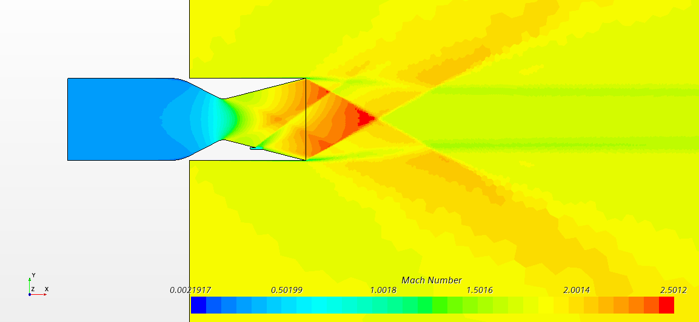
Nozzle Efficiency | 1.1006 | - | Calculated |  |  |  |  | Resulting Thrust Ratio | 0.06 | - | Calculated |  |  | Measured Axial Thrust | 14931 | N | Measured |  |  |  |  |  | Measured Mass Flow Rate (Primary) |  | kg/s | Measured | Measured Mass Flow Rate (Primary) | -21.5064 | kg/s | Measured
 | 110.06 | % | Converted |  |  |  |  | Required Thrust Ratio | 0.2 | - | Given |  |  | Measured Nominal Thrust | 336.4688 | N | Measured |  |  |  |  |  | Measured Mass Flow Rate (Secondary) |  | kg/s | Measured | Measured Mass Flow Rate (Secondary) | -3.3986 | kg/s | Measured
 |  |  |  |  |  |  |  | Resulting Angle of the Stream | 3.29 | deg | Calculated |  |  | Resulting Thrust Ratio | 0.02 | - | Calculated |  |  |  |  |  | Mass Flow Rate Ratio | #DIV/0! | - | Calculated | Mass Flow Rate Ratio | 0.13646244813 | - | Calculated
 |  |  |  |  |  |  |  | Required Angle of the Stream | 0 | deg | Given |  |  | Required Thrust Ratio | 0.2 | - | Given |  |  |  |  |  | Nozzle Efficiency | #DIV/0! | - | Calculated | Nozzle Efficiency | 0.6761 | - | Calculated
Pressure_stag=2,7bar / Pressure_second=1,5bar |  |  |  |  |  |  |  | Measured Mass Flow Rate (Primary) | 21.5062 | kg/s | Measured |  |  | Resulting Angle of the Stream | 1.29 | deg | Calculated |  |  |  |  |  |  | #DIV/0! | % | Converted |  | 67.61 | % | Converted
Measured Axial Thrust | 14522 | N | Measured |  |  |  |  | Measured Mass Flow Rate (Secondary) | 1.0927 | kg/s | Measured |  |  | Required Angle of the Stream | 0 | deg | Given
Measured Nominal Thrust | 593.168 | N | Measured |  |  |  |  | Mass Flow Rate Ratio | 0.048351910934 | - | Calculated |  |  | Measured Mass Flow Rate (Primary) | 21.5059 | kg/s | Measured
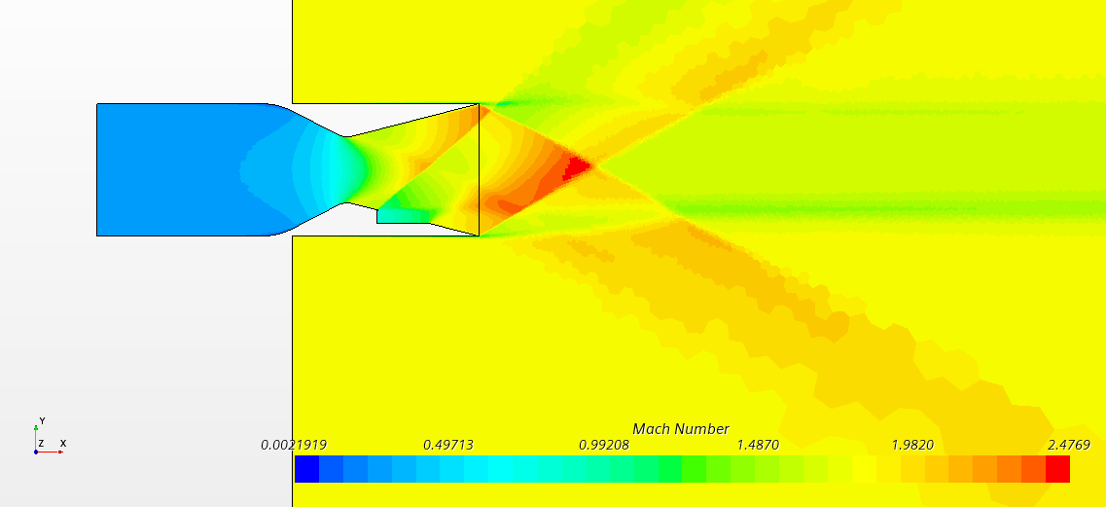
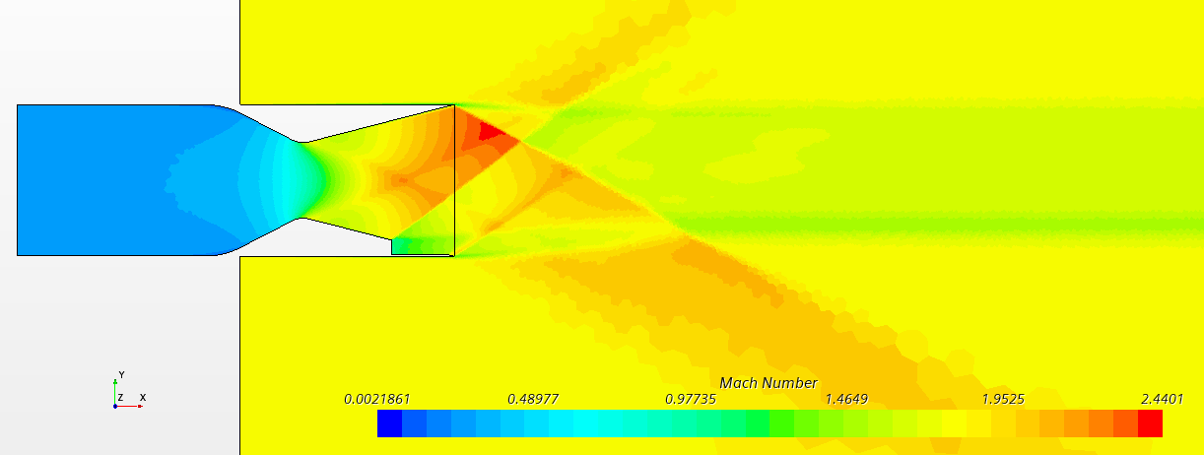
Resulting Thrust Ratio | 0.04 | - | Calculated |  |  |  |  | Nozzle Efficiency | 1.1889 | - | Calculated |  |  | Measured Mass Flow Rate (Secondary) | 0.4383 | kg/s | Measured |  |  |  |  |  | Pressure_stag=2,7bar / Pressure_second=2bar |  |  |  | Pressure_stag=2,7bar / Pressure_second=2bar
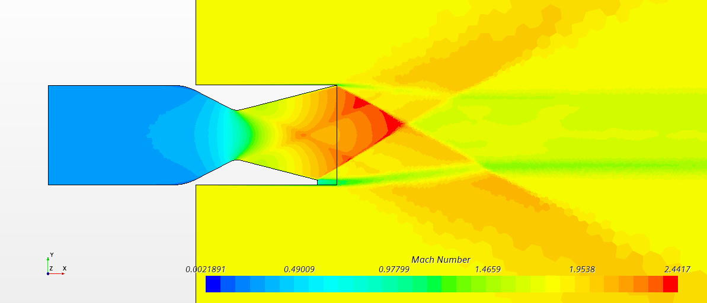
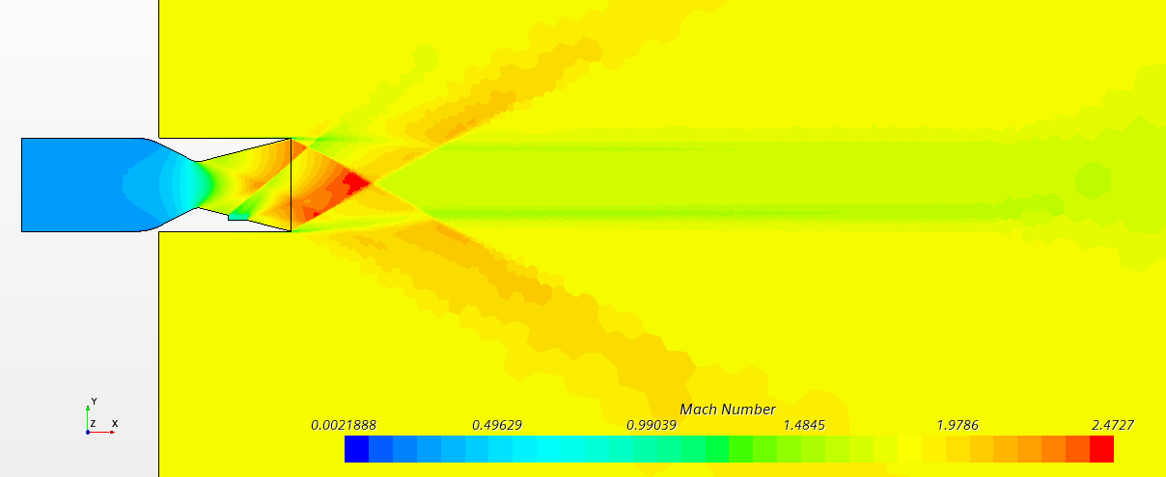
Required Thrust Ratio | 0.2 | - | Given |  |  |  |  |  | 118.89 | % | Converted |  |  | Mass Flow Rate Ratio | 0.019973387045 | - | Calculated |  |  |  |  |  | Measured Axial Thrust | 14931 | N | Measured | Measured Axial Thrust | 16111 | N | Measured
Resulting Angle of the Stream | 2.34 | deg | Calculated |  |  |  |  |  |  |  |  |  |  | Nozzle Efficiency | 1.1282 | - | Calculated |  |  |  |  |  | Measured Nominal Thrust | 1901.0485 | N | Measured | Measured Nominal Thrust | 1570.6966 | N | Measured
Required Angle of the Stream | 0 | deg | Given |  |  |  |  |  |  |  |  |  |  |  | 112.82 | % | Converted |  |  |  |  |  | Resulting Thrust Ratio | 0.13 | - | Calculated | Resulting Thrust Ratio | 0.10 | - | Calculated
Measured Mass Flow Rate (Primary) | 21.5066 | kg/s | Measured |  |  |  |  | Pressure_stag=2,7bar / Pressure_second=2bar |  |  |  |  |  |  |  |  |  |  |  |  |  |  | Required Thrust Ratio | 0.2 | - | Given | Required Thrust Ratio | 0.2 | - | Given
Measured Mass Flow Rate (Secondary) | 0.7706 | kg/s | Measured |  |  |  |  | Measured Axial Thrust | 14931 | N | Measured |  |  |  |  |  |  |  |  |  |  |  | Resulting Angle of the Stream | 7.26 | deg | Calculated | Resulting Angle of the Stream | 5.57 | deg | Calculated
Mass Flow Rate Ratio | 0.034591420825 | - | Calculated |  |  |  |  | Measured Nominal Thrust | 1033.57 | N | Measured |  |  |  |  |  |  |  |  |  |  |  | Required Angle of the Stream | 0 | deg | Given | Required Angle of the Stream | 0 | deg | Given
Nozzle Efficiency | 1.1809 | - | Calculated |  |  |  |  | Resulting Thrust Ratio | 0.07 | - | Calculated |  |  |  |  |  |  |  |  |  |  |  | Measured Mass Flow Rate (Primary) | -21.5069 | kg/s | Measured | Measured Mass Flow Rate (Primary) | -21.5067 | kg/s | Measured
 | 118.09 | % | Converted |  |  |  |  | Required Thrust Ratio | 0.2 | - | Given |  |  |  |  |  |  |  |  |  |  |  | Measured Mass Flow Rate (Secondary) | -3.1260 | kg/s | Measured | Measured Mass Flow Rate (Secondary) | -3.1060 | kg/s | Measured
 |  |  |  |  |  |  |  | Resulting Angle of the Stream | 3.96 | deg | Calculated |  |  |  |  |  |  |  |  |  |  |  | Mass Flow Rate Ratio | 0.12690238693 | - | Calculated | Mass Flow Rate Ratio | 0.12619526951 | - | Calculated
 |  |  |  |  |  |  |  | Required Angle of the Stream | 0 | deg | Given |  |  |  |  |  |  |  |  |  |  |  | Nozzle Efficiency | 1.0033 | - | Calculated | Nozzle Efficiency | 0.7726 | - | Calculated
Pressure_stag=2,7bar / Pressure_second=2bar |  |  |  |  |  |  |  | Measured Mass Flow Rate (Primary) | 21.5062 | kg/s | Measured |  |  |  |  |  |  |  |  |  |  |  |  | 100.33 | % | Converted |  | 77.26 | % | Converted
Measured Axial Thrust | 14548 | N | Measured |  |  |  |  | Measured Mass Flow Rate (Secondary) | 1.5880 | kg/s | Measured
Measured Nominal Thrust | 618.204 | N | Measured |  |  |  |  | Mass Flow Rate Ratio | 0.068761913175 | - | Calculated
Resulting Thrust Ratio | 0.04 | - | Calculated |  |  |  |  | Nozzle Efficiency | 1.0067 | - | Calculated |  |  |  |  |  |  |  |  |  |  |  | Pressure_stag=2,7bar / Pressure_second=2,7bar |  |  |  | Pressure_stag=2,7bar / Pressure_second=2,7bar
Required Thrust Ratio | 0.2 | - | Given |  |  |  |  |  | 100.67 | % | Converted |  |  |  |  |  |  |  |  |  |  |  | Measured Axial Thrust | 14931 | N | Measured | Measured Axial Thrust |  | N | Measured
Resulting Angle of the Stream | 2.43 | deg | Calculated |  |  |  |  |  |  |  |  |  |  |  |  |  |  |  |  |  |  |  | Measured Nominal Thrust | 2178.825 | N | Measured | Measured Nominal Thrust |  | N | Measured
Required Angle of the Stream | 0 | deg | Given |  |  |  |  |  |  |  |  |  |  |  |  |  |  |  |  |  |  |  | Resulting Thrust Ratio | 0.15 | - | Calculated | Resulting Thrust Ratio | #DIV/0! | - | Calculated
Measured Mass Flow Rate (Primary) | 21.5067 | kg/s | Measured |  |  |  |  | Pressure_stag=2,7bar / Pressure_second=2,7bar |  |  |  |  |  |  |  |  |  |  |  |  |  |  | Required Thrust Ratio | 0.2 | - | Given | Required Thrust Ratio | 0.2 | - | Given
Measured Mass Flow Rate (Secondary) | 1.1500 | kg/s | Measured |  |  |  |  | Measured Axial Thrust |  | N | Measured |  |  |  |  |  |  |  |  |  |  |  | Resulting Angle of the Stream | 8.30 | deg | Calculated | Resulting Angle of the Stream | #DIV/0! | deg | Calculated
Mass Flow Rate Ratio | 0.050757724553 | - | Calculated |  |  |  |  | Measured Nominal Thrust |  | N | Measured |  |  |  |  |  |  |  |  |  |  |  | Required Angle of the Stream | 0 | deg | Given | Required Angle of the Stream | 0 | deg | Given
Nozzle Efficiency | 0.8372 | - | Calculated |  |  |  |  | Resulting Thrust Ratio | #DIV/0! | - | Calculated |  |  |  |  |  |  |  |  |  |  |  | Measured Mass Flow Rate (Primary) | -21.5062 | kg/s | Measured | Measured Mass Flow Rate (Primary) |  | kg/s | Measured
 | 83.72 | % | Converted |  |  |  |  | Required Thrust Ratio | 0.2 | - | Given |  |  |  |  |  |  |  |  |  |  |  | Measured Mass Flow Rate (Secondary) | -4.3040 | kg/s | Measured | Measured Mass Flow Rate (Secondary) |  | kg/s | Measured
 |  |  |  |  |  |  |  | Resulting Angle of the Stream | #DIV/0! | deg | Calculated |  |  |  |  |  |  |  |  |  |  |  | Mass Flow Rate Ratio | 0.16675590794 | - | Calculated | Mass Flow Rate Ratio | #DIV/0! | - | Calculated
 |  |  |  |  |  |  |  | Required Angle of the Stream | 0 | deg | Given |  |  |  |  |  |  |  |  |  |  |  | Nozzle Efficiency | 0.8751 | - | Calculated | Nozzle Efficiency | #DIV/0! | - | Calculated
Pressure_stag=2,7bar / Pressure_second=2,7bar |  |  |  |  |  |  |  | Measured Mass Flow Rate (Primary) |  | kg/s | Measured |  |  |  |  |  |  |  |  |  |  |  |  | 87.51 | % | Converted |  | #DIV/0! | % | Converted
Measured Axial Thrust |  | N | Measured |  |  |  |  | Measured Mass Flow Rate (Secondary) |  | kg/s | Measured
Measured Nominal Thrust |  | N | Measured |  |  |  |  | Mass Flow Rate Ratio | #DIV/0! | - | Calculated
Resulting Thrust Ratio | #DIV/0! | - | Calculated |  |  |  |  | Nozzle Efficiency | #DIV/0! | - | Calculated
Required Thrust Ratio | 0.2 | - | Given |  |  |  |  |  | #DIV/0! | % | Converted
Resulting Angle of the Stream | #DIV/0! | deg | Calculated
Required Angle of the Stream | 0 | deg | Given
Measured Mass Flow Rate (Primary) |  | kg/s | Measured
Measured Mass Flow Rate (Secondary) |  | kg/s | Measured
Mass Flow Rate Ratio | #DIV/0! | - | Calculated
Nozzle Efficiency | #DIV/0! | - | Calculated
 | #DIV/0! | % | Converted

²

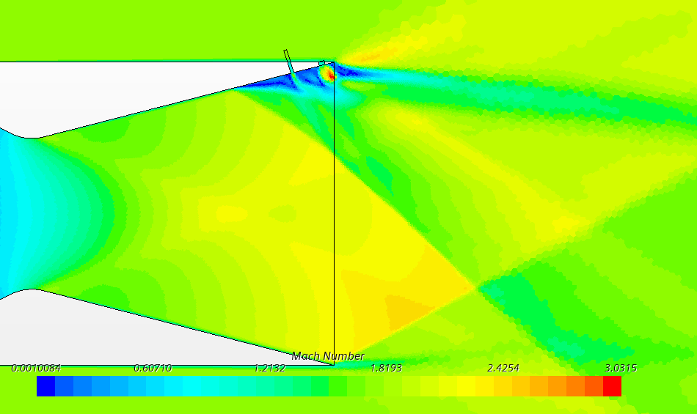
2 Slot Study

x1= 0,21m @0,08in and x2=0,28m @0,08in
Slot 1 Width | 0.08 | in | Chosen
Slot 2 Width | 0.08 | in | Chosen
Slot 1 X Position | 0.21 | m | Chosen
Slot 2 X Position | 0.28 | m | Chosen
Measured Axial Thrust | 14911 | N | Measured
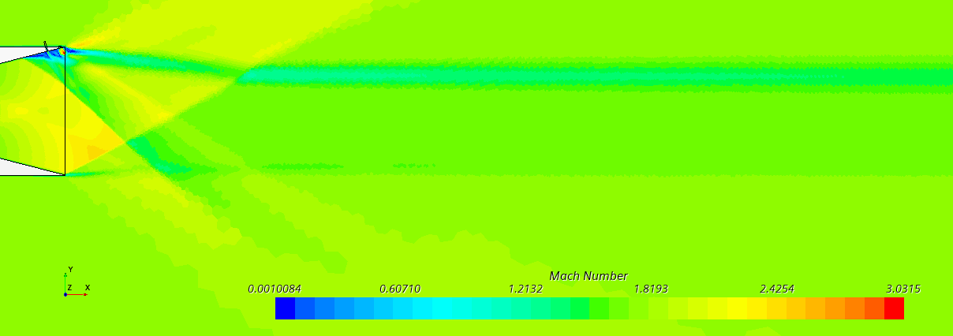
Measured Nominal Thrust | 1146.00 | N | Measured
Resulting Thrust Ratio | 0.08 | - | Calculated
Required Thrust Ratio | 0.2 | - | Given
Resulting Angle of the Stream | 4.39 | deg | Calculated
Required Angle of the Stream | 0 | deg | Given
Measured Mass Flow Rate (Primary) | 21.5200 | kg/s | Measured
Measured Mass Flow Rate (Secondary) | 1.7227 | kg/s | Measured
Mass Flow Rate Ratio | 0.074117895081 | - | Calculated
Nozzle Efficiency | 1.0369 | - | Calculated
 | 103.69 | % | Converted

x1= 0,28m @0,04in and x2=0,29m @0,08in
Slot 1 Width | 0.04 | in | Chosen
Slot 2 Width | 0.08 | in | Chosen
Slot 1 X Position | 0.28 | m | Chosen
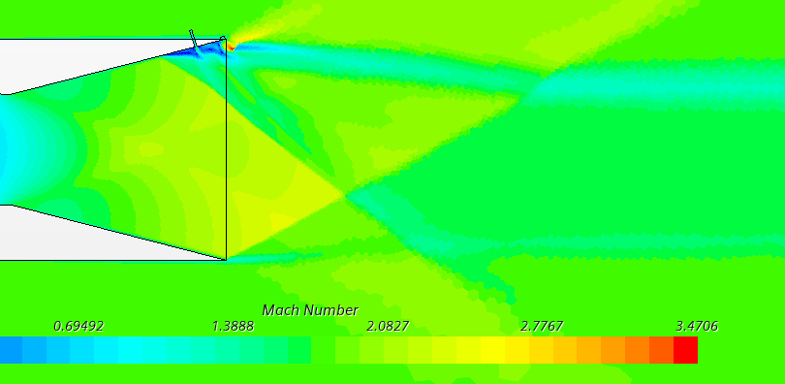
Slot 2 X Position | 0.29 | m | Chosen
Measured Axial Thrust | 14520 | N | Measured
Measured Nominal Thrust | 1928.68 | N | Measured
Resulting Thrust Ratio | 0.13 | - | Calculated
Required Thrust Ratio | 0.2 | - | Given
Resulting Angle of the Stream | 7.57 | deg | Calculated
Required Angle of the Stream | 0 | deg | Given
Measured Mass Flow Rate (Primary) | 21.5200 | kg/s | Measured
Measured Mass Flow Rate (Secondary) | 1.2800 | kg/s | Measured
Mass Flow Rate Ratio | 0.056140350877 | - | Calculated
Nozzle Efficiency | 2.3660 | - | Calculated
 | 236.60 | % | Converted

x1= 0,28m @0,04in and x2=0,295m @0,08in
Slot 1 Width | 0.04 | in | Chosen
Slot 2 Width | 0.08 | in | Chosen
Slot 1 X Position | 0.28 | m | Chosen
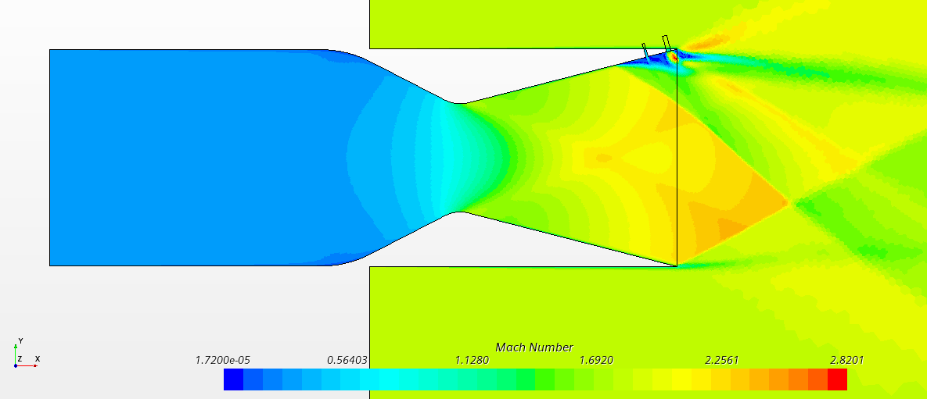
Slot 2 X Position | 0.295 | m | Chosen
Measured Axial Thrust | 14313 | N | Measured
Measured Nominal Thrust | 1214.00 | N | Measured
Resulting Thrust Ratio | 0.08 | - | Calculated
Required Thrust Ratio | 0.2 | - | Given
Resulting Angle of the Stream | 4.85 | deg | Calculated
Required Angle of the Stream | 0 | deg | Given
Measured Mass Flow Rate (Primary) | 21.5200 | kg/s | Measured
Measured Mass Flow Rate (Secondary) | 0.7320 | kg/s | Measured
Mass Flow Rate Ratio | 0.032895919468 | - | Calculated
Nozzle Efficiency | 2.5784 | - | Calculated
 | 257.84 | % | Converted

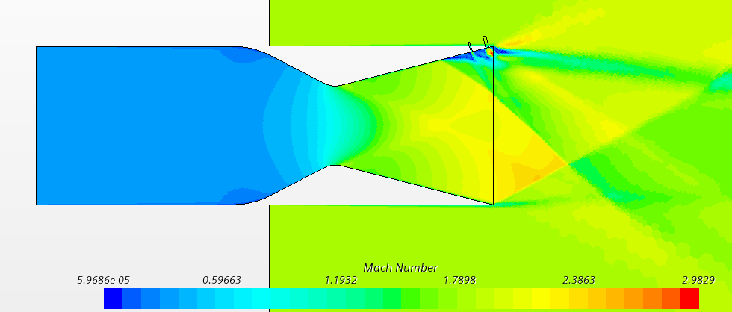
x1= 0,28m @0,04in @0,9bar and x2=0,29m @0,08in @2.7
Slot 1 Width | 0.04 | in | Chosen
Slot 2 Width | 0.08 | in | Chosen
Slot 1 X Position | 0.28 | m | Chosen
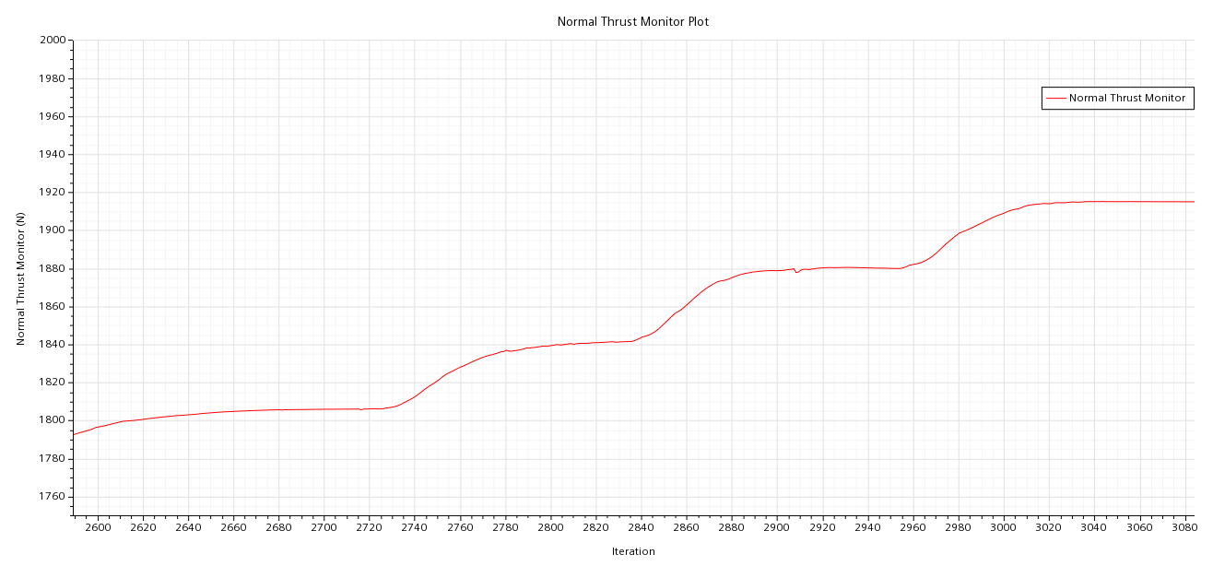
Slot 2 X Position | 0.29 | m | Chosen
Measured Axial Thrust | 14397 | N | Measured
Measured Nominal Thrust | 1545.42 | N | Measured
Resulting Thrust Ratio | 0.11 | - | Calculated
Required Thrust Ratio | 0.2 | - | Given
Resulting Angle of the Stream | 6.13 | deg | Calculated
Required Angle of the Stream | 0 | deg | Given
Measured Mass Flow Rate (Primary) | 21.5264 | kg/s | Measured
Measured Mass Flow Rate (Secondary) | 0.9659 | kg/s | Measured
Mass Flow Rate Ratio | 0.042943025323 | - | Calculated
Nozzle Efficiency | 2.4997 | - | Calculated
 | 249.97 | % | Converted

 |  |  |  |  |  |  |  |  |  |  |  | increqsing SPR of Upstream Slot by 0.2bar each Step

x1= 0,28m @0,04in @2,7bar and x2=0,29m @0,08in @2.7
Slot 1 Width | 0.04 | in | Chosen
Slot 2 Width | 0.08 | in | Chosen
Slot 1 X Position | 0.28 | m | Chosen
Slot 2 X Position | 0.29 | m | Chosen
Measured Axial Thrust | 14515 | N | Measured
Measured Nominal Thrust | 1915.02 | N | Measured
Resulting Thrust Ratio | 0.13 | - | Calculated
Required Thrust Ratio | 0.2 | - | Given
Resulting Angle of the Stream | 7.52 | deg | Calculated
Required Angle of the Stream | 0 | deg | Given
Measured Mass Flow Rate (Primary) | 21.5264 | kg/s | Measured
Measured Mass Flow Rate (Secondary) | 1.2764 | kg/s | Measured
Mass Flow Rate Ratio | 0.055977277866 | - | Calculated
Nozzle Efficiency | 2.3569 | - | Calculated
 | 235.69 | % | Converted

x1= 0,28m @0,04in @2,7bar and x2=0,29m @0,08in @2.7
Slot 1 Width (Upstream) | 0.04 | in | Chosen
Slot 2 Width (Downstream) | 0.08 | in | Chosen
Slot 1 X Position (Upstream) | 0.28 | m | Chosen
Slot 2 X Position (Downstream) | 0.29 | m | Chosen
Measured Axial Thrust | 14515 | N | Measured
Measured Nominal Thrust | 1915.02 | N | Measured
Resulting Thrust Ratio | 0.13 | - | Calculated
Required Thrust Ratio | 0.2 | - | Given
Resulting Angle of the Stream | 7.52 | deg | Calculated
Required Angle of the Stream | 0 | deg | Given
Measured Mass Flow Rate (Primary) | 21.5264 | kg/s | Measured
Measured Mass Flow Rate (Secondary) | 1.2764 | kg/s | Measured
Mass Flow Rate Ratio | 0.055977277866 | - | Calculated
Nozzle Efficiency | 2.3569 | - | Calculated
 | 235.69 | % | Converted
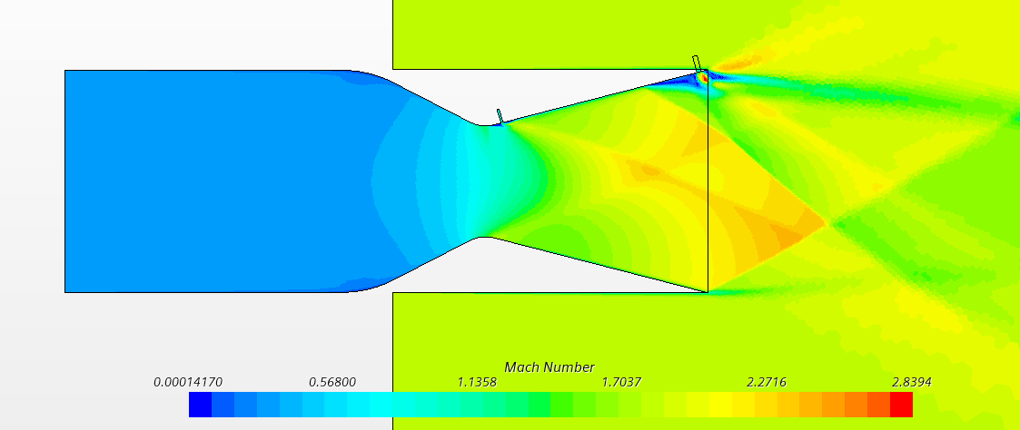
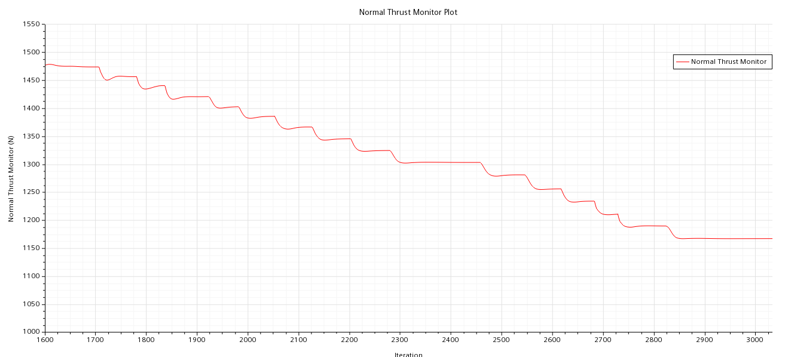

Run 1
Slot 1 Width (Upstream) | 0.04 | in | Chosen
Slot 2 Width (Downstream) | 0.08 | in | Chosen
Slot 1 X Position (Upstream) | 0.20 | m | Chosen
Slot 2 X Position (Downstream) | 0.29 | m | Chosen
Measured Axial Thrust | 14637 | N | Measured
Measured Nominal Thrust | 1167.12 | N | Measured
Resulting Thrust Ratio | 0.08 | - | Calculated
Required Thrust Ratio | 0.2 | - | Given
Resulting Angle of the Stream | 4.56 | deg | Calculated
Required Angle of the Stream | #REF! | deg | Given
Measured Mass Flow Rate (Primary) | 21.5015 | kg/s | Measured
Measured Mass Flow Rate (Secondary) | 1.2737 | kg/s | Measured
Mass Flow Rate Ratio | 0.055923007961 | - | Calculated
Nozzle Efficiency | 1.4258 | - | Calculated
 | 142.58 | % | Converted

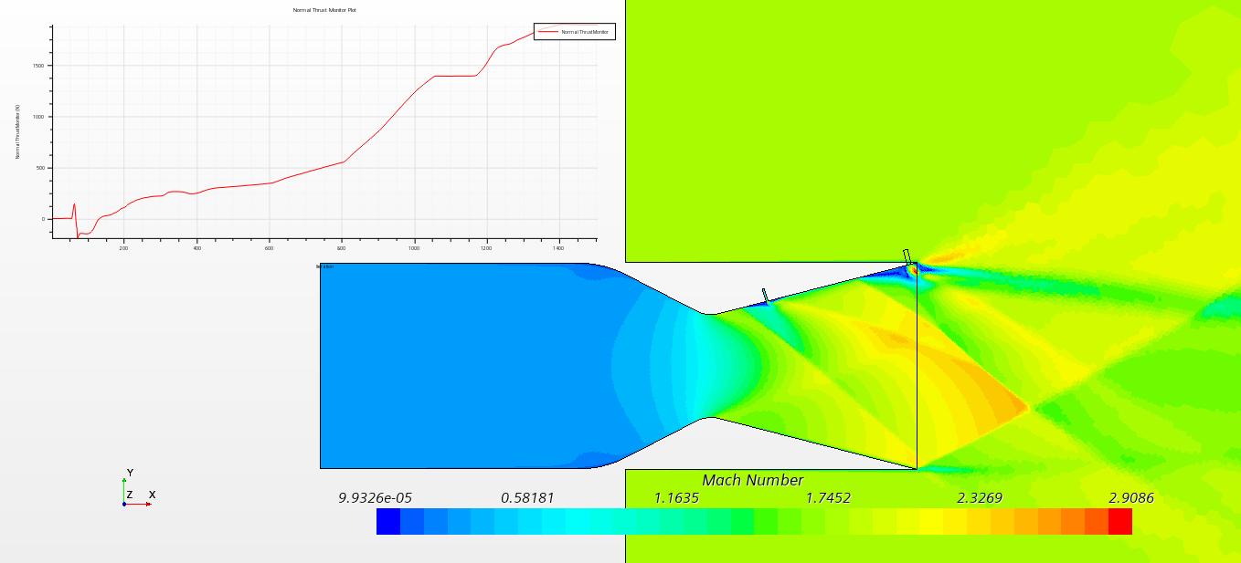
Run 2
Slot 1 Width (Upstream) | 0.04 | in | Chosen
Slot 2 Width (Downstream) | 0.08 | in | Chosen
Slot 1 X Position (Upstream) | 0.22 | m | Chosen
Slot 2 X Position (Downstream) | 0.29 | m | Chosen
Measured Axial Thrust | 14509 | N | Measured |  |  |  |  |  |  | Second Nozzle Position Summary
Measured Nominal Thrust | 1886.28 | N | Measured |  |  |  |  |  |  | x | Eff.
Resulting Thrust Ratio | 0.13 | - | Calculated |  |  |  |  |  |  | 0.20 | 143
Required Thrust Ratio | 0.2 | - | Given |  |  |  |  |  |  | 0.21 | 216
Resulting Angle of the Stream | 7.41 | deg | Calculated |  |  |  |  |  |  | 0.22 | 233
Required Angle of the Stream | 0 | deg | Given |  |  |  |  |  |  | 0.23 | 234
Measured Mass Flow Rate (Primary) | 21.5260 | kg/s | Measured |  |  |  |  |  |  | 0.24 | 238
Measured Mass Flow Rate (Secondary) | 1.2737 | kg/s | Measured |  |  |  |  |  |  | 0.25 | 247
Mass Flow Rate Ratio | 0.055865532437 | - | Calculated |  |  |  |  |  |  | 0.26 | 248
Nozzle Efficiency | 2.3271 | - | Calculated |  |  |  |  |  |  | 0.27 | 238
 | 232.71 | % | Converted |  |  |  |  |  |  | 0.28 | 236

Upstream Nozzle Position Study

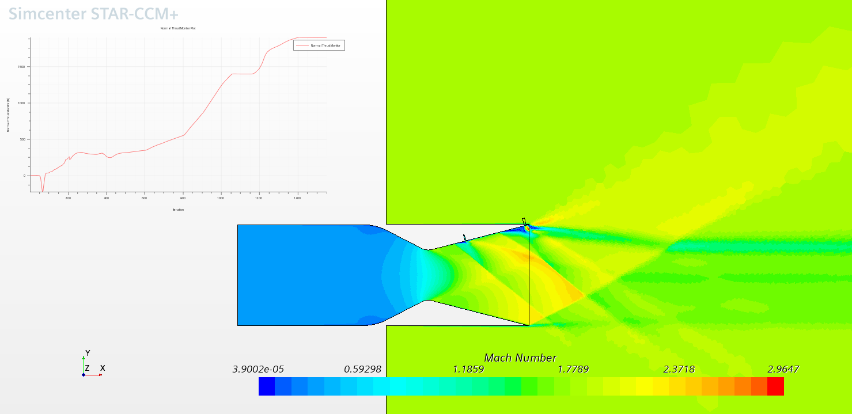
Run 3
Slot 1 Width (Upstream) | 0.04 | in | Chosen
Slot 2 Width (Downstream) | 0.08 | in | Chosen
Slot 1 X Position (Upstream) | 0.23 | m | Chosen
Slot 2 X Position (Downstream) | 0.29 | m | Chosen
Measured Axial Thrust | 14510 | N | Measured
Measured Nominal Thrust | 1893.85 | N | Measured
Resulting Thrust Ratio | 0.13 | - | Calculated
Required Thrust Ratio | 0.2 | - | Given
Resulting Angle of the Stream | 7.44 | deg | Calculated
Required Angle of the Stream | 0 | deg | Given
Measured Mass Flow Rate (Primary) | 21.5260 | kg/s | Measured
Measured Mass Flow Rate (Secondary) | 1.2737 | kg/s | Measured
Mass Flow Rate Ratio | 0.055866145989 | - | Calculated
Nozzle Efficiency | 2.3363 | - | Calculated
 | 233.63 | % | Converted

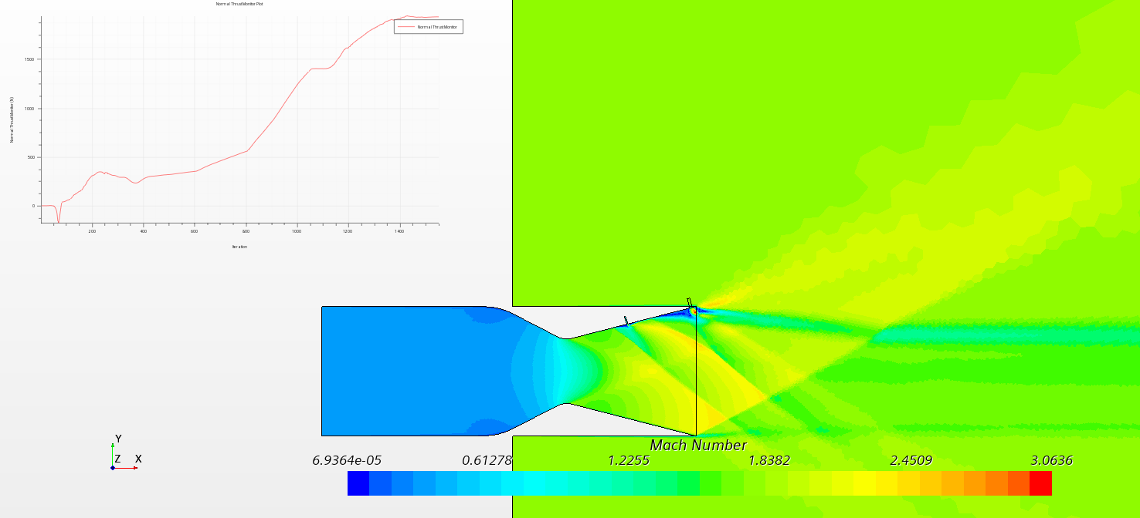
Run 4
Slot 1 Width (Upstream) | 0.04 | in | Chosen
Slot 2 Width (Downstream) | 0.08 | in | Chosen
Slot 1 X Position (Upstream) | 0.24 | m | Chosen
Slot 2 X Position (Downstream) | 0.29 | m | Chosen
Measured Axial Thrust | 14521 | N | Measured
Measured Nominal Thrust | 1932.80 | N | Measured
Resulting Thrust Ratio | 0.13 | - | Calculated
Required Thrust Ratio | 0.2 | - | Given
Resulting Angle of the Stream | 7.58 | deg | Calculated
Required Angle of the Stream | 0 | deg | Given
Measured Mass Flow Rate (Primary) | 21.5260 | kg/s | Measured
Measured Mass Flow Rate (Secondary) | 1.2738 | kg/s | Measured
Mass Flow Rate Ratio | 0.055866932774 | - | Calculated
Nozzle Efficiency | 2.3825 | - | Calculated
 | 238.25 | % | Converted

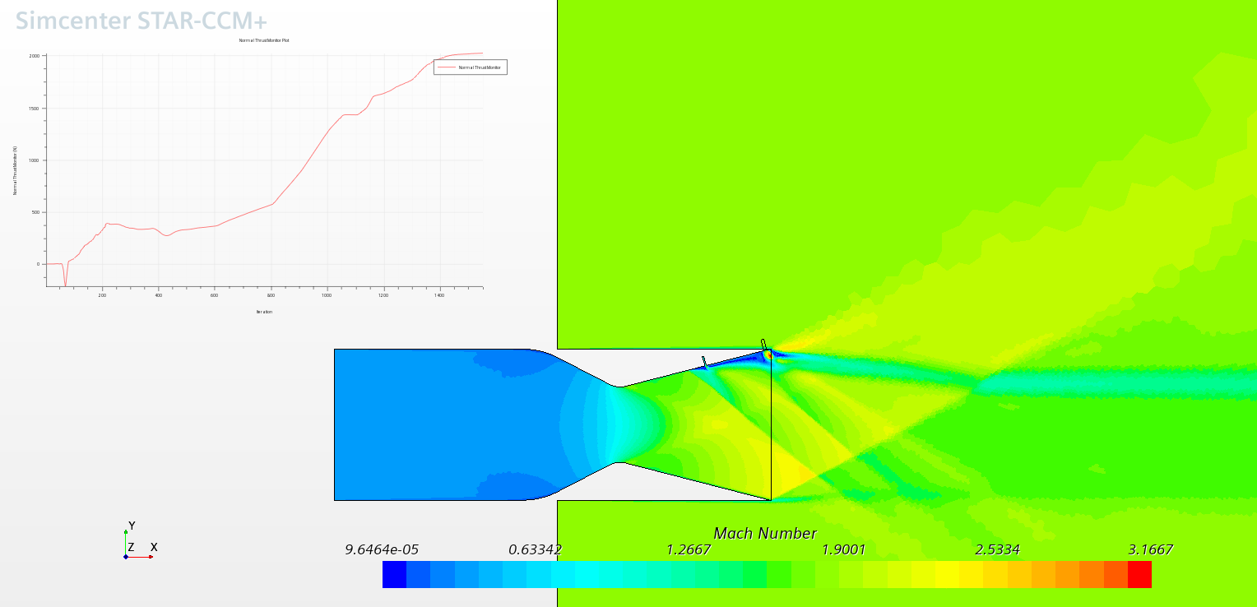
Run 5
Slot 1 Width (Upstream) | 0.04 | in | Chosen
Slot 2 Width (Downstream) | 0.08 | in | Chosen
Slot 1 X Position (Upstream) | 0.25 | m | Chosen
Slot 2 X Position (Downstream) | 0.29 | m | Chosen
Measured Axial Thrust | 14546 | N | Measured
Measured Nominal Thrust | 2022.35 | N | Measured
Resulting Thrust Ratio | 0.14 | - | Calculated
Required Thrust Ratio | 0.2 | - | Given
Resulting Angle of the Stream | 7.91 | deg | Calculated
Required Angle of the Stream | 0 | deg | Given
Measured Mass Flow Rate (Primary) | 21.5261 | kg/s | Measured
Measured Mass Flow Rate (Secondary) | 1.2825 | kg/s | Measured
Mass Flow Rate Ratio | 0.056227003718 | - | Calculated
Nozzle Efficiency | 2.4726 | - | Calculated
 | 247.26 | % | Converted

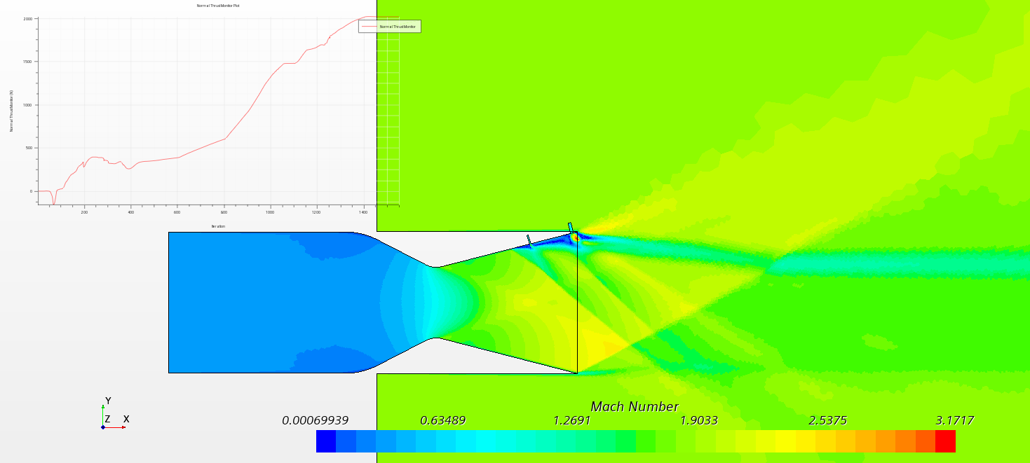
Run 6
Slot 1 Width (Upstream) | 0.04 | in | Chosen
Slot 2 Width (Downstream) | 0.08 | in | Chosen
Slot 1 X Position (Upstream) | 0.26 | m | Chosen
Slot 2 X Position (Downstream) | 0.29 | m | Chosen
Measured Axial Thrust | 14539 | N | Measured
Measured Nominal Thrust | 2014.78 | N | Measured
Resulting Thrust Ratio | 0.14 | - | Calculated
Required Thrust Ratio | 0.2 | - | Given
Resulting Angle of the Stream | 7.89 | deg | Calculated
Required Angle of the Stream | 0 | deg | Given
Measured Mass Flow Rate (Primary) | 21.5262 | kg/s | Measured
Measured Mass Flow Rate (Secondary) | 1.2738 | kg/s | Measured
Mass Flow Rate Ratio | 0.055866484123 | - | Calculated
Nozzle Efficiency | 2.4805 | - | Calculated
 | 248.05 | % | Converted

Run 7
Slot 1 Width (Upstream) | 0.04 | in | Chosen
Slot 2 Width (Downstream) | 0.08 | in | Chosen
Slot 1 X Position (Upstream) | 0.27 | m | Chosen
Slot 2 X Position (Downstream) | 0.29 | m | Chosen
Measured Axial Thrust | 14516 | N | Measured
Measured Nominal Thrust | 1954.20 | N | Measured
Resulting Thrust Ratio | 0.13 | - | Calculated
Required Thrust Ratio | 0.2 | - | Given
Resulting Angle of the Stream | 7.67 | deg | Calculated
Required Angle of the Stream | 0 | deg | Given
Measured Mass Flow Rate (Primary) | 21.5263 | kg/s | Measured
Measured Mass Flow Rate (Secondary) | 1.2886 | kg/s | Measured |  |  |  |  | Method | Thrust Ratio | Blank TVA | Blank Eff | Efficiency | TVA*Eff
Mass Flow Rate Ratio | 0.056481501449 | - | Calculated |  |  |  |  | One Slot | 0.097 |  |  | 249 | 241.49342059
Nozzle Efficiency | 2.3834 | - | Calculated |  |  |  |  | Two Slots | 0.139 |  |  | 248 | 343.66711311
 | 238.34 | % | Converted |  |  |  |  | Nozzle Slot | 0.053 |  |  | 137 | 72.714504454
 |  |  |  |  |  |  |  | Coflow | 0.035 |  |  | 149 | 51.602446787

Method Comparison
 | Thrust Ratio | Blank TVA | Blank Eff | Efficiency | Thrust Ratio*Efficiency*10
One Slot | 0.097 |  |  | 249 | 241.49342059
Two Slots | 0.139 |  |  | 248 | 343.66711311
Nozzle Slot | 0.053 |  |  | 137 | 72.714504454
Coflow | 0.035 |  |  | 149 | 51.602446787
Run 8
Slot 1 Width (Upstream) | 0.04 | in | Chosen
Slot 2 Width (Downstream) | 0.08 | in | Chosen
Slot 1 X Position (Upstream) | 0.28 | m | Chosen
Slot 2 X Position (Downstream) | 0.29 | m | Chosen
Measured Axial Thrust | 14515 | N | Measured
Measured Nominal Thrust | 1914.81 | N | Measured
Resulting Thrust Ratio | 0.13 | - | Calculated
Required Thrust Ratio | 0.2 | - | Given
Resulting Angle of the Stream | 7.51 | deg | Calculated
Required Angle of the Stream | 0 | deg | Given
Measured Mass Flow Rate (Primary) | 21.5264 | kg/s | Measured
Measured Mass Flow Rate (Secondary) | 1.2741 | kg/s | Measured
Mass Flow Rate Ratio | 0.055879979148 | - | Calculated
Nozzle Efficiency | 2.3607 | - | Calculated
 | 236.07 | % | Converted

Run 9
Slot 1 Width (Upstream) | 0.04 | in | Chosen
Slot 2 Width (Downstream) | 0.08 | in | Chosen
Slot 1 X Position (Upstream) | 0.21 | m | Chosen
Slot 2 X Position (Downstream) | 0.29 | m | Chosen
Measured Axial Thrust | 14477 | N | Measured
Measured Nominal Thrust | 1738.95 | N | Measured
Resulting Thrust Ratio | 0.12 | - | Calculated
Required Thrust Ratio | 0.2 | - | Given
Resulting Angle of the Stream | 6.85 | deg | Calculated
Required Angle of the Stream | 0 | deg | Given
Measured Mass Flow Rate (Primary) | 21.5230 | kg/s | Measured
Measured Mass Flow Rate (Secondary) | 1.2658 | kg/s | Measured
Mass Flow Rate Ratio | 0.055543212727 | - | Calculated
Nozzle Efficiency | 2.1626 | - | Calculated
 | 216.26 | % | Converted

Figure 9
Centerline, upper surface, static pressures for configuration 1, SPR=0.7 (Figure 9)
Experimental Data
NPR=2.0195 |  |  | NPR=2.5008 |  |  | NPR=3.0105 |  |  | NPR=3.5091 |  |  | NPR=3.9977 |  |  | NPR=5.003 |  |  | NPR=7.0141 |  |  | NPR=8.0038 |  |  | NPR=9.0056 |  |  | NPR=10.0031
x/xt | p/pt,j |  | x/xt | p/pt,j |  | x/xt | p/pt,j |  | x/xt | p/pt,j |  | x/xt | p/pt,j |  | x/xt | p/pt,j |  | x/xt | p/pt,j |  | x/xt | p/pt,j |  | x/xt | p/pt,j |  | x/xt | p/pt,j
0.44150214266 | 0.95128405724 |  | 0.44607048575 | 0.94605142389 |  | 0.43973649694 | 0.94756319672 |  | 0.44289921355 | 0.9490595695 |  | 0.44131642931 | 0.94906213617 |  | 0.43973649694 | 0.94756319672 |  | 0.43973364508 | 0.94906470285 |  | 0.44131357745 | 0.9505636423 |  | 0.44131357745 | 0.9505636423 |  | 0.44131357745 | 0.9505636423
0.54866604656 | 0.92948865631 |  | 0.55373118426 | 0.92936032246 |  | 0.54739434359 | 0.93237360142 |  | 0.54897997969 | 0.93086952861 |  | 0.55056276393 | 0.93086696194 |  | 0.54739719545 | 0.93087209529 |  | 0.5537283324 | 0.93086182858 |  | 0.54581726308 | 0.92937315584 |  | 0.54581726308 | 0.92937315584 |  | 0.54581726308 | 0.92937315584
0.6626798984 | 0.90119566088 |  | 0.66141184582 | 0.90215867814 |  | 0.66299748192 | 0.90065460534 |  | 0.66933147072 | 0.8991428325 |  | 0.66141184582 | 0.90215867814 |  | 0.65824912921 | 0.90066230537 |  | 0.66140899396 | 0.90366018427 |  | 0.65824912921 | 0.90066230537 |  | 0.65824912921 | 0.90066230537 |  | 0.65824912921 | 0.90066230537
0.76533877058 | 0.8512994573 |  | 0.76755820482 | 0.84943399636 |  | 0.76913528533 | 0.85243444193 |  | 0.76913813719 | 0.85093293581 |  | 0.77388934176 | 0.84942372965 |  | 0.7675525011 | 0.85243700861 |  | 0.77388078617 | 0.85392824803 |  | 0.7707152177 | 0.85393338138 |  | 0.7707152177 | 0.85393338138 |  | 0.7707152177 | 0.85393338138
0.88644897138 | 0.68677873806 |  | 0.88658357934 | 0.68257431557 |  | 0.88815780798 | 0.68707626727 |  | 0.88974629594 | 0.68407068834 |  | 0.89132908018 | 0.68406812166 |  | 0.89132052459 | 0.68857264004 |  | 0.88974629594 | 0.68407068834 |  | 0.88975485153 | 0.67956616996 |  | 0.88975485153 | 0.67956616996 |  | 0.88975485153 | 0.67956616996
1.0033046481 | 0.36226491804 |  | 0.99956870698 | 0.36257127662 |  | 0.99798592275 | 0.3625738433 |  | 1.002742831 | 0.35806162489 |  | 1.0011514912 | 0.36256870995 |  | 0.99799162647 | 0.35957083105 |  | 1.0043256153 | 0.35805905821 |  | 0.99798877461 | 0.36107233718 |  | 0.99798877461 | 0.36107233718 |  | 0.99798877461 | 0.36107233718
1.1128586418 | 0.28208726292 |  | 1.1089291161 | 0.28431585734 |  | 1.1200114576 | 0.28279638448 |  | 1.1200171614 | 0.27979337222 |  | 1.1184315253 | 0.28129744503 |  | 1.116848741 | 0.2813000117 |  | 1.1184343771 | 0.2797959389 |  | 1.110520456 | 0.27980877229 |  | 1.110520456 | 0.27980877229 |  | 1.110520456 | 0.27980877229
1.1629971397 | 0.28416811941 |  | 1.16433512 | 0.27972150526 |  | 1.1611695515 | 0.27972663862 |  | 1.1611638478 | 0.28272965087 |  | 1.1643322681 | 0.28122301139 |  | 1.1579954274 | 0.28423629035 |  | 1.1659207561 | 0.27821743246 |  | 1.1564154951 | 0.2827373509 |  | 1.1564154951 | 0.2827373509 |  | 1.1564154951 | 0.2827373509
1.2017478045 | 0.28194311833 |  | 1.2039047259 | 0.27965733834 |  | 1.2054818064 | 0.28265778391 |  | 1.2054875101 | 0.27965477166 |  | 1.2054789545 | 0.28415929004 |  | 1.2086473748 | 0.28265265056 |  | 1.2054875101 | 0.27965477166 |  | 1.199159225 | 0.27816353224 |  | 1.199159225 | 0.27816353224 |  | 1.199159225 | 0.27816353224
1.2473443105 | 0.27538269156 |  | 1.2482283882 | 0.27658245912 |  | 1.2466456039 | 0.2765850258 |  | 1.2482369438 | 0.27207794074 |  | 1.2513911048 | 0.27807883189 |  | 1.2466484558 | 0.27508351967 |  | 1.2466541595 | 0.27208050742 |  | 1.2498254317 | 0.26907236182 |  | 1.2498254317 | 0.26907236182 |  | 1.2498254317 | 0.26907236182
1.2906616072 | 0.26882596081 |  | 1.2893893339 | 0.27201120714 |  | 1.2846495368 | 0.26751438879 |  | 1.2909835256 | 0.26600261596 |  | 1.29097497 | 0.27050713434 |  | 1.2941376866 | 0.27200350711 |  | 1.2893950376 | 0.26900819489 |  | 1.2846523886 | 0.26601288267 |  | 1.2846523886 | 0.26601288267 |  | 1.2846523886 | 0.26601288267
1.3702409186 | 0.3703185349 |  | 1.3337272555 | 0.2614287973 |  | 1.328976051 | 0.26293800345 |  | 1.332150175 | 0.25842835172 |  | 1.3337272555 | 0.2614287973 |  | 1.3305588352 | 0.26293543678 |  | 1.3273989705 | 0.25993755788 |  | 1.3258104825 | 0.26294313681 |  | 1.3258104825 | 0.26294313681 |  | 1.3258104825 | 0.26294313681
1.408893023 | 0.41998558554 |  | 1.3796622207 | 0.24333629015 |  | 1.3717311884 | 0.25235816029 |  | 1.3764966523 | 0.2433414235 |  | 1.4160862212 | 0.23276671369 |  | 1.4160890731 | 0.23126520756 |  | 1.4224259137 | 0.2282519286 |  | 1.4129120971 | 0.23727636542 |  | 1.4129120971 | 0.23727636542 |  | 1.4129120971 | 0.23727636542
1.4544689956 | 0.42423600288 |  | 1.4522820726 | 0.34231762732 |  | 1.4604269947 | 0.22068279772 |  | 1.4572614262 | 0.22068793107 |  | 1.4588442105 | 0.2206853644 |  | 1.4620097789 | 0.22068023104 |  | 1.4588499142 | 0.21768235214 |  | 1.4556757901 | 0.22219200388 |  | 1.4556757901 | 0.22219200388 |  | 1.4556757901 | 0.22219200388
1.5000285414 | 0.43713509551 |  | 1.493366018 | 0.37828704074 |  | 1.4936312413 | 0.23864697101 |  | 1.5000165636 | 0.21010808791 |  | 1.5047763238 | 0.20409436337 |  | 1.5079447441 | 0.20258772389 |  | 1.4936882785 | 0.20861684849 |  | 1.5000137118 | 0.21160959403 |  | 1.5000137118 | 0.21160959403 |  | 1.5000137118 | 0.21160959403
1.5407155075 | 0.44878082836 |  | 1.5392525015 | 0.38572013774 |  | 1.5393380574 | 0.34067495395 |  | 1.5426177004 | 0.28060957555 |  | 1.5411575463 | 0.21604737881 |  | 1.5443573371 | 0.19802417194 |  | 1.5427831085 | 0.19352222024 |  | 1.53961754 | 0.19352735359 |  | 1.53961754 | 0.19352735359 |  | 1.5506856222 | 0.19951541136
1.5850077993 | 0.46222251653 |  | 1.5835590526 | 0.39165429528 |  | 1.5836246455 | 0.35711965438 |  | 1.5884300355 | 0.32708183183 |  | 1.5852787263 | 0.31957943455 |  | 1.5853557266 | 0.27903876914 |  | 1.587061141 | 0.21447143904 |  | 1.5902666355 | 0.19344521992 |  | 1.5871181783 | 0.18444131652 |  | 1.5918636791 | 0.18593512262
1.6293057948 | 0.47266119246 |  | 1.6278570482 | 0.40209297121 |  | 1.6263512643 | 0.36155487248 |  | 1.6263883385 | 0.34203529284 |  | 1.62957387 | 0.3315196166 |  | 1.6216827637 | 0.31952040098 |  | 1.6248711471 | 0.30750321861 |  | 1.6280367156 | 0.30749808526 |  | 1.6249110732 | 0.28648213285 |  | 1.6344077786 | 0.28646673278
1.6720267099 | 0.48009942281 |  | 1.6705808151 | 0.40802969543 |  | 1.6738262357 | 0.36598239054 |  | 1.672274822 | 0.34946838983 |  | 1.6738690137 | 0.34345979865 |  | 1.669140624 | 0.3329569558 |  | 1.6754860203 | 0.32543915846 |  | 1.6739060879 | 0.32394021901 |  | 1.6755116871 | 0.31192560332 |  | 1.6786658481 | 0.31792649447
1.7163190017 | 0.49354111098 |  | 1.713304582 | 0.41396641965 |  | 1.7149729221 | 0.36891866919 |  | 1.7150071445 | 0.35090059567 |  | 1.7166013362 | 0.34489200449 |  | 1.713450027 | 0.33738960722 |  | 1.7150499224 | 0.32837800378 |  | 1.7166212992 | 0.33438146161 |  | 1.7150499224 | 0.32837800378 |  | 1.7197982751 | 0.32837030375
1.7558772001 | 0.49948296856 |  | 1.7575968738 | 0.42740810783 |  | 1.7561024973 | 0.38086398459 |  | 1.7545681948 | 0.35534094712 |  | 1.7561538309 | 0.35383687432 |  | 1.7625134865 | 0.33881154635 |  | 1.7593564736 | 0.33431216133 |  | 1.7577651338 | 0.33881924638 |  | 1.7530338922 | 0.32981790966 |  | 1.7641133819 | 0.32979994292
1.8445330804 | 0.48882869175 |  | 1.8431328154 | 0.39273486636 |  | 1.8416755131 | 0.32667116349 |  | 1.843349557 | 0.27862040077 |  | 1.8481635026 | 0.24407805984 |  | 1.8450977493 | 0.19153047878 |  | 1.8467917562 | 0.13296917318 |  | 1.8436661139 | 0.11195322077 |  | 1.8422031079 | 0.048892530148 |  | 1.8501284365 | 0.042873672258
1.8888595945 | 0.48425230642 |  | 1.8858708416 | 0.39116405995 |  | 1.8859991755 | 0.32359628427 |  | 1.8908444915 | 0.27253737595 |  | 1.8893158927 | 0.24401132623 |  | 1.8878386274 | 0.18845816624 |  | 1.8879469982 | 0.13140093345 |  | 1.8848213558 | 0.11038498104 |  | 1.889686635 | 0.048815529834 |  | 1.8992004516 | 0.039791093014
1.9268492681 | 0.48268920004 |  | 1.928606016 | 0.39109475967 |  | 1.9334855544 | 0.32201777783 |  | 1.9304198011 | 0.26947019677 |  | 1.9320596227 | 0.23943750757 |  | 1.9353250063 | 0.1868796598 |  | 1.932262105 | 0.13283057262 |  | 1.9354761551 | 0.10729983512 |  | 1.935561711 | 0.062254651332 |  | 1.9403186193 | 0.057742432922
1.974335647 | 0.4811106936 |  | 1.9713525978 | 0.38501943488 |  | 1.9730580122 | 0.32045210478 |  | 1.9731549755 | 0.26940089649 |  | 1.9716320804 | 0.23787183452 |  | 1.9701462595 | 0.18682319291 |  | 1.9781599959 | 0.1342576451 |  | 1.9797855581 | 0.11173248654 |  | 1.9735057547 | 0.084715642973 |  | 1.9845966518 | 0.078691651729
CFD Data
NPR=2.0195 |  |  | NPR=2.5008 |  |  | NPR=3.0105 |  |  | NPR=3.5091 |  |  | NPR=3.9977 |  |  | NPR=5.003 |  |  | NPR=7.0141 |  |  | NPR=8.0038 |  |  | NPR=9.0056 |  |  | NPR=10.0031
x/xt | p | p/pt,j | x/xt | p | p/pt,j | x/xt | p | p/pt,j | x/xt | p | p/pt,j | x/xt | p | p/pt,j | x/xt | p | p/pt,j | x/xt | p | p/pt,j | x/xt | p | p/pt,j | x/xt | p | p/pt,j | x/xt | p | p/pt,j
0.44 | 1.91E+00 | 0.94437831146 | 0.44 | 2.39E+00 | 0.95369761676 | 0.44 | 2.87E+00 | 0.95369539944 | 0.44 | 3.35E+00 | 0.95370009404 | 0.44 | 3.81E+00 | 0.95370588088 | 0.44 | 4.77E+00 | 0.9537141715 | 0.44 | 6.69E+00 | 0.95370767454 | 0.44 | 7.63E+00 | 0.95370586471 | 0.44 | 8.59E+00 | 0.95370458381 | 0.44 | 9.54E+00 | 0.95370435165
0.55 | 1.87E+00 | 0.92454666997 | 0.55 | 2.33E+00 | 0.93360604607 | 0.55 | 2.81E+00 | 0.93360704202 | 0.55 | 3.28E+00 | 0.93360975749 | 0.55 | 3.73E+00 | 0.93361332766 | 0.55 | 4.67E+00 | 0.93361842894 | 0.55 | 6.55E+00 | 0.93359875109 | 0.55 | 7.47E+00 | 0.93359616682 | 0.55 | 8.41E+00 | 0.93359509638 | 0.55 | 9.34E+00 | 0.93359318611
0.66 | 1.82E+00 | 0.89951076999 | 0.66 | 2.27E+00 | 0.90832173704 | 0.66 | 2.73E+00 | 0.90833947849 | 0.66 | 3.19E+00 | 0.90835598872 | 0.66 | 3.63E+00 | 0.90836681092 | 0.66 | 4.54E+00 | 0.90835458725 | 0.66 | 6.37E+00 | 0.90835160605 | 0.66 | 7.27E+00 | 0.90835390689 | 0.66 | 8.18E+00 | 0.90835402416 | 0.66 | 9.09E+00 | 0.90835560976
0.77 | 1.72E+00 | 0.85126120327 | 0.77 | 2.15E+00 | 0.85970209533 | 0.77 | 2.59E+00 | 0.85974289985 | 0.77 | 3.02E+00 | 0.8597358297 | 0.77 | 3.44E+00 | 0.85973935013 | 0.77 | 4.30E+00 | 0.85974435339 | 0.77 | 6.03E+00 | 0.85975021742 | 0.77 | 6.88E+00 | 0.85975574102 | 0.77 | 7.74E+00 | 0.8597544861 | 0.77 | 8.60E+00 | 0.85975617559
0.89 | 1.29E+00 | 0.63871750433 | 0.89 | 1.61E+00 | 0.64511316379 | 0.89 | 1.94E+00 | 0.6449931905 | 0.89 | 2.26E+00 | 0.64486193041 | 0.89 | 2.58E+00 | 0.64475998699 | 0.89 | 3.22E+00 | 0.64443094144 | 0.89 | 4.52E+00 | 0.64426797451 | 0.89 | 5.16E+00 | 0.64420150429 | 0.89 | 5.80E+00 | 0.6442341432 | 0.89 | 6.44E+00 | 0.64417560556
1.00 | 7.42E-01 | 0.36718767022 | 1.00 | 9.27E-01 | 0.37085144754 | 1.00 | 1.12E+00 | 0.3707480485 | 1.00 | 1.30E+00 | 0.37061782223 | 1.00 | 1.48E+00 | 0.37049928709 | 1.00 | 1.85E+00 | 0.3703240056 | 1.00 | 2.60E+00 | 0.37011762022 | 1.00 | 2.96E+00 | 0.37004910168 | 1.00 | 3.33E+00 | 0.36998323266 | 1.00 | 3.70E+00 | 0.36993601983
1.11 | 5.51E-01 | 0.27264753652 | 1.11 | 6.90E-01 | 0.27573420505 | 1.11 | 8.29E-01 | 0.2755223717 | 1.11 | 9.66E-01 | 0.27528292155 | 1.11 | 1.10E+00 | 0.27512094454 | 1.11 | 1.38E+00 | 0.27499080552 | 1.11 | 1.93E+00 | 0.27475356781 | 1.11 | 2.20E+00 | 0.27465953672 | 1.11 | 2.47E+00 | 0.27459391934 | 1.11 | 2.75E+00 | 0.27453489418
1.16 | 5.72E-01 | 0.28302723446 | 1.16 | 7.15E-01 | 0.2857671945 | 1.16 | 8.60E-01 | 0.28555824614 | 1.16 | 1.00E+00 | 0.28538542646 | 1.16 | 1.14E+00 | 0.28526302624 | 1.16 | 1.43E+00 | 0.28517889266 | 1.16 | 2.00E+00 | 0.2850484025 | 1.16 | 2.28E+00 | 0.28500549739 | 1.16 | 2.57E+00 | 0.28497446034 | 1.16 | 2.85E+00 | 0.28494586678
1.20 | 5.74E-01 | 0.28418326318 | 1.20 | 7.15E-01 | 0.28601703455 | 1.20 | 8.60E-01 | 0.28574512539 | 1.20 | 1.00E+00 | 0.28562736884 | 1.20 | 1.14E+00 | 0.28558045876 | 1.20 | 1.43E+00 | 0.28557625425 | 1.20 | 2.00E+00 | 0.28549678505 | 1.20 | 2.28E+00 | 0.28547140108 | 1.20 | 2.57E+00 | 0.28545616061 | 1.20 | 2.86E+00 | 0.28544431226
1.24 | 6.46E-01 | 0.31990131221 | 1.24 | 6.99E-01 | 0.27958065419 | 1.24 | 8.41E-01 | 0.27943371533 | 1.24 | 9.80E-01 | 0.27936599128 | 1.24 | 1.12E+00 | 0.27932336093 | 1.24 | 1.40E+00 | 0.27934879073 | 1.24 | 1.96E+00 | 0.27933405569 | 1.24 | 2.24E+00 | 0.27931857368 | 1.24 | 2.52E+00 | 0.27929643777 | 1.24 | 2.79E+00 | 0.27928332217
1.29 | 9.05E-01 | 0.44822634315 | 1.29 | 6.77E-01 | 0.27075355886 | 1.29 | 8.15E-01 | 0.27068138183 | 1.29 | 9.50E-01 | 0.27063862529 | 1.29 | 1.08E+00 | 0.27057858269 | 1.29 | 1.35E+00 | 0.27058285029 | 1.29 | 1.90E+00 | 0.27056357908 | 1.29 | 2.17E+00 | 0.27056048377 | 1.29 | 2.44E+00 | 0.27054732611 | 1.29 | 2.71E+00 | 0.27053573392
1.33 | 9.45E-01 | 0.46811591978 | 1.33 | 6.50E-01 | 0.25974444178 | 1.33 | 7.82E-01 | 0.25968114931 | 1.33 | 9.11E-01 | 0.25962203984 | 1.33 | 1.04E+00 | 0.25957450534 | 1.33 | 1.30E+00 | 0.25956685988 | 1.33 | 1.82E+00 | 0.25952980425 | 1.33 | 2.08E+00 | 0.25950823359 | 1.33 | 2.34E+00 | 0.25949164964 | 1.33 | 2.60E+00 | 0.25948695904
1.37 | 9.66E-01 | 0.47835895024 | 1.37 | 6.07E-01 | 0.2427146913 | 1.37 | 7.32E-01 | 0.24318166418 | 1.37 | 8.53E-01 | 0.24317682597 | 1.37 | 9.72E-01 | 0.24313998049 | 1.37 | 1.22E+00 | 0.24307255647 | 1.37 | 1.70E+00 | 0.24307737272 | 1.37 | 1.95E+00 | 0.24305055099 | 1.37 | 2.19E+00 | 0.24302345207 | 1.37 | 2.43E+00 | 0.24299997001
1.46 | 9.80E-01 | 0.48515800941 | 1.46 | 9.61E-01 | 0.38419049904 | 1.46 | 6.63E-01 | 0.22007005481 | 1.46 | 7.64E-01 | 0.21775620529 | 1.46 | 8.70E-01 | 0.21774102609 | 1.46 | 1.09E+00 | 0.21763002199 | 1.46 | 1.53E+00 | 0.21761608759 | 1.46 | 1.74E+00 | 0.21759651665 | 1.46 | 1.96E+00 | 0.21759538509 | 1.46 | 2.18E+00 | 0.21759044696
1.50 | 9.84E-01 | 0.48708715028 | 1.50 | 1.01E+00 | 0.40377759117 | 1.50 | 1.05E+00 | 0.35019000166 | 1.50 | 7.75E-01 | 0.22078467413 | 1.50 | 8.09E-01 | 0.20243369938 | 1.50 | 1.01E+00 | 0.20117209674 | 1.50 | 1.41E+00 | 0.2011710697 | 1.50 | 1.61E+00 | 0.20115257753 | 1.50 | 1.81E+00 | 0.20112929733 | 1.50 | 2.01E+00 | 0.20112045266
1.54 | 9.82E-01 | 0.48618593711 | 1.54 | 1.02E+00 | 0.40849768074 | 1.54 | 1.12E+00 | 0.37087261252 | 1.54 | 1.19E+00 | 0.33844262061 | 1.54 | 1.18E+00 | 0.29498211472 | 1.54 | 9.63E-01 | 0.19245710574 | 1.54 | 1.34E+00 | 0.1903455896 | 1.54 | 1.52E+00 | 0.18933356656 | 1.54 | 1.71E+00 | 0.18943879364 | 1.54 | 1.90E+00 | 0.18944157311
1.59 | 9.77E-01 | 0.48379440456 | 1.59 | 1.03E+00 | 0.41155550224 | 1.59 | 1.14E+00 | 0.37723633948 | 1.59 | 1.25E+00 | 0.35668319512 | 1.59 | 1.38E+00 | 0.34400055032 | 1.59 | 1.62E+00 | 0.3237823306 | 1.59 | 1.96E+00 | 0.27967066338 | 1.59 | 2.10E+00 | 0.26230478023 | 1.59 | 1.94E+00 | 0.21525539664 | 1.59 | 2.20E+00 | 0.22001599504
1.63 | 9.78E-01 | 0.48423753404 | 1.63 | 1.03E+00 | 0.41063579655 | 1.63 | 1.14E+00 | 0.38013021093 | 1.63 | 1.27E+00 | 0.36274058875 | 1.63 | 1.41E+00 | 0.35284763739 | 1.63 | 1.71E+00 | 0.34146332201 | 1.63 | 2.34E+00 | 0.33294022041 | 1.63 | 2.64E+00 | 0.33032284665 | 1.63 | 2.95E+00 | 0.32750943857 | 1.63 | 3.29E+00 | 0.32869360498
1.67 | 1.00E+00 | 0.49653330032 | 1.67 | 1.02E+00 | 0.40659069098 | 1.67 | 1.13E+00 | 0.37657598406 | 1.67 | 1.27E+00 | 0.36148243139 | 1.67 | 1.41E+00 | 0.35288841084 | 1.67 | 1.72E+00 | 0.34332980212 | 1.67 | 2.36E+00 | 0.33675311159 | 1.67 | 2.68E+00 | 0.33496489168 | 1.67 | 3.02E+00 | 0.33518688372 | 1.67 | 3.31E+00 | 0.33048255041
1.71 | 1.02E+00 | 0.50298341174 | 1.71 | 1.04E+00 | 0.41610364683 | 1.71 | 1.14E+00 | 0.37784587278 | 1.71 | 1.26E+00 | 0.36023111339 | 1.71 | 1.40E+00 | 0.35034019561 | 1.71 | 1.71E+00 | 0.34113072157 | 1.71 | 2.36E+00 | 0.3360234385 | 1.71 | 2.68E+00 | 0.3343008321 | 1.71 | 3.04E+00 | 0.33708281514 | 1.71 | 3.29E+00 | 0.3291622597
1.76 | 9.99E-01 | 0.49487462243 | 1.76 | 1.07E+00 | 0.4258981126 | 1.76 | 1.19E+00 | 0.3951429995 | 1.76 | 1.33E+00 | 0.37940754039 | 1.76 | 1.49E+00 | 0.37203016735 | 1.76 | 1.82E+00 | 0.36318209075 | 1.76 | 2.50E+00 | 0.35702869933 | 1.76 | 2.84E+00 | 0.35490317099 | 1.76 | 3.22E+00 | 0.35805509905 | 1.76 | 3.51E+00 | 0.35115124311
1.85 | 9.83E-01 | 0.48662713543 | 1.85 | 9.88E-01 | 0.39512595969 | 1.85 | 9.86E-01 | 0.32760332171 | 1.85 | 9.79E-01 | 0.27909501012 | 1.85 | 9.75E-01 | 0.24378134928 | 1.85 | 9.64E-01 | 0.19268844693 | 1.85 | 9.04E-01 | 0.12887911493 | 1.85 | 8.68E-01 | 0.10844628801 | 1.85 | 8.13E-01 | 0.090281413787 | 1.85 | 7.86E-01 | 0.078580480051
1.89 | 9.82E-01 | 0.48603788066 | 1.89 | 9.85E-01 | 0.39388643634 | 1.89 | 9.84E-01 | 0.32701102807 | 1.89 | 9.79E-01 | 0.27900284973 | 1.89 | 9.73E-01 | 0.24343520024 | 1.89 | 9.67E-01 | 0.19337619428 | 1.89 | 9.07E-01 | 0.1293381617 | 1.89 | 8.71E-01 | 0.10880976536 | 1.89 | 8.24E-01 | 0.091524673536 | 1.89 | 7.92E-01 | 0.079217182673
1.93 | 9.72E-01 | 0.48141450854 | 1.93 | 9.81E-01 | 0.39225203935 | 1.93 | 9.78E-01 | 0.3249959143 | 1.93 | 9.75E-01 | 0.27773711208 | 1.93 | 9.70E-01 | 0.2425643495 | 1.93 | 9.63E-01 | 0.1925388367 | 1.93 | 9.17E-01 | 0.13070053179 | 1.93 | 8.94E-01 | 0.11172897874 | 1.93 | 8.63E-01 | 0.095884549614 | 1.93 | 8.44E-01 | 0.08435045136
1.98 | 9.72E-01 | 0.48116900223 | 1.98 | 9.81E-01 | 0.39210284709 | 1.98 | 9.76E-01 | 0.32406161767 | 1.98 | 9.68E-01 | 0.27575953948 | 1.98 | 9.61E-01 | 0.24026477725 | 1.98 | 9.59E-01 | 0.19176701979 | 1.98 | 9.14E-01 | 0.13029975335 | 1.98 | 8.93E-01 | 0.11160145181 | 1.98 | 8.87E-01 | 0.098468053211 | 1.98 | 9.03E-01 | 0.0902622587

 | 1.91E+00
 | 1.87E+00
 | 1.82E+00
 | 1.72E+00
 | 1.29E+00
 | 7.42E-01
 | 5.51E-01
 | 5.72E-01
 | 5.74E-01
 | 6.46E-01
 | 9.05E-01
 | 9.45E-01
 | 9.66E-01
 | 9.80E-01
 | 9.84E-01
 | 9.82E-01
 | 9.77E-01
 | 9.78E-01
 | 1.00E+00
 | 1.02E+00
 | 9.99E-01
 | 9.83E-01
 | 9.82E-01
 | 9.72E-01
 | 9.72E-01

Figure12
Experimental Data
 | upper surface |  |  | lower surface
x/xt | p | p/p_t,j | x/xt | p | p/p_t,j
Centerline pressures for configuration 1, NPR=4.6, SPR=0.7 (Figure 12)
0.44118993135 | 0.94418604651
0.54736842105 | 0.92325581395
0.66086956522 | 0.89302325581
0.77070938215 | 0.8488372093
0.89336384439 | 0.68372093023
1.0050343249 | 0.36511627907
1.1148741419 | 0.27674418605 |  | 1.1148741419 | 0.27674418605
1.1588100686 | 0.28139534884 |  | 1.1588100686 | 0.28139534884
1.2027459954 | 0.27674418605 |  | 1.2027459954 | 0.27674418605
1.2503432494 | 0.28372093023 |  | 1.2503432494 | 0.28372093023
1.290617849 | 0.27441860465 |  | 1.290617849 | 0.27441860465
1.3363844394 | 0.26511627907 |  | 1.3363844394 | 0.26511627907
1.3748283753 | 0.2488372093 |  | 1.3748283753 | 0.2488372093
1.4205949657 | 0.23720930233 |  | 1.4205949657 | 0.23720930233
1.4590389016 | 0.23023255814 |  | 1.4590389016 | 0.23023255814
1.5084668192 | 0.21162790698 |  | 1.5084668192 | 0.21162790698
1.552402746 | 0.2023255814 |  | 1.552402746 | 0.2023255814
1.5908466819 | 0.3 |  | 1.5890160183 | 0.18139534884
1.6311212815 | 0.32790697674 |  | 1.6347826087 | 0.16511627907
1.6768878719 | 0.33720930233 |  | 1.6732265446 | 0.15581395349
1.7208237986 | 0.34186046512 |  | 1.718993135 | 0.14651162791
1.7647597254 | 0.3511627907 |  | 1.7592677346 | 0.13720930233
1.8526315789 | 0.20930232558 |  | 1.8489702517 | 0.12093023256
1.8965675057 | 0.20930232558 |  | 1.8910755149 | 0.11395348837
1.9350114416 | 0.21395348837 |  | 1.9368421053 | 0.16046511628
1.9826086957 | 0.20465116279 |  | 1.9771167048 | 0.2023255814

CFD Data |  |  |  |  |  |  |  | xt | 2.275 | in | NPR/p_t,j | 4.6
 | upper surface |  |  | lower surface |  |  | Sensor Data
 | x/xt | p | p/p_t,j | x/xt | p | p/p_t,j | Number of Point | x (Position of the Sensors) [in] | y (Position of the Sesnsors) [in]
1 | 0.44 | 4.39E+00 | 0.95371804348 | 0.44 | 4.387 | 0.95369565217 | 1 | 1.00 | 1.118
2 | 0.55 | 4.29E+00 | 0.93361195652 | 0.55 | 4.295 | 0.93369565217 | 2 | 1.25 | 0.992
3 | 0.66 | 4.18E+00 | 0.90836934783 | 0.66 | 4.178 | 0.90826086957 | 3 | 1.50 | 0.863
4 | 0.77 | 3.95E+00 | 0.8597623913 | 0.77 | 3.955 | 0.8597826087 | 4 | 1.75 | 0.734
5 | 0.89 | 2.96E+00 | 0.64451695652 | 0.89 | 2.962 | 0.64391304348 | 5 | 2.03 | 0.591
6 | 1.01 | 1.70E+00 | 0.37028978261 | 1.01 | 1.703 | 0.3702173913 | 6 | 2.29 | 0.541
7 | 1.11 | 1.26E+00 | 0.27474586957 | 1.11 | 1.266 | 0.2752173913 | 7 | 2.54 | 0.579
8 | 1.16 | 1.31E+00 | 0.2850826087 | 1.16 | 1.313 | 0.28543478261 | 8 | 2.64 | 0.599
9 | 1.20 | 1.31E+00 | 0.28558891304 | 1.20 | 1.314 | 0.28565217391 | 9 | 2.74 | 0.618
10 | 1.25 | 1.28E+00 | 0.27931978261 | 1.25 | 1.285 | 0.27934782609 | 10 | 2.84 | 0.638
11 | 1.29 | 1.24E+00 | 0.27056108696 | 1.29 | 1.245 | 0.27065217391 | 11 | 2.94 | 0.657
12 | 1.34 | 1.19E+00 | 0.2595326087 | 1.34 | 1.195 | 0.2597826087 | 12 | 3.04 | 0.675
13 | 1.37 | 1.12E+00 | 0.24309130435 | 1.37 | 1.12 | 0.24347826087 | 13 | 3.13 | 0.694
14 | 1.42 | 1.00E+00 | 0.21769521739 | 1.42 | 1.003 | 0.21804347826 | 14 | 3.23 | 0.731
15 | 1.46 | 9.26E-01 | 0.20120980435 | 1.46 | 0.928 | 0.20173913043 | 15 | 3.32 | 0.753
16 | 1.51 | 8.72E-01 | 0.1895663913 | 1.51 | 0.874 | 0.19 | 16 | 3.43 | 0.77
17 | 1.55 | 8.21E-01 | 0.17844058696 | 1.55 | 0.807 | 0.17543478261 | 17 | 3.53 | 0.79
18 | 1.59 | 1.15E+00 | 0.25054652174 | 1.59 | 0.76 | 0.1652173913 | 18 | 3.62 | 0.809
19 | 1.63 | 1.40E+00 | 0.30477456522 | 1.63 | 0.701 | 0.15239130435 | 19 | 3.71 | 0.828
20 | 1.68 | 1.43E+00 | 0.31017304348 | 1.68 | 0.661 | 0.14369565217 | 20 | 3.81 | 0.846
21 | 1.72 | 1.48E+00 | 0.32233043478 | 1.72 | 0.623 | 0.13543478261 | 21 | 3.91 | 0.865
22 | 1.76 | 1.7647597254 | 0.38364341857 | 1.76 | 0.546 | 0.11869565217 | 22 | 4.01 | 0.904
23 | 1.85 | 9.54E-01 | 0.2073146087 | 1.85 | 0.517 | 0.11239130435 | 23 | 4.21 | 0.924
24 | 1.90 | 9.50E-01 | 0.20649434783 | 1.90 | 0.485 | 0.10543478261 | 24 | 4.31 | 0.943
25 | 1.94 | 9.54E-01 | 0.20740297826 | 1.94 | 0.849 | 0.18456521739 | 25 | 4.40 | 0.963
 |  | 9.52E-01

Figure 13
 | Experimental Data
 | SPR=1.0 |  |  | SPR=0.7 |  |  | SPR=0.4 |  |  | SPR=0.0
 | x/xt | p/p_t,j |  | x/xt | p/p_t,j |  | x/xt | p/p_t,j |  | x/xt | p/p_t,j
 | 0.440729 | 0.950384 |  | 0.442146 | 0.946964 |  | 0.440721 | 0.946965 |  | 0.43873 | 0.950427
 | 0.550378 | 0.926335 |  | 0.550378 | 0.926335 |  | 0.551807 | 0.928043 |  | 0.548365 | 0.928205
 | 0.660015 | 0.897158 |  | 0.661448 | 0.900575 |  | 0.661452 | 0.902285 |  | 0.65943 | 0.900855
Upper Surface Centerline Pressures for Configuration 1, NPR=4.6. (Figure 13)
 | 0.77104 | 0.852595 |  | 0.773886 | 0.850883 |  | 0.768183 | 0.849179 |  | 0.767669 | 0.854701
 | 0.888889 | 0.681529 |  | 0.890334 | 0.690074 |  | 0.888893 | 0.683238 |  | 0.890288 | 0.687179
 | 0.999252 | 0.358334 |  | 0.999256 | 0.360044 |  | 0.99926 | 0.361753 |  | 0.998854 | 0.365812
 | 1.110196 | 0.279583 |  | 1.107351 | 0.281296 |  | 1.110192 | 0.277874 |  | 1.109986 | 0.282051
 | 1.15151 | 0.27783 |  | 1.152934 | 0.277828 |  | 1.154359 | 0.277827 |  | 1.15411 | 0.28547
 | 1.197114 | 0.282909 |  | 1.198539 | 0.282908 |  | 1.199959 | 0.281197 |  | 1.198244 | 0.280342
 | 1.238407 | 0.272609 |  | 1.241257 | 0.272605 |  | 1.239832 | 0.272607 |  | 1.239535 | 0.271795
 | 1.283995 | 0.27085 |  | 1.288262 | 0.267427 |  | 1.285416 | 0.26914 |  | 1.283663 | 0.271795
 | 1.328142 | 0.262256 |  | 1.326718 | 0.262258 |  | 1.328142 | 0.262256 |  | 1.326378 | 0.263248
 | 1.375131 | 0.25024 |  | 1.370852 | 0.248535 |  | 1.369432 | 0.250246 |  | 1.369095 | 0.252991
 | 1.414983 | 0.233104 |  | 1.416412 | 0.234812 |  | 1.41213 | 0.231397 |  | 1.413243 | 0.235897
 | 1.456269 | 0.219384 |  | 1.457697 | 0.221092 |  | 1.456277 | 0.222803 |  | 1.457388 | 0.222222
 | 1.500432 | 0.217628 |  | 1.498991 | 0.210792 |  | 1.500403 | 0.205662 |  | 1.500104 | 0.211966
 | 1.543446 | 0.332112 |  | 1.544542 | 0.193649 |  | 1.541689 | 0.191943 |  | 1.542829 | 0.194872
 | 1.587654 | 0.349158 |  | 1.586108 | 0.297878 |  | 1.584407 | 0.181641 |  | 1.582701 | 0.182906
 | 1.630421 | 0.359369 |  | 1.628915 | 0.325183 |  | 1.629962 | 0.166207 |  | 1.629692 | 0.169231
 | 1.674588 | 0.359322 |  | 1.670253 | 0.333686 |  | 1.667241 | 0.265313 |  | 1.672411 | 0.157265
 | 1.717335 | 0.360986 |  | 1.715849 | 0.335346 |  | 1.714323 | 0.292613 |  | 1.71655 | 0.148718
 | 1.757265 | 0.376328 |  | 1.755767 | 0.34556 |  | 1.76136 | 0.30111 |  | 1.757774 | 0.196581
 | 1.842344 | 0.205297 |  | 1.845185 | 0.201875 |  | 1.845161 | 0.191618 |  | 1.843193 | 0.188034
 | 1.88794 | 0.206957 |  | 1.889356 | 0.203537 |  | 1.889328 | 0.191571 |  | 1.885878 | 0.205128
 | 1.933524 | 0.20349 |  | 1.932091 | 0.200073 |  | 1.936353 | 0.19494 |  | 1.930002 | 0.208547
 | 1.973413 | 0.201738 |  | 1.974838 | 0.201736 |  | 1.976258 | 0.200025 |  | 1.9727 | 0.213675

CFD Data
 | SPR=1,0 |  |  | SPR=0,7 |  |  | SPR=0,4 |  |  | SPR=0,0
 | x/xt | p | p/p_t,j | x/xt | p | p/p_t,j | x/xt | p | p/p_t,j | x/xt | p | p/p_t,j
 | 0.442146 | 4.39E+00 | 9.54E-01 | 0.442146 | 4.39E+00 | 9.54E-01 | 0.442146 | 4.39E+00 | 9.54E-01 | 0.442146 | 4.39E+00 | 9.54E-01
 | 0.550378 | 4.29E+00 | 9.34E-01 | 0.550378 | 4.29E+00 | 9.34E-01 | 0.550378 | 4.29E+00 | 9.34E-01 | 0.550378 | 4.29E+00 | 9.34E-01
 | 0.661448 | 4.18E+00 | 9.08E-01 | 0.661448 | 4.18E+00 | 9.08E-01 | 0.661448 | 4.18E+00 | 9.08E-01 | 0.661448 | 4.18E+00 | 9.08E-01
 | 0.773886 | 3.95E+00 | 8.60E-01 | 0.773886 | 3.95E+00 | 8.60E-01 | 0.773886 | 3.95E+00 | 8.60E-01 | 0.773886 | 3.95E+00 | 8.60E-01
 | 0.890334 | 2.96E+00 | 6.45E-01 | 0.890334 | 2.96E+00 | 6.45E-01 | 0.890334 | 2.97E+00 | 6.45E-01 | 0.890334 | 2.96E+00 | 6.44E-01
 | 0.999256 | 1.70E+00 | 3.70E-01 | 0.999256 | 1.70E+00 | 3.70E-01 | 0.999256 | 1.70E+00 | 3.70E-01 | 0.999256 | 1.70E+00 | 3.70E-01
 | 1.107351 | 1.26E+00 | 2.75E-01 | 1.107351 | 1.26E+00 | 2.75E-01 | 1.107351 | 1.26E+00 | 2.75E-01 | 1.107351 | 1.26E+00 | 2.75E-01
 | 1.152934 | 1.31E+00 | 2.85E-01 | 1.152934 | 1.31E+00 | 2.85E-01 | 1.152934 | 1.31E+00 | 2.85E-01 | 1.152934 | 1.31E+00 | 2.85E-01
 | 1.198539 | 1.31E+00 | 2.86E-01 | 1.198539 | 1.31E+00 | 2.86E-01 | 1.198539 | 1.31E+00 | 2.86E-01 | 1.198539 | 1.31E+00 | 2.86E-01
 | 1.241257 | 1.28E+00 | 2.79E-01 | 1.241257 | 1.28E+00 | 2.79E-01 | 1.241257 | 1.28E+00 | 2.79E-01 | 1.241257 | 1.28E+00 | 2.79E-01
 | 1.288262 | 1.24E+00 | 2.71E-01 | 1.288262 | 1.24E+00 | 2.71E-01 | 1.288262 | 1.24E+00 | 2.70E-01 | 1.288262 | 1.24E+00 | 2.71E-01
 | 1.326718 | 1.19E+00 | 2.60E-01 | 1.326718 | 1.19E+00 | 2.60E-01 | 1.326718 | 1.19E+00 | 2.60E-01 | 1.326718 | 1.19E+00 | 2.60E-01
 | 1.370852 | 1.12E+00 | 2.43E-01 | 1.370852 | 1.12E+00 | 2.43E-01 | 1.370852 | 1.12E+00 | 2.43E-01 | 1.370852 | 1.12E+00 | 2.43E-01
 | 1.416412 | 1.00E+00 | 2.18E-01 | 1.416412 | 1.00E+00 | 2.18E-01 | 1.416412 | 1.00E+00 | 2.18E-01 | 1.416412 | 1.00E+00 | 2.18E-01
 | 1.457697 | 9.09E-01 | 1.98E-01 | 1.457697 | 9.26E-01 | 2.01E-01 | 1.457697 | 9.25E-01 | 2.01E-01 | 1.457697 | 9.25E-01 | 2.01E-01
 | 1.498991 | 1.53E+00 | 3.32E-01 | 1.498991 | 8.72E-01 | 1.90E-01 | 1.498991 | 8.72E-01 | 1.89E-01 | 1.498991 | 8.72E-01 | 1.89E-01
 | 1.544542 | 1.64E+00 | 3.57E-01 | 1.544542 | 8.21E-01 | 1.78E-01 | 1.544542 | 8.21E-01 | 1.78E-01 | 1.544542 | 8.21E-01 | 1.78E-01
 | 1.586108 | 1.67E+00 | 3.64E-01 | 1.586108 | 1.15E+00 | 2.51E-01 | 1.586108 | 7.58E-01 | 1.65E-01 | 1.586108 | 7.58E-01 | 1.65E-01
 | 1.628915 | 1.67E+00 | 3.62E-01 | 1.628915 | 1.40E+00 | 3.05E-01 | 1.628915 | 7.14E-01 | 1.55E-01 | 1.628915 | 7.13E-01 | 1.55E-01
 | 1.670253 | 1.66E+00 | 3.60E-01 | 1.670253 | 1.43E+00 | 3.10E-01 | 1.670253 | 6.69E-01 | 1.45E-01 | 1.670253 | 6.73E-01 | 1.46E-01
 | 1.715849 | 1.75E+00 | 3.80E-01 | 1.715849 | 1.48E+00 | 3.22E-01 | 1.715849 | 1.24E+00 | 2.69E-01 | 1.715849 | 6.26E-01 | 1.36E-01
 | 1.755767 | 1.757265 | 0.376328 | 1.755767 | 1.76476 | 0.351163 | 1.755767 |  | 0.30111 | 1.755767 |  | 0.196581
 | 1.845185 | 9.49E-01 | 2.06E-01 | 1.845185 | 9.54E-01 | 2.07E-01 | 1.845185 | 9.44E-01 | 2.05E-01 | 1.845185 | 8.47E-01 | 1.84E-01
 | 1.889356 | 9.51E-01 | 2.07E-01 | 1.889356 | 9.50E-01 | 2.06E-01 | 1.889356 | 9.61E-01 | 2.09E-01 | 1.889356 | 9.03E-01 | 1.96E-01
 | 1.932091 | 9.44E-01 | 2.05E-01 | 1.932091 | 9.54E-01 | 2.07E-01 | 1.932091 | 9.66E-01 | 2.10E-01 | 1.932091 | 9.22E-01 | 2.00E-01
 | 1.974838 | 9.35E-01 | 2.03E-01 | 1.974838 | 9.52E-01 | 2.07E-01 | 1.974838 | 9.64E-01 | 2.10E-01 | 1.974838 | 9.22E-01 | 2.00E-01

Figure14
Upper Surface Centerline Pressures for Configuration 5, SPR=0.7. (Figure 14)
 | Experimental Data
 | NPR=2,0208 |  |  | NPR=2,5072 |  |  | NPR=3,0057 |  |  | NPR=3,5113 |  |  | NPR=4,0058 |  |  | NPR=4,611 |  |  | NPR=5,005 |  |  | NPR=5,503 |  |  | NPR=6,0103 |  |  | NPR=6,5098
 | x/xt | p/p_t,j |  | x/xt | p/p_t,j |  | x/xt | p/p_t,j |  | x/xt | p/p_t,j |  | x/xt | p/p_t,j |  | x/xt | p/p_t,j |  | x/xt | p/p_t,j |  | x/xt | p/p_t,j |  | x/xt | p/p_t,j |  | x/xt | p/p_t,j
1 | 0.44098185699 | 0.95065101387 |  | 0.43620064034 | 0.95128019046 |  | 0.43415154749 | 0.95313225515 |  | 0.44029882604 | 0.94757606108 |  | 0.44234791889 | 0.94941630408 |  | 0.43415154749 | 0.94943994746 |  | 0.44029882604 | 0.94942221492 |  | 0.44234791889 | 0.94757015023 |  | 0.44029882604 | 0.95126836877 |  | 0.43824973319 | 0.95127427962
2 | 0.54514407684 | 0.93342746901 |  | 0.54890074707 | 0.92880124785 |  | 0.55299893276 | 0.92509711846 |  | 0.54685165422 | 0.93065331254 |  | 0.54685165422 | 0.92880715869 |  | 0.55094983991 | 0.928795337 |  | 0.54480256137 | 0.93250537723 |  | 0.54890074707 | 0.93249355554 |  | 0.53865528282 | 0.92883080207 |  | 0.54685165422 | 0.92880715869
3 | 0.65750266809 | 0.90264181923 |  | 0.65750266809 | 0.90264181923 |  | 0.65750266809 | 0.90264181923 |  | 0.65750266809 | 0.89894951153 |  | 0.65955176094 | 0.90263590838 |  | 0.66160085379 | 0.897091536 |  | 0.65545357524 | 0.90264773007 |  | 0.65545357524 | 0.90264773007 |  | 0.65545357524 | 0.90264773007 |  | 0.65545357524 | 0.90264773007
4 | 0.76815368196 | 0.85247647976 |  | 0.76610458911 | 0.85248239061 |  | 0.76610458911 | 0.85432854445 |  | 0.76815368196 | 0.85432263361 |  | 0.76815368196 | 0.85247647976 |  | 0.76610458911 | 0.85432854445 |  | 0.77020277481 | 0.85247056892 |  | 0.76610458911 | 0.85248239061 |  | 0.77020277481 | 0.85247056892 |  | 0.76815368196 | 0.85247647976
5 | 0.88905016009 | 0.68412773992 |  | 0.88905016009 | 0.68597389377 |  | 0.88905016009 | 0.68782004762 |  | 0.88700106724 | 0.68597980461 |  | 0.88905016009 | 0.68597389377 |  | 0.89109925293 | 0.68227567523 |  | 0.88700106724 | 0.68597980461 |  | 0.88905016009 | 0.68782004762 |  | 0.88700106724 | 0.68228749692 |  | 0.89109925293 | 0.68227567523
6 | 0.99970117396 | 0.36073163123 |  | 0.99970117396 | 0.36073163123 |  | 1.0017502668 | 0.36257187423 |  | 0.99970117396 | 0.36257778508 |  | 0.99765208111 | 0.35889138823 |  | 0.99970117396 | 0.35888547738 |  | 0.99765208111 | 0.36258369592 |  | 0.99970117396 | 0.36442393892 |  | 1.0017502668 | 0.36257187423 |  | 0.99970117396 | 0.36442393892
7 | 1.108303095 | 0.27549527953 |  | 1.108303095 | 0.27180297184 |  | 1.1124012807 | 0.273637304 |  | 1.1124012807 | 0.26994499631 |  | 1.1124012807 | 0.26994499631 |  | 1.1103521878 | 0.27364321484 |  | 1.1103521878 | 0.26995090715 |  | 1.1124012807 | 0.273637304 |  | 1.1164994664 | 0.27547163615 |  | 1.1124012807 | 0.273637304
8 | 1.1595304162 | 0.27903981611 |  | 1.1533831377 | 0.2772113948 |  | 1.1574813234 | 0.27904572695 |  | 1.1533831377 | 0.27905754864 |  | 1.1574813234 | 0.27719957311 |  | 1.1554322305 | 0.2790516378 |  | 1.1533831377 | 0.27905754864 |  | 1.1554322305 | 0.27720548395 |  | 1.1554322305 | 0.2790516378 |  | 1.1574813234 | 0.27904572695
9 | 1.1984631804 | 0.29185058698 |  | 1.1964140875 | 0.27708726706 |  | 1.1923159018 | 0.28263755028 |  | 1.1984631804 | 0.2807736639 |  | 1.2005122732 | 0.2826139069 |  | 1.1984631804 | 0.27892751006 |  | 1.1984631804 | 0.2807736639 |  | 1.1964140875 | 0.28262572859 |  | 1.1984631804 | 0.2807736639 |  | 1.2005122732 | 0.2826139069
10 | 1.2394450374 | 0.41173237008 |  | 1.2435432231 | 0.27695131763 |  | 1.2455923159 | 0.28063771447 |  | 1.2414941302 | 0.27695722847 |  | 1.2394450374 | 0.27696313932 |  | 1.2414941302 | 0.27695722847 |  | 1.2414941302 | 0.27511107462 |  | 1.2414941302 | 0.27511107462 |  | 1.2435432231 | 0.27695131763 |  | 1.2455923159 | 0.27694540678
11 | 1.28452508 | 0.45775617765 |  | 1.28452508 | 0.3876023315 |  | 1.2927214514 | 0.34880945735 |  | 1.2886232657 | 0.35435974058 |  | 1.28452508 | 0.35621771612 |  | 1.2824759872 | 0.36730055004 |  | 1.28452508 | 0.35991002381 |  | 1.28452508 | 0.38021771612 |  | 1.28452508 | 0.38391002381 |  | 1.2886232657 | 0.37466743289
12 | 1.3296051227 | 0.49270306215 |  | 1.3296051227 | 0.43731844676 |  | 1.3296051227 | 0.43916460061 |  | 1.3296051227 | 0.44101075445 |  | 1.3296051227 | 0.43916460061 |  | 1.3296051227 | 0.43731844676 |  | 1.3275560299 | 0.4410166653 |  | 1.3296051227 | 0.43547229292 |  | 1.325506937 | 0.4354841146 |  | 1.3234578442 | 0.43549002545
13 | 1.3726360726 | 0.51657893441 |  | 1.3726360726 | 0.47411739594 |  | 1.3787833511 | 0.45933043264 |  | 1.3726360726 | 0.45565585748 |  | 1.3726360726 | 0.45750201133 |  | 1.3746851654 | 0.45195763895 |  | 1.3767342583 | 0.45379788195 |  | 1.3787833511 | 0.44825350956 |  | 1.3726360726 | 0.45196354979 |  | 1.3726360726 | 0.45011739594
14 | 1.4545997866 | 0.44803480831 |  | 1.4566488794 | 0.27264428208 |  | 1.4566488794 | 0.13972120516 |  | 1.462796158 | 0.13047270339 |  | 1.4607470651 | 0.13047861424 |  | 1.4607470651 | 0.12863246039 |  | 1.4566488794 | 0.13233658977 |  | 1.4586979723 | 0.13048452508 |  | 1.4607470651 | 0.13232476808 |  | 1.4586979723 | 0.13048452508
15 | 1.4996798292 | 0.44975092357 |  | 1.4996798292 | 0.31128938511 |  | 1.5017289221 | 0.19128347426 |  | 1.5119743863 | 0.19125392004 |  | 1.5037780149 | 0.18758525573 |  | 1.5017289221 | 0.18943732042 |  | 1.5058271078 | 0.18942549873 |  | 1.5017289221 | 0.18759116657 |  | 1.5037780149 | 0.19127756342 |  | 1.5017289221 | 0.18574501272
16 | 1.5447598719 | 0.44962088498 |  | 1.5447598719 | 0.33700550037 |  | 1.5468089648 | 0.22069189722 |  | 1.5488580576 | 0.17822444791 |  | 1.5468089648 | 0.17453805106 |  | 1.5529562433 | 0.17636647238 |  | 1.5468089648 | 0.1800765126 |  | 1.5509071505 | 0.17821853707 |  | 1.5509071505 | 0.17452622937 |  | 1.5488580576 | 0.17453214022
17 | 1.5898399146 | 0.45133700025 |  | 1.5898399146 | 0.35164469255 |  | 1.5877908218 | 0.31103521878 |  | 1.5898399146 | 0.20026007717 |  | 1.5898399146 | 0.17072161563 |  | 1.5898399146 | 0.17256776948 |  | 1.5898399146 | 0.16887546178 |  | 1.5898399146 | 0.16702930794 |  | 1.5877908218 | 0.16703521878 |  | 1.5898399146 | 0.17256776948
18 | 1.6328708645 | 0.45305902635 |  | 1.6308217716 | 0.36444955258 |  | 1.6328708645 | 0.33121287251 |  | 1.6287726788 | 0.29245546343 |  | 1.6328708645 | 0.25367441097 |  | 1.6287726788 | 0.21491700189 |  | 1.6328708645 | 0.17982825712 |  | 1.6369690502 | 0.16320105082 |  | 1.6349199573 | 0.15766850012 |  | 1.6308217716 | 0.1650649372
19 | 1.6759018143 | 0.46401182169 |  | 1.6759018143 | 0.36801182169 |  | 1.6738527215 | 0.34217157869 |  | 1.6738527215 | 0.31263311715 |  | 1.6718036286 | 0.30156210492 |  | 1.6779509072 | 0.28308283392 |  | 1.6738527215 | 0.27017157869 |  | 1.6718036286 | 0.26833133569 |  | 1.6738527215 | 0.22771004023 |  | 1.6738527215 | 0.22586388638
20 | 1.7189327641 | 0.47127230933 |  | 1.7168836713 | 0.37712437403 |  | 1.7189327641 | 0.35127230933 |  | 1.7168836713 | 0.32358591249 |  | 1.7127854856 | 0.3125208111 |  | 1.7148345784 | 0.30697643872 |  | 1.7168836713 | 0.29773975864 |  | 1.7189327641 | 0.28850307856 |  | 1.7189327641 | 0.2737338478 |  | 1.7189327641 | 0.27927230933
21 | 1.7640128068 | 0.47483457844 |  | 1.761963714 | 0.3954558739 |  | 1.7640128068 | 0.35852688613 |  | 1.7578655283 | 0.32900615713 |  | 1.761963714 | 0.32714818159 |  | 1.7599146211 | 0.31976947705 |  | 1.7578655283 | 0.31608308021 |  | 1.7599146211 | 0.30500024629 |  | 1.7599146211 | 0.29946178475 |  | 1.7640128068 | 0.29760380921
22 | 1.8480256137 | 0.48751531073 |  | 1.8521237994 | 0.39334964289 |  | 1.8500747065 | 0.32874016912 |  | 1.8459765208 | 0.27152122157 |  | 1.843927428 | 0.24198867088 |  | 1.8521237994 | 0.20688810442 |  | 1.8500747065 | 0.18289401527 |  | 1.8500747065 | 0.15520170758 |  | 1.8480256137 | 0.03151531073 |  | 1.8480256137 | 0.03151531073
23 | 1.8931056564 | 0.48738527215 |  | 1.8890074707 | 0.39139709383 |  | 1.8931056564 | 0.32307757984 |  | 1.8890074707 | 0.26955093999 |  | 1.8910565635 | 0.23816041376 |  | 1.8910565635 | 0.19939118299 |  | 1.8910565635 | 0.17354502914 |  | 1.8910565635 | 0.14954502914 |  | 1.8910565635 | 0.05539118299 |  | 1.8951547492 | 0.0553793613
24 | 1.9361366062 | 0.48541499056 |  | 1.9361366062 | 0.38572268287 |  | 1.9320384205 | 0.32296527379 |  | 1.9361366062 | 0.26756883671 |  | 1.9340875133 | 0.23434397833 |  | 1.938185699 | 0.19556292587 |  | 1.9320384205 | 0.17527296609 |  | 1.9340875133 | 0.1494209014 |  | 1.9320384205 | 0.094042196864 |  | 1.9340875133 | 0.090343978327
25 | 1.9750693703 | 0.48345653066 |  | 1.9750693703 | 0.38561037682 |  | 1.979167556 | 0.32282932436 |  | 1.979167556 | 0.26559855513 |  | 1.9771184632 | 0.23421985059 |  | 1.9750693703 | 0.2009949922 |  | 1.979167556 | 0.1806754782 |  | 1.9812166489 | 0.1622080289 |  | 1.9771184632 | 0.11975831213 |  | 1.9812166489 | 0.10128495197

 | CFD Data
 | NPR=2,0208 |  |  | NPR=2,5072 |  |  | NPR=3,0057 |  |  | NPR=3,5113 |  |  | NPR=4,0058 |  |  | NPR=4,611 |  |  | NPR=5,005 |  |  | NPR=5,503 |  |  | NPR=6,0103 |  |  | NPR=6,5098
 | x/xt | p | p/p_t,j | x/xt | p | p/p_t,j | x/xt | p | p/p_t,j | x/xt | p | p/p_t,j | x/xt | p | p/p_t,j | x/xt | p | p/p_t,j | x/xt | p | p/p_t,j | x/xt | p | p/p_t,j | x/xt | p | p/p_t,j | x/xt | p | p/p_t,j
1 | 0.44065335753 | 1.91E+00 | 0.9437638559 | 0.44065335753 | 2.38E+00 | 0.95085952457 | 0.44065335753 |  | 0 | 0.44065335753 | 3.35E+00 | 0.9540625979 | 0.44065335753 |  | 0 | 0.44065335753 | 4.40E+00 | 0.95365864238 | 0.44065335753 |  | 0 | 0.44065335753 |  | 0 | 0.44065335753 |  | 0 | 0.44065335753 | 6.20E+00 | 0.95219668807
2 | 0.55099818512 | 1.87E+00 | 0.92394843626 | 0.55099818512 | 2.33E+00 | 0.93089422463 | 0.55099818512 |  | 0 | 0.55099818512 | 3.28E+00 | 0.93412696152 | 0.55099818512 |  | 0 | 0.55099818512 | 4.30E+00 | 0.93357037519 | 0.55099818512 |  | 0 | 0.55099818512 |  | 0 | 0.55099818512 |  | 0 | 0.55099818512 | 6.07E+00 | 0.93214445912
3 | 0.65989110708 | 1.82E+00 | 0.89892864212 | 0.65989110708 | 2.27E+00 | 0.90569400128 | 0.65989110708 |  | 0 | 0.65989110708 | 3.19E+00 | 0.90849542904 | 0.65989110708 |  | 0 | 0.65989110708 | 4.19E+00 | 0.90831858599 | 0.65989110708 |  | 0 | 0.65989110708 |  | 0 | 0.65989110708 |  | 0 | 0.65989110708 | 5.90E+00 | 0.90691772405
4 | 0.77023593466 | 1.72E+00 | 0.85070368171 | 0.77023593466 | 2.15E+00 | 0.85711790045 | 0.77023593466 |  | 0 | 0.77023593466 | 3.02E+00 | 0.86008031214 | 0.77023593466 |  | 0 | 0.77023593466 | 3.96E+00 | 0.85963717198 | 0.77023593466 |  | 0 | 0.77023593466 |  | 0 | 0.77023593466 |  | 0 | 0.77023593466 | 5.59E+00 | 0.85830056223
5 | 0.89074410163 | 1.29E+00 | 0.63827741489 | 0.89074410163 | 1.61E+00 | 0.64289246969 | 0.89074410163 |  | 0 | 0.89074410163 | 2.26E+00 | 0.64363626007 | 0.89074410163 |  | 0 | 0.89074410163 | 2.97E+00 | 0.64356039905 | 0.89074410163 |  | 0 | 0.89074410163 |  | 0 | 0.89074410163 |  | 0 | 0.89074410163 | 4.19E+00 | 0.64288196258
6 | 0.99963702359 | 7.41E-01 | 0.36690048496 | 0.99963702359 | 9.27E-01 | 0.36959432833 | 0.99963702359 |  | 0 | 0.99963702359 | 1.30E+00 | 0.37023324695 | 0.99963702359 |  | 0 | 0.99963702359 | 1.70E+00 | 0.36973801778 | 0.99963702359 |  | 0 | 0.99963702359 |  | 0 | 0.99963702359 |  | 0 | 0.99963702359 | 2.40E+00 | 0.36922900857
7 | 1.1114337568 | 5.51E-01 | 0.27270793745 | 1.1114337568 | 6.89E-01 | 0.27483467613 | 1.1114337568 |  | 0 | 1.1114337568 | 9.79E-01 | 0.27881411443 | 1.1114337568 |  | 0 | 1.1114337568 | 1.27E+00 | 0.2747458252 | 1.1114337568 |  | 0 | 1.1114337568 |  | 0 | 1.1114337568 |  | 0 | 1.1114337568 | 1.79E+00 | 0.27427417125
8 | 1.1564428312 | 5.72E-01 | 0.28282981987 | 1.1564428312 | 7.14E-01 | 0.28495959636 | 1.1564428312 |  | 0 | 1.1564428312 | 1.00E+00 | 0.28479480534 | 1.1564428312 |  | 0 | 1.1564428312 | 1.31E+00 | 0.2850945565 | 1.1564428312 |  | 0 | 1.1564428312 |  | 0 | 1.1564428312 |  | 0 | 1.1564428312 | 1.85E+00 | 0.28463347568
9 | 1.2014519056 | 5.73E-01 | 0.28366458828 | 1.2014519056 | 7.20E-01 | 0.28698217135 | 1.2014519056 |  | 0 | 1.2014519056 | 1.00E+00 | 0.28479480534 | 1.2014519056 |  | 0 | 1.2014519056 | 1.32E+00 | 0.28588852743 | 1.2014519056 |  | 0 | 1.2014519056 |  | 0 | 1.2014519056 |  | 0 | 1.2014519056 | 1.86E+00 | 0.28557912685
10 | 1.2435571688 | 5.60E-01 | 0.2772935966 | 1.2435571688 | 1.10E+00 | 0.43794432036 | 1.2435571688 |  | 0 | 1.2435571688 | 9.83E-01 | 0.27995329365 | 1.2435571688 |  | 0 | 1.2435571688 | 1.29E+00 | 0.27981088701 | 1.2435571688 |  | 0 | 1.2435571688 |  | 0 | 1.2435571688 |  | 0 | 1.2435571688 | 1.82E+00 | 0.27932471044
11 | 1.2871143376 | 6.85E-01 | 0.33913118567 | 1.2871143376 | 1.19E+00 | 0.47357410657 | 1.2871143376 |  | 0 | 1.2871143376 | 1.30E+00 | 0.37023324695 | 1.2871143376 |  | 0 | 1.2871143376 | 1.25E+00 | 0.27179830839 | 1.2871143376 |  | 0 | 1.2871143376 |  | 0 | 1.2871143376 |  | 0 | 1.2871143376 | 2.06E+00 | 0.31718132662
12 | 1.3277676951 | 9.16E-01 | 0.45340865004 | 1.3277676951 | 1.22E+00 | 0.48671426292 | 1.3277676951 |  | 0 | 1.3277676951 | 1.59E+00 | 0.45282374049 | 1.3277676951 |  | 0 | 1.3277676951 | 2.07E+00 | 0.44785903275 | 1.3277676951 |  | 0 | 1.3277676951 |  | 0 | 1.3277676951 |  | 0 | 1.3277676951 | 3.02E+00 | 0.46445912317
13 | 1.3713248639 | 9.40E-01 | 0.46529344814 | 1.3713248639 | 1.24E+00 | 0.49530871091 | 1.3713248639 |  | 0 | 1.3713248639 | 1.70E+00 | 0.48415116908 | 1.3713248639 |  | 0 | 1.3713248639 | 2.16E+00 | 0.46755627846 | 1.3713248639 |  | 0 | 1.3713248639 |  | 0 | 1.3713248639 |  | 0 | 1.3713248639 | 3.08E+00 | 0.47310301392
14 | 1.4569872958 | 9.61E-01 | 0.4757037312 | 1.4569872958 | 9.43E-01 | 0.37599609126 | 1.4569872958 |  | 0 | 1.4569872958 | 1.02E+00 | 0.29049070145 | 1.4569872958 |  | 0 | 1.4569872958 | 7.70E-01 | 0.1670114075 | 1.4569872958 |  | 0 | 1.4569872958 |  | 0 | 1.4569872958 |  | 0 | 1.4569872958 | 8.50E-01 | 0.13061146272
15 | 1.5034482759 | 9.60E-01 | 0.47513618369 | 1.5034482759 | 9.41E-01 | 0.37542840619 | 1.5034482759 |  | 0 | 1.5034482759 | 1.04E+00 | 0.29618659756 | 1.5034482759 |  | 0 | 1.5034482759 | 8.43E-01 | 0.1829177185 | 1.5034482759 |  | 0 | 1.5034482759 |  | 0 | 1.5034482759 |  | 0 | 1.5034482759 | 1.13E+00 | 0.17379243602
16 | 1.5441016334 | 9.57E-01 | 0.47374025139 | 1.5441016334 | 9.44E-01 | 0.37671202936 | 1.5441016334 |  | 0 | 1.5441016334 | 1.05E+00 | 0.29903454561 | 1.5441016334 |  | 0 | 1.5441016334 | 8.37E-01 | 0.18151353286 | 1.5441016334 |  | 0 | 1.5441016334 |  | 0 | 1.5441016334 |  | 0 | 1.5441016334 | 1.11E+00 | 0.17060047928
17 | 1.5876588022 | 9.49E-01 | 0.46947065519 | 1.5876588022 | 9.46E-01 | 0.37714869177 | 1.5876588022 |  | 0 | 1.5876588022 | 1.06E+00 | 0.30188249366 | 1.5876588022 |  | 0 | 1.5876588022 | 1.29E+00 | 0.27977358491 | 1.5876588022 |  | 0 | 1.5876588022 |  | 0 | 1.5876588022 |  | 0 | 1.5876588022 | 1.53E+00 | 0.23488663246
18 | 1.631215971 | 9.43E-01 | 0.4665817498 | 1.631215971 | 9.43E-01 | 0.37609955329 | 1.631215971 |  | 0 | 1.631215971 | 1.06E+00 | 0.30188249366 | 1.631215971 |  | 0 | 1.631215971 | 1.34E+00 | 0.29081695944 | 1.631215971 |  | 0 | 1.631215971 |  | 0 | 1.631215971 |  | 0 | 1.631215971 | 1.72E+00 | 0.26497035239
19 | 1.6733212341 | 9.69E-01 | 0.47969625891 | 1.6733212341 | 9.54E-01 | 0.38067980217 | 1.6733212341 |  | 0 | 1.6733212341 | 1.05E+00 | 0.29903454561 | 1.6733212341 |  | 0 | 1.6733212341 | 1.36E+00 | 0.29532639341 | 1.6733212341 |  | 0 | 1.6733212341 |  | 0 | 1.6733212341 |  | 0 | 1.6733212341 | 1.78E+00 | 0.27405803558
20 | 1.7139745917 | 9.89E-01 | 0.48916300475 | 1.7139745917 | 9.90E-01 | 0.39485792916 | 1.7139745917 |  | 0 | 1.7139745917 | 1.06E+00 | 0.30188249366 | 1.7139745917 |  | 0 | 1.7139745917 | 1.36E+00 | 0.2958681414 | 1.7139745917 |  | 0 | 1.7139745917 |  | 0 | 1.7139745917 |  | 0 | 1.7139745917 | 1.80E+00 | 0.2762087929
21 | 1.7589836661 | 9.65E-01 | 0.47745288994 | 1.7589836661 | 9.86E-01 | 0.39343821793 | 1.7589836661 |  | 0 | 1.7589836661 | 1.10E+00 | 0.31327428588 | 1.7589836661 |  | 0 | 1.7589836661 | 1.38E+00 | 0.30015267838 | 1.7589836661 |  | 0 | 1.7589836661 |  | 0 | 1.7589836661 |  | 0 | 1.7589836661 | 1.83E+00 | 0.28055516299
22 | 1.8460980036 | 9.83E-01 | 0.4865665578 | 1.8460980036 | 9.78E-01 | 0.39013409381 | 1.8460980036 |  | 0 | 1.8460980036 | 9.79E-01 | 0.27881411443 | 1.8460980036 |  | 0 | 1.8460980036 | 9.28E-01 | 0.20115243982 | 1.8460980036 |  | 0 | 1.8460980036 |  | 0 | 1.8460980036 |  | 0 | 1.8460980036 | 7.89E-01 | 0.12118237119
23 | 1.891107078 | 9.83E-01 | 0.48644917854 | 1.891107078 | 9.77E-01 | 0.38975514518 | 1.891107078 |  | 0 | 1.891107078 | 9.78E-01 | 0.27852931963 | 1.891107078 |  | 0 | 1.891107078 | 9.10E-01 | 0.19736965951 | 1.891107078 |  | 0 | 1.891107078 |  | 0 | 1.891107078 |  | 0 | 1.891107078 | 7.47E-01 | 0.11471549049
24 | 1.9346642468 | 9.77E-01 | 0.48328389747 | 1.9346642468 | 9.64E-01 | 0.38457721761 | 1.9346642468 |  | 0 | 1.9346642468 | 9.72E-01 | 0.27682055079 | 1.9346642468 |  | 0 | 1.9346642468 | 9.19E-01 | 0.19932639341 | 1.9346642468 |  | 0 | 1.9346642468 |  | 0 | 1.9346642468 |  | 0 | 1.9346642468 | 7.70E-01 | 0.11827693631
25 | 1.97676951 | 9.74E-01 | 0.48212707838 | 1.97676951 | 9.61E-01 | 0.38347447352 | 1.97676951 |  | 0 | 1.97676951 | 9.64E-01 | 0.27454219235 | 1.97676951 |  | 0 | 1.97676951 | 9.05E-01 | 0.196323856 | 1.97676951 |  | 0 | 1.97676951 |  | 0 | 1.97676951 |  | 0 | 1.97676951 | 8.68E-01 | 0.13333343574

Figure 18a-d
 | Experimental 18a SPR=0,0 |  |  |  |  |  | Experimental 18b SPR=0,4 |  |  |  |  |  | Experimental 18c SPR=0,7 |  |  |  |  |  | Experimental 18d SPR=1,0
 | Config 1 |  |  | Config 5 |  |  | Config 1 |  |  | Config 5 |  |  | Config 1 |  |  | Config 5 |  |  | Config 1 |  |  | Config 5
 | NPR | angle (deg) |  | NPR | angle (deg) |  | NPR | angle (deg) |  | NPR | angle (deg) |  | NPR | angle (deg) |  | NPR | angle (deg) |  | NPR | angle (deg) |  | NPR | angle (deg)
1 | 4.0133000125 | 1.7535545024 |  | 3.9937710106 | 1.6682464455 |  | 4.0114364288 | 4.1942347202 |  | 3.9986826304 | 3.1763348749 |  | 4 | 7.0943542851 |  | 4 | 6.5823782372 |  | 3.9895652174 | 9.5788646541 |  | 4.0034782609 | 9.5490163224
2 | 4.6001176787 | 1.6966824645 |  | 4.6002000796 | 1.4691943128 |  | 4.6128859968 | 3.9016056451 |  | 4.6125722275 | 2.9908903088 |  | 4.6114649682 | 6.9016123803 |  | 4.6114649682 | 6.3626902246 |  | 4.5947826087 | 9.2522230247 |  | 4.6086956522 | 8.3851653907
3 | 4.9980416923 | 1.1279620853 |  | 5.0047161613 | 0.70142180095 |  | 5.0096103378 | 3.3940053918 |  | 5.0089274282 | 1.4118602481 |  | 5 | 6.4678572791 |  | 5.0063694268 | 5.9019461078 |  | 5.0052173913 | 8.9248533873 |  | 4.9982608696 | 7.6690134335
4 | 5.4937652168 | 0.55924170616 |  | 5.5068669522 | 0.38862559242 |  | 5.5115027587 | 2.1367572637 |  | 5.4988135599 | 1.3063576347 |  | 5.5095541401 | 5.8985563904 |  | 5.5031847134 | 5.3596771425 |  | 5.492173913 | 8.328666763 |  | 5.4991304348 | 6.9831778131
5 | 6.0089456425 | 0.27488151659 |  | 6.0089765428 | 0.18957345972 |  | 5.9950950479 | 1.7633764343 |  | 6.0134782363 | 1.1205808423 |  | 6.0063694268 | 5.4640718563 |  | 6.0063694268 | 3.4431137725 |  | 6.0069565217 | 7.762484472 |  | 6.0069565217 | 6.4767701863
6 | 6.4979740978 | 0.18957345972 |  | 6.4914953308 | 0.075829383886 |  | 6.5036227663 | 1.7650790941 |  | 6.5034012821 | 1.1222212096 |  | 6.4968152866 | 5.0835224456 |  | 6.5095541401 | 3.3319396239 |  | 6.5147826087 | 7.345777842 |  | 6.5147826087 | 6.0600635563
7 | 6.9935225205 | 0.10426540284 |  | 7.000052788 | 0.075829383886 |  | 6.9997658266 | 1.8203117159 |  | 6.9995166569 | 1.0970965959 |  | 7 | 4.7567794348 |  | 7 | 3.35558183 |  | 6.9947826087 | 7.0186682074 |  | 6.987826087 | 5.7030275892
8 | 7.5020799778 | 0.10426540284 |  | 7.5151508129 | 0.018957345972 |  | 7.5144766455 | 1.7684636495 |  | 7.5080536038 | 1.1255850009 |  | 7.4904458599 | 4.6187449941 |  | 7.5031847134 | 3.2713537892 |  | 7.5026086957 | 6.7514632385 |  | 7.5095652174 | 5.4059742886
9 | 8.010637435 | 0.10426540284 |  | 8.004158668 | -0.0094786729858 |  | 7.9920058047 | 1.7968482337 |  | 8.0165720937 | 1.1005019155 |  | 8 | 4.3727973988 |  | 8 | 3.2141147641 |  | 8.0104347826 | 6.4543579373 |  | 8.0104347826 | 5.1686436516
10 | 8.7865135556 | 0.10426540284 |  | 8.7604542862 | 0.047393364929 |  | 8.7857590275 | 1.6655773182 |  | 8.7607866842 | 1.1833508483 |  | 8.7898089172 | 3.6399319196 |  | 8.7643312102 | 3.1550736107 |  | 8.7895652174 | 6.1283663152 |  | 8.7756521739 | 4.2445933844
11 | 9.0081821471 | 0.1327014218 |  | 9.00169308 | 0.047393364929 |  | 9.008996642 | 1.612753337 |  | 9.0026658853 | 1.2377321402 |  | 9.0382165605 | 3.3957435448 |  | 8.9936305732 | 3.1535289294 |  | 9.0260869565 | 6.0395493283 |  | 8.9982608696 | 4.2454253936
12 | 9.5037305698 | 0.047393364929 |  | 9.5233007721 | 0.018957345972 |  | 9.5113504884 | 1.6947924682 |  | 9.4925981596 | 1.2661582528 |  | 9.5095541401 | 3.3925683665 |  | 9.4968152866 | 3.1770853198 |  | 9.5060869565 | 5.8619413549 |  | 9.4991304348 | 4.1575964177
13 | 9.9861875572 | 0.10426540284 |  | 9.9731888228 | -0.0094786729858 |  | 10.001319677 | 1.8303615614 |  | 9.994933549 | 1.2946258936 |  | 9.9872611465 | 3.3624041725 |  | 9.9872611465 | 3.3354580648 |  | 10 | 5.6245847176

 | CFD 18a SPR=0,0 |  |  |  |  |  | CFD 18b SPR=0,4 |  |  |  |  |  | CFD 18c SPR=0,7 |  |  |  |  |  | CFD 18d SPR=1,0

1 | 4.6 |  | -0.021332285302 | 4.6 |  | 0.11932281624 | 4.6 |  | 4.5645931682 | 4.6 |  | 4.0894608829 | 4.6 |  | 2.8788219468 | 4.6 |  | 7.3721432762 | 4.6 |  | 8.1765367045 | 4.6 |  | 5.6819720831
2 | 7 |  | 0.037863320851 | 7 |  | -0.15996423534 | 7 |  | 1.411870823 | 7 |  | 0.61273133016 | 7 |  | 2.5766418523 | 7 |  | 2.1878060135 | 7 |  | 4.9942766191 | 7 |  | 1.5159432013
3 | 10 |  | 0.014001432107 | 10 |  | -0.30559562285 | 10 |  | 1.2572973395 | 10 |  | 0.41398537333 | 10 |  | 2.4211706563 | 10 |  | 0.41398537333 | 10 |  | 3.3747170273 | 10 |  | 0.96978743069
4

 |  |  |  |  |  |  |  |  |  |  |  |  |  |  |  |  |  |  |  |  |  |  |  |  | pheno,onon

Pitch Thrust Vector Angle SPR=0.4.
 | config 1 exp |  | config 5 exp |  | config 1 CFD |  | config 5 CFD
4.0114364288 | 4.1942347202 | 3.9986826304 | 3.1763348749 | 4.6 | 4.5645931682 | 4.6 | 4.0894608829
4.6128859968 | 3.9016056451 | 4.6125722275 | 2.9908903088 | 7 | 1.411870823 | 7 | 0.61273133016
5.0096103378 | 3.3940053918 | 5.0089274282 | 1.4118602481 | 10 | 1.2572973395 | 10 | 0.41398537333
5.5115027587 | 2.1367572637 | 5.4988135599 | 1.3063576347
5.9950950479 | 1.7633764343 | 6.0134782363 | 1.1205808423
6.5036227663 | 1.7650790941 | 6.5034012821 | 1.1222212096
6.9997658266 | 1.8203117159 | 6.9995166569 | 1.0970965959
7.5144766455 | 1.7684636495 | 7.5080536038 | 1.1255850009
7.9920058047 | 1.7968482337 | 8.0165720937 | 1.1005019155
8.7857590275 | 1.6655773182 | 8.7607866842 | 1.1833508483
9.008996642 | 1.612753337 | 9.0026658853 | 1.2377321402
9.5113504884 | 1.6947924682 | 9.4925981596 | 1.2661582528
10.001319677 | 1.8303615614 | 9.994933549 | 1.2946258936
Pitch Thrust Vector Angle No Injection (SPR=0.0).
 | config 1 exp |  | config 5 exp |  | config 1 CFD |  | config 5 CFD
4.0133000125 | 1.7535545024 | 3.9937710106 | 1.6682464455 | 4.6 | -0.021332285302 | 4.6
4.6001176787 | 1.6966824645 | 4.6002000796 | 1.4691943128 | 7 | 0.037863320851 | 7 | 0.11932281624
4.9980416923 | 1.1279620853 | 5.0047161613 | 0.70142180095 | 10 | 0.014001432107 | 10 | -0.15996423534
5.4937652168 | 0.55924170616 | 5.5068669522 | 0.38862559242 |  |  |  | -0.30559562285
6.0089456425 | 0.27488151659 | 6.0089765428 | 0.18957345972
6.4979740978 | 0.18957345972 | 6.4914953308 | 0.075829383886
6.9935225205 | 0.10426540284 | 7.000052788 | 0.075829383886
7.5020799778 | 0.10426540284 | 7.5151508129 | 0.018957345972
8.010637435 | 0.10426540284 | 8.004158668 | -0.0094786729858
8.7865135556 | 0.10426540284 | 8.7604542862 | 0.047393364929
9.0081821471 | 0.1327014218 | 9.00169308 | 0.047393364929
9.5037305698 | 0.047393364929 | 9.5233007721 | 0.018957345972
9.9861875572 | 0.10426540284 | 9.9731888228 | -0.0094786729858
Pitch Thrust Vector Angle SPR= 0.7.
Pitch Thrust Vector Angle SPR=1.0

Figure 25s
NPR | SPR | Port Flow | Bottom X Force | Bottom Y Force | Top X Force | Top Y Force | Total X Force | Total Y Force | Resultant Force | Degrees
4.6 | 0 | 0 | 6787.6448137 | -69560.772716 | 6780.5670751 | 69589.02959 | 13568.211889 | 28.256873512 | 13568.241312 | 0.11932281624
4.6 | 0.4 | 1.84 | 6787.6877773 | -69562.094643 | 6588.442184 | 70518.434515 | 13376.129961 | 956.33987214 | 13410.273625 | 4.0894608829
4.6 | 0.7 | 3.22 | 6763.220494 | -69688.225462 | 6408.8345259 | 7.10E+04 | 13172.05502 | 1317.8145377 | 13237.812078 | 5.7132160782
4.6 | 1 | 4.6 | 6591.0912268 | -70559.16755 | 6318.6249609 | 71843.626194 | 12909.716188 | 1284.4586438 | 12973.457752 | 5.6819720831
7 | 0 | 0 | 10871.429153 | -119829.47571 | 10881.197955 | 119768.74434 | 21752.627109 | -60.731373804 | 21752.711887 | -0.15996423534
7 | 0.4 | 2.8 | 10871.70051 | -119832.387 | 10812.090754 | 120064.28619 | 21683.791265 | 231.89918873 | 21685.031262 | 0.61273133016
7 | 0.7 | 4.9 | 10862.58873 | -119879.61116 | 10675.367706 | 120702.42544 | 21537.956437 | 822.81427882 | 21553.667688 | 2.1878060135
7 | 1 | 7 | 10772.284634 | -120336.7798 | 10633.777352 | 120903.27787 | 21406.061986 | 566.49806808 | 21413.556683 | 1.5159432013
10 | 0 | 0 | 15974.441796 | -182667.6632 | 16005.073213 | 182497.09405 | 31979.515008 | -170.56915122 | 31979.969888 | -0.30559562285
10 | 0.4 | 4 | 15974.547861 | -182669.54723 | 15911.342161 | 182899.93979 | 31885.890022 | 230.39256845 | 31886.722366 | 0.41398537333
10 | 0.7 | 7 | 15951.647429 | -182788.12406 | 15711.868136 | 183838.72023 | 31663.515565 | 1050.596177 | 31680.940174 | 1.9003781066
10 | 1 | 10 | 15639.749608 | -184376.76746 | 15494.79744 | 184903.80063 | 31134.547048 | 527.03316684 | 31139.007432 | 0.96978743069
 | Config 5, SPR = 0.0 | Config 5, SPR = 0.4 | Config 5, SPR = 0.7 | Config 5, SPR = 1.0
4.6 | 0.11932281624 | 4.0894608829 | 5.7132160782 | 5.6819720831
7 | -0.15996423534 | 0.61273133016 | 2.1878060135 | 1.5159432013
10 | -0.30559562285 | 0.41398537333 | 1.9003781066 | 0.96978743069
3 | 1 | 3 | 3878.081435 | -36988.482875 | 3545.4509137 | 38616.088515 | 7423.5323487 | 1627.6056404 | 7599.8639891 | 12.366395885

Figure16
Centerline Pressures for Configuration 5, NPR=4.6, SPR=0.7. (Figure 16)
 | upper surface (Experimental) |  | lower surface (Experimental) |  | upper surface (CFD) |  | lower surface (CFD)
0.44253123196 | 0.94908945241 | 1.1137216399 | 0.28565077545 | 0.44253123196 | 9.56E-01 | 1.1137216399 | 2.75E-01
0.54977201946 | 0.93446806505 | 1.1566393195 | 0.2941431977 | 0.54977201946 | 9.36E-01 | 1.1566393195 | 2.85E-01
0.65877852702 | 0.90508626344 | 1.2013227191 | 0.28787520569 | 0.65877852702 | 9.10E-01 | 1.2013227191 | 2.86E-01
0.76775047422 | 0.85250582224 | 1.2424338346 | 0.28371146815 | 0.76775047422 | 8.62E-01 | 1.2424338346 | 2.79E-01
0.88906046884 | 0.68183971064 | 1.2853169538 | 0.26900525082 | 0.88906046884 | 6.45E-01 | 1.2853169538 | 2.71E-01
1.001208827 | 0.36142514345 | 1.3264186437 | 0.25851461157 | 1.001208827 | 3.71E-01 | 1.3264186437 | 2.60E-01
1.1101367883 | 0.27931916097 | 1.3710926178 | 0.24591971786 | 1.1101367883 | 2.75E-01 | 1.3710926178 | 2.43E-01
1.1566204684 | 0.28148939429 | 1.4550711433 | 0.21650492681 | 1.1566204684 | 2.86E-01 | 1.4550711433 | 2.18E-01
1.2013227191 | 0.28787520569 | 1.5015359722 | 0.20602135673 | 1.2013227191 | 2.87E-01 | 1.5015359722 | 2.02E-01
1.2442184057 | 0.2816048573 | 1.5444190915 | 0.1913151394 | 1.2442184057 | 2.80E-01 | 1.5444190915 | 1.90E-01
1.2854740464 | 0.37445361254 | 1.5873053525 | 0.1787178893 | 1.2854740464 | 2.72E-01 | 1.5873053525 | 1.75E-01
1.326685701 | 0.4377768265 | 1.6319856103 | 0.17034093007 | 1.326685701 | 4.49E-01 | 1.6319856103 | 1.65E-01
1.3696096643 | 0.45048718321 | 1.6730841584 | 0.15774132358 | 1.3696096643 | 4.69E-01 | 1.6730841584 | 1.53E-01
1.4549486111 | 0.13425520467 | 1.7159767032 | 0.14936200796 | 1.4549486111 | 1.67E-01 | 1.7159767032 | 1.44E-01
1.5068771183 | 0.19126565525 | 1.7588661061 | 0.1388737251 | 1.5068771183 | 1.83E-01 | 1.7588661061 | 1.36E-01
1.5479850919 | 0.18499295047 | 1.8428603408 | 0.12000377022 | 1.5479850919 | 1.82E-01 | 1.8428603408 | 1.19E-01
1.5801670679 | 0.18714433269 | 1.8893345953 | 0.11584710184 | 1.5801670679 | 2.80E-01 | 1.8893345953 | 1.12E-01
1.628479305 | 0.21673349645 | 1.9323056864 | 0.16019196707 | 1.628479305 | 2.92E-01 | 1.9323056864 | 1.05E-01
1.6732789531 | 0.28849729212 | 1.9752736356 | 0.20242786507 | 1.6732789531 | 2.96E-01 | 1.9752736356 | 1.85E-01
1.7144214871 | 0.30542322692 |  |  | 1.7144214871 | 2.97E-01
1.7591394471 | 0.32235387449 |  |  | 1.7591394471 | 3.01E-01
1.8447768697 | 0.20647378322 |  |  | 1.8447768697 | 2.02E-01
1.8894602693 | 0.20020579122 |  |  | 1.8894602693 | 1.98E-01
1.9323685234 | 0.20237131176 |  |  | 1.9323685234 | 2.00E-01
1.9752704937 | 0.20031889784 |  |  | 1.9752704937 | 1.97E-01
 | Experimental Data SPR=0,7
 | upper surface |  | lower surface
 | x/xt | p/p_t,j | x/xt | p/p_t,j |  | x/xt | p/p_t,j
1 | 0.44253123196 | 0.94908945241 |  |  |  | 0.438596491 | 0.944897959
2 | 0.54977201946 | 0.93446806505 |  |  |  | 0.547368421 | 0.92244898
3 | 0.65877852702 | 0.90508626344 |  |  |  | 0.659649123 | 0.891836735
4 | 0.76775047422 | 0.85250582224 |  |  |  | 0.771929825 | 0.844897959
5 | 0.88906046884 | 0.68183971064 |  |  |  | 0.887719298 | 0.681632653
6 | 1.001208827 | 0.36142514345 |  |  |  | 0.996491228 | 0.359183673
7 | 1.1101367883 | 0.27931916097 | 1.1137216399 | 0.28565077545 |  | 1.10877193 | 0.269387755
8 | 1.1566204684 | 0.28148939429 | 1.1566393195 | 0.2941431977 |  | 1.154385965 | 0.285714286
9 | 1.2013227191 | 0.28787520569 | 1.2013227191 | 0.28787520569 |  | 1.196491228 | 0.281632653
10 | 1.2442184057 | 0.2816048573 | 1.2424338346 | 0.28371146815 |  | 1.245614035 | 0.279591837
11 | 1.2854740464 | 0.37445361254 | 1.2853169538 | 0.26900525082 |  | 1.284210526 | 0.365306122
12 | 1.326685701 | 0.4377768265 | 1.3264186437 | 0.25851461157 |  | 1.328070175 | 0.432653061
13 | 1.3696096643 | 0.45048718321 | 1.3710926178 | 0.24591971786 |  | 1.370175439 | 0.453061224
14 | 1.4549486111 | 0.13425520467 | 1.4550711433 | 0.21650492681 |  | 1.457894737 | 0.134693878
15 | 1.5068771183 | 0.19126565525 | 1.5015359722 | 0.20602135673 |  | 1.498245614 | 0.197959184
16 | 1.5479850919 | 0.18499295047 | 1.5444190915 | 0.1913151394 |  | 1.543859649 | 0.187755102
17 | 1.5801670679 | 0.18714433269 | 1.5873053525 | 0.1787178893 |  | 1.59122807 | 0.171428571
18 | 1.628479305 | 0.21673349645 | 1.6319856103 | 0.17034093007 |  | 1.624561404 | 0.212244898
19 | 1.6732789531 | 0.28849729212 | 1.6730841584 | 0.15774132358 |  | 1.759649123 | 0.32244898
20 | 1.7144214871 | 0.30542322692 | 1.7159767032 | 0.14936200796 |  | 1.671929825 | 0.289795918
21 | 1.7591394471 | 0.32235387449 | 1.7588661061 | 0.1388737251 |  | 1.714035088 | 0.308163265
22 | 1.8447768697 | 0.20647378322 | 1.8428603408 | 0.12000377022 |  | 1.842105263 | 0.206122449
23 | 1.8894602693 | 0.20020579122 | 1.8893345953 | 0.11584710184 |  | 1.887719298 | 0.202040816
24 | 1.9323685234 | 0.20237131176 | 1.9323056864 | 0.16019196707 |  | 1.924561404 | 0.202040816
25 | 1.9752704937 | 0.20031889784 | 1.9752736356 | 0.20242786507 |  | 1.966666667 | 0.206122449

 | CFD Data
 | upper surface
 |  | p/p_t,j
 | 4.40E+00 | 9.56E-01 |  | 4.39E+00 |  |  | 4.39E+00 | 9.54E-01
 | 4.30E+00 | 9.36E-01 |  | 4.29E+00 |  |  | 4.29E+00 | 9.34E-01
 | 4.19E+00 | 9.10E-01 |  | 4.18E+00 |  |  | 4.18E+00 | 9.08E-01
 | 3.96E+00 | 8.62E-01 |  | 3.95E+00 |  |  | 3.95E+00 | 8.60E-01
 | 2.97E+00 | 6.45E-01 |  | 2.96E+00 |  |  | 2.96E+00 | 6.44E-01
 | 1.70E+00 | 3.71E-01 |  | 1.70E+00 |  |  | 1.70E+00 | 3.70E-01
 | 1.27E+00 | 2.75E-01 |  | 1.26E+00 | 2.75E-01 |  | 1.28E+00 | 2.78E-01
 | 1.31E+00 | 2.86E-01 |  | 1.31E+00 | 2.85E-01 |  | 1.31E+00 | 2.85E-01
 | 1.32E+00 | 2.87E-01 |  | 1.31E+00 | 2.86E-01 |  | 1.31E+00 | 2.85E-01
 | 1.29E+00 | 2.80E-01 |  | 1.28E+00 | 2.79E-01 |  | 1.29E+00 | 2.80E-01
 | 1.25E+00 | 2.72E-01 |  | 1.24E+00 | 2.71E-01 |  | 1.23E+00 | 2.68E-01
 | 2.07E+00 | 4.49E-01 |  | 1.19E+00 | 2.60E-01 |  | 1.16E+00 | 2.53E-01
 | 2.16E+00 | 4.69E-01 |  | 1.12E+00 | 2.43E-01 |  | 1.90E+00 | 4.13E-01
 | 7.70E-01 | 1.67E-01 |  | 1.00E+00 | 2.18E-01 |  | 9.31E-01 | 2.02E-01
 | 8.43E-01 | 1.83E-01 |  | 9.27E-01 | 2.02E-01 |  | 8.77E-01 | 1.91E-01
 | 8.37E-01 | 1.82E-01 |  | 8.74E-01 | 1.90E-01 |  | 8.34E-01 | 1.81E-01
 | 1.29E+00 | 2.80E-01 |  | 8.07E-01 | 1.75E-01 |  | 8.97E-01 | 1.95E-01
 | 1.34E+00 | 2.92E-01 |  | 7.60E-01 | 1.65E-01 |  | 1.07E+00 | 2.32E-01
 | 1.36E+00 | 2.96E-01 |  | 7.02E-01 | 1.53E-01 |  | 1.14E+00 | 2.48E-01
 | 1.36E+00 | 2.97E-01 |  | 6.61E-01 | 1.44E-01 |  | 1.16E+00 | 2.53E-01
 | 1.38E+00 | 3.01E-01 |  | 6.24E-01 | 1.36E-01 |  | 1.18E+00 | 2.57E-01
 | 9.28E-01 | 2.02E-01 |  | 5.46E-01 | 1.19E-01 |  | 9.51E-01 | 2.07E-01
 | 9.10E-01 | 1.98E-01 |  | 5.17E-01 | 1.12E-01 |  | 9.52E-01 | 2.07E-01
 | 9.19E-01 | 2.00E-01 |  | 4.81E-01 | 1.05E-01 |  | 9.57E-01 | 2.08E-01
 | 9.05E-01 | 1.97E-01 |  | 8.50E-01 | 1.85E-01 |  | 9.59E-01 | 2.09E-01

Figure17
Upper Surface Centerline Pressures for Configuration 5, NPR=4.6. (Figure 17)
 | Experimental Data
 | SPR=1.0 |  |  | SPR=0.7 |  |  | SPR=0.4 |  |  | SPR=0.0
 | x/xt | p/p_t,j |  | x/xt | p/p_t,j |  | x/xt | p/p_t,j |  | x/xt | p/p_t,j
 | 0.44 | 0.952 |  | 0.44 | 0.949 |  | 0.44 | 0.951 |  | 0.44 | 0.949
 | 0.55 | 0.932 |  | 0.55 | 0.929 |  | 0.55 | 0.930 |  | 0.55 | 0.928
 | 0.66 | 0.904 |  | 0.66 | 0.901 |  | 0.66 | 0.902 |  | 0.66 | 0.900
 | 0.77 | 0.857 |  | 0.77 | 0.852 |  | 0.77 | 0.855 |  | 0.77 | 0.853
 | 0.89 | 0.687 |  | 0.89 | 0.681 |  | 0.89 | 0.685 |  | 0.89 | 0.683
 | 1.00 | 0.364 |  | 1.00 | 0.361 |  | 1.00 | 0.364 |  | 1.00 | 0.363
 | 1.11 | 0.272 |  | 1.11 | 0.276 |  | 1.11 | 0.276 |  | 1.11 | 0.270
 | 1.16 | 0.284 |  | 1.16 | 0.281 |  | 1.16 | 0.281 |  | 1.15 | 0.282
 | 1.20 | 0.285 |  | 1.20 | 0.280 |  | 1.20 | 0.282 |  | 1.20 | 0.282
 | 1.24 | 0.410 |  | 1.24 | 0.277 |  | 1.24 | 0.279 |  | 1.24 | 0.275
 | 1.29 | 0.449 |  | 1.29 | 0.370 |  | 1.29 | 0.269 |  | 1.29 | 0.267
 | 1.33 | 0.462 |  | 1.33 | 0.433 |  | 1.33 | 0.263 |  | 1.33 | 0.262
 | 1.37 | 0.475 |  | 1.37 | 0.448 |  | 1.37 | 0.335 |  | 1.37 | 0.254
 | 1.46 | 0.078 |  | 1.46 | 0.130 |  | 1.46 | 0.222 |  | 1.46 | 0.225
 | 1.50 | 0.145 |  | 1.50 | 0.187 |  | 1.50 | 0.204 |  | 1.50 | 0.210
 | 1.54 | 0.173 |  | 1.55 | 0.180 |  | 1.55 | 0.189 |  | 1.54 | 0.195
 | 1.59 | 0.168 |  | 1.59 | 0.170 |  | 1.59 | 0.181 |  | 1.59 | 0.186
 | 1.63 | 0.260 |  | 1.63 | 0.214 |  | 1.63 | 0.168 |  | 1.63 | 0.168
 | 1.67 | 0.315 |  | 1.67 | 0.284 |  | 1.67 | 0.201 |  | 1.67 | 0.160
 | 1.71 | 0.343 |  | 1.72 | 0.302 |  | 1.71 | 0.245 |  | 1.72 | 0.150
 | 1.76 | 0.363 |  | 1.76 | 0.318 |  | 1.76 | 0.273 |  | 1.76 | 0.194
 | 1.85 | 0.211 |  | 1.85 | 0.206 |  | 1.85 | 0.180 |  | 1.85 | 0.192
 | 1.89 | 0.211 |  | 1.89 | 0.204 |  | 1.89 | 0.188 |  | 1.89 | 0.204
 | 1.93 | 0.206 |  | 1.93 | 0.199 |  | 1.93 | 0.198 |  | 1.93 | 0.207
 | 1.98 | 0.206 |  | 1.98 | 0.201 |  | 1.98 | 0.210 |  | 1.98 | 0.212
 |  |  |  |  |  |  |  |  |  |  |  |  |  | xt | 2.275 | in | NPR/p_t,j | 4.6
 | CFD Data |  |  |  |  |  |  |  |  |  |  |  | Sensor Data
 | SPR=1.0 |  |  | SPR=0.7 |  |  | SPR=0.4 |  |  | SPR=0.0 |  |  | Number of Point | x (Position of the Sensors) [in] | y (Position of the Sesnsors) [in]
 | x/xt | p | p/p_t,j | x/xt | p | p/p_t,j | x/xt | p | p/p_t,j | x/xt | p | p/p_t,j | 1 | 1.00 | 1.118
1 | 0.44 | 4.39E+00 | 9.54E-01 | 0.44 | 4.39E+00 | 0.9537126087 | 0.44 | 4.39E+00 | 9.54E-01 | 0.44 | 4.39E+00 | 9.54E-01 | 2 | 1.25 | 0.992
2 | 0.55 | 4.29E+00 | 9.34E-01 | 0.55 | 4.29E+00 | 0.93361086957 | 0.55 | 4.29E+00 | 9.33E-01 | 0.55 | 4.29E+00 | 9.34E-01 | 3 | 1.50 | 0.863
3 | 0.66 | 4.18E+00 | 9.08E-01 | 0.66 | 4.18E+00 | 0.9083526087 | 0.66 | 4.18E+00 | 9.09E-01 | 0.66 | 4.18E+00 | 9.08E-01 | 4 | 1.75 | 0.734
4 | 0.77 | 3.95E+00 | 8.60E-01 | 0.77 | 3.95E+00 | 0.85973847826 | 0.77 | 3.95E+00 | 8.59E-01 | 0.77 | 3.95E+00 | 8.60E-01 | 5 | 2.03 | 0.591
5 | 0.89 | 2.96E+00 | 6.45E-01 | 0.89 | 2.96E+00 | 0.64454891304 | 0.89 | 2.96E+00 | 6.43E-01 | 0.89 | 2.96E+00 | 6.44E-01 | 6 | 2.27 | 0.541
6 | 1.00 | 1.70E+00 | 3.70E-01 | 1.00 | 1.70E+00 | 0.37032086957 | 1.00 | 1.70E+00 | 3.70E-01 | 1.00 | 1.70E+00 | 3.70E-01 | 7 | 2.53 | 0.579
7 | 1.11 | 1.28E+00 | 2.78E-01 | 1.11 | 1.28E+00 | 0.27839565217 | 1.11 | 1.28E+00 | 2.78E-01 | 1.11 | 1.28E+00 | 2.78E-01 | 8 | 2.63 | 0.599
8 | 1.16 | 1.31E+00 | 2.85E-01 | 1.16 | 1.31E+00 | 0.28505065217 | 1.16 | 1.31E+00 | 2.85E-01 | 1.16 | 1.31E+00 | 2.85E-01 | 9 | 2.73 | 0.618
9 | 1.20 | 1.58E+00 | 3.44E-01 | 1.20 | 1.31E+00 | 0.28498652174 | 1.20 | 1.31E+00 | 2.85E-01 | 1.20 | 1.31E+00 | 2.85E-01 | 10 | 2.83 | 0.638
10 | 1.24 | 2.16E+00 | 4.69E-01 | 1.24 | 1.29E+00 | 0.28064478261 | 1.24 | 1.29E+00 | 2.80E-01 | 1.24 | 1.29E+00 | 2.80E-01 | 11 | 2.93 | 0.657
11 | 1.29 | 2.28E+00 | 4.96E-01 | 1.29 | 1.96E+00 | 0.42662913043 | 1.29 | 1.23E+00 | 2.67E-01 | 1.29 | 1.23E+00 | 2.68E-01 | 12 | 3.02 | 0.675
12 | 1.33 | 2.30E+00 | 5.01E-01 | 1.33 | 2.15E+00 | 0.4667123913 | 1.33 | 1.45E+00 | 3.15E-01 | 1.33 | 1.18E+00 | 2.57E-01 | 13 | 3.12 | 0.694
13 | 1.37 | 2.40E+00 | 5.22E-01 | 1.37 | 2.23E+00 | 0.48414978261 | 1.37 | 2.03E+00 | 4.41E-01 | 1.37 | 1.13E+00 | 2.47E-01 | 14 | 3.31 | 0.731
14 | 1.46 | 1.23E+00 | 2.67E-01 | 1.46 | 1.14E+00 | 0.2474823913 | 1.46 | 9.10E-01 | 1.98E-01 | 1.46 | 9.70E-01 | 2.11E-01 | 15 | 3.42 | 0.753
15 | 1.50 | 1.24E+00 | 2.70E-01 | 1.50 | 1.16E+00 | 0.2514323913 | 1.50 | 8.71E-01 | 1.89E-01 | 1.50 | 9.10E-01 | 1.98E-01 | 16 | 3.51 | 0.77
16 | 1.54 | 1.26E+00 | 2.74E-01 | 1.54 | 1.17E+00 | 0.25510217391 | 1.54 | 8.35E-01 | 1.82E-01 | 1.54 | 8.63E-01 | 1.88E-01 | 17 | 3.61 | 0.79
17 | 1.59 | 1.29E+00 | 2.80E-01 | 1.59 | 1.20E+00 | 0.25998782609 | 1.59 | 8.44E-01 | 1.83E-01 | 1.59 | 7.99E-01 | 1.74E-01 | 18 | 3.71 | 0.809
18 | 1.63 | 1.29E+00 | 2.81E-01 | 1.63 | 1.21E+00 | 0.26264217391 | 1.63 | 9.95E-01 | 2.16E-01 | 1.63 | 7.55E-01 | 1.64E-01 | 19 | 3.81 | 0.828
19 | 1.67 | 1.29E+00 | 2.80E-01 | 1.67 | 1.21E+00 | 0.26269413043 | 1.67 | 1.18E+00 | 2.57E-01 | 1.67 | 6.98E-01 | 1.52E-01 | 20 | 3.90 | 0.846
20 | 1.71 | 1.33E+00 | 2.89E-01 | 1.71 | 1.21E+00 | 0.26343673913 | 1.71 | 1.24E+00 | 2.70E-01 | 1.71 | 6.59E-01 | 1.43E-01 | 21 | 4.00 | 0.865
21 | 1.76 | 1.36E+00 | 2.96E-01 | 1.76 | 1.27E+00 | 0.27507195652 | 1.76 | 1.29E+00 | 2.80E-01 | 1.76 | 6.20E-01 | 1.35E-01 | 22 | 4.20 | 0.904
22 | 1.85 | 9.49E-01 | 2.06E-01 | 1.85 | 9.43E-01 | 0.20507834783 | 1.85 | 9.28E-01 | 2.02E-01 | 1.85 | 8.61E-01 | 1.87E-01 | 23 | 4.30 | 0.924
23 | 1.89 | 9.40E-01 | 2.04E-01 | 1.89 | 9.40E-01 | 0.20440604348 | 1.89 | 9.34E-01 | 2.03E-01 | 1.89 | 8.95E-01 | 1.95E-01 | 24 | 4.40 | 0.943
24 | 1.93 | 9.36E-01 | 2.04E-01 | 1.93 | 9.47E-01 | 0.20577032609 | 1.93 | 9.43E-01 | 2.05E-01 | 1.93 | 9.18E-01 | 2.00E-01 | 25 | 4.50 | 0.963
25 | 1.98 | 9.34E-01 | 2.03E-01 | 1.98 | 9.37E-01 | 0.20360091304 | 1.98 | 9.53E-01 | 2.07E-01 | 1.98 | 9.19E-01 | 2.00E-01
 |  |  |  |  | New Data ^
 |  |  |  |  | 4.386 |  |  |  |  |  | p
 |  |  |  |  | 4.294 |  |  |  |  |  | 4.386
 |  |  |  |  | 4.177 |  |  |  |  |  | 4.294
 |  |  |  |  | 3.953 |  |  |  |  |  | 4.178
 |  |  |  |  | 2.975 |  |  |  |  |  | 3.954
 |  |  |  |  | 1.712 |  |  |  |  |  | 2.975
 |  |  |  |  | 1.291 |  |  |  |  |  | 1.712
 |  |  |  |  | 1.32 |  |  |  |  |  | 1.292
 |  |  |  |  | 1.316 |  |  |  |  |  | 1.32
 |  |  |  |  | 1.295 |  |  |  |  |  | 1.316
 |  |  |  |  | 1.744 |  |  |  |  |  | 1.294
 |  |  |  |  | 2.091 |  |  |  |  |  | 1.241
 |  |  |  |  | 2.214 |  |  |  |  |  | 1.191
 |  |  |  |  | 1.067 |  |  |  |  |  | 1.136
 |  |  |  |  | 1.149 |  |  |  |  |  | 0.983
 |  |  |  |  | 1.208 |  |  |  |  |  | 0.915
 |  |  |  |  | 1.263 |  |  |  |  |  | 0.866
 |  |  |  |  | 1.29 |  |  |  |  |  | 0.803
 |  |  |  |  | 1.308 |  |  |  |  |  | 0.759
 |  |  |  |  | 1.32 |  |  |  |  |  | 0.702
 |  |  |  |  | 1.381 |  |  |  |  |  | 0.664
 |  |  |  |  | 0.874 |  |  |  |  |  | 0.625
 |  |  |  |  | 0.879 |  |  |  |  |  | 0.717
 |  |  |  |  | 0.905 |  |  |  |  |  | 0.826
 |  |  |  |  | 0.899 |  |  |  |  |  | 0.891
 |  |  |  |  |  |  |  |  |  |  | 0.917

Wall Y+ Nozzle Plot
Column1 | Column2
Nozzle Bottom: Direction [1,0,0] (m) | Nozzle Bottom: Wall Y+
0.12010645377 | 0.17333671451
0.11938107693 | 0.17237472534
0.11865308147 | 0.17140416801
0.11792456235 | 0.17041786015
0.11719592938 | 0.16941526532
0.11646727365 | 0.16839064658
0.11573861793 | 0.1673463881
0.11500996219 | 0.16629108787
0.11428130645 | 0.16523255408
0.11355265072 | 0.16415822506
0.11282399498 | 0.16305309534
0.11209533926 | 0.16190946102
0.11136668353 | 0.1607389003
0.1106380278 | 0.15956629813
0.10990937207 | 0.15840122104
0.10918071633 | 0.15724042058
0.1084520606 | 0.15607638657
0.10772340488 | 0.15489977598
0.10699645497 | 0.15372030437
0.10627498041 | 0.15251356363
0.10555009421 | 0.15128569305
0.10480878195 | 0.14998079836
0.1040674697 | 0.1486171037
0.10334224235 | 0.14721132815
0.10262035842 | 0.1457247436
0.10189366778 | 0.14413522184
0.10116540778 | 0.14246895909
0.10043683392 | 0.1406955272
0.099708191831 | 0.13882060349
0.098979536106 | 0.13683876395
0.098250880381 | 0.13474155962
0.097522224644 | 0.13246062398
0.096793568913 | 0.13003174961
0.096064913182 | 0.12738205492
0.095336257451 | 0.12453375757
0.094607601726 | 0.12143760175
0.093878945995 | 0.11806569993
0.093150290261 | 0.11451898515
0.09242163453 | 0.11071544886
0.091692978799 | 0.10674444586
0.090964323068 | 0.10281478614
0.090236236527 | 0.099189378321
0.08950883677 | 0.096162505448
0.088776788927 | 0.094508901238
0.088042229567 | 0.092955492437
0.08731525881 | 0.09153457731
0.086591250734 | 0.089788720012
0.085863732947 | 0.087801806629
0.085135077222 | 0.083239473403
0.084406421497 | 0.080511085689
0.08367776576 | 0.077796913683
0.082949110023 | 0.074875496328
0.082220454287 | 0.071999460459
0.081491798561 | 0.068731047213
0.080763142842 | 0.06549487263
0.080034487111 | 0.062295980752
0.079305831374 | 0.059163663536
0.078577175637 | 0.056128911674
0.077848519906 | 0.052966937423
0.077119864181 | 0.049865037203
0.07639120845 | 0.047038197517
0.075662552716 | 0.044231209904
0.074934124572 | 0.041680995375
0.074206834379 | 0.039149366319
0.073482169525 | 0.036827180535
0.072752382458 | 0.034654811025
0.07201609276 | 0.032559864223
0.071286519795 | 0.030761621892
0.070561142958 | 0.029092974961
0.069833142939 | 0.027534542605
0.069104619261 | 0.026031682268
0.068375990847 | 0.024613428861
0.067647339677 | 0.023259863257
0.066918683952 | 0.021935485303
0.066190028215 | 0.020624272525
0.065461372479 | 0.019312085584
0.064732716742 | 0.018029250205
0.064004061011 | 0.016856366768
0.063275405285 | 0.015928754583
0.06254674956 | 0.015309224837
0.061818093829 | 0.014994448051
0.061089438092 | 0.014906579629
0.060360782358 | 0.015024309978
0.05963212663 | 0.015303053893
0.058903470902 | 0.015747334808
0.058176520991 | 0.017414243892
0.057455046432 | 0.018462372944
0.056730160232 | 0.033372644335
0.056176487264 | 0.086533680558
0.12083602673 | 0.17423349619
0.12157231643 | 0.17521461844
0.12230187591 | 0.17597131431
0.12302631318 | 0.17674198747
0.12375383096 | 0.17750692368
0.12448248669 | 0.17826974392
0.12521114242 | 0.17902773619
0.12593979815 | 0.17980800569
0.12666845388 | 0.18043285608
0.12739710961 | 0.18109291792
0.12812576535 | 0.18170417845
0.12885442108 | 0.18227359653
0.12958307682 | 0.18276894093
0.13031173253 | 0.18321581185
0.13104038826 | 0.18362651765
0.131769044 | 0.18401134014
0.13249769973 | 0.18433408439
0.13322634637 | 0.18463993073
0.13395494747 | 0.18485213816
0.1346833392 | 0.18507808447
0.13541068402 | 0.18533439934
0.1361349652 | 0.18543292582
0.13686216354 | 0.18542836607
0.1375967229 | 0.18533033133
0.13832877074 | 0.18525286019
0.1390561705 | 0.18513487279
0.13978425704 | 0.18494702876
0.14051291277 | 0.18471978605
0.1412415685 | 0.18437196314
0.14197022423 | 0.18393346667
0.14269887997 | 0.18335603178
0.1434275357 | 0.18265841901
0.14415619142 | 0.18183076382
0.14488484716 | 0.18089175224
0.14561350289 | 0.17981697619
0.14634215862 | 0.17859628797
0.14707081435 | 0.17716524005
0.14779947008 | 0.17548546195
0.14852812581 | 0.17360894382
0.14925678154 | 0.17155525088
0.14998543728 | 0.16924470663
0.15071409302 | 0.16674123704
0.15144104292 | 0.16388468444
0.15216251747 | 0.16118335724
0.15288740367 | 0.16250006855
0.15362880797 | 0.16853612661
0.15438153151 | 0.18380109966
0.15513957276 | 0.19943632185
0.155903589 | 0.21576324105
0.15667281197 | 0.23258827627
0.15744399876 | 0.24897520244
0.15821306845 | 0.2651335299
0.15898046759 | 0.28149309754
0.15974601621 | 0.29814222455
0.16050788 | 0.3132135272
0.16126266394 | 0.32744571567
0.16200639401 | 0.34087443352
0.16273952185 | 0.35370352864
0.16346170515 | 0.36566138268
0.16417023488 | 0.37296697497
0.16486171705 | 0.37127038836
0.16553767934 | 0.36309155822
0.1662078232 | 0.35613334179
0.16687796705 | 0.3510684073
0.16754811091 | 0.34649780393
0.16821825476 | 0.34245371819
0.16888839862 | 0.33881244063
0.16955854248 | 0.33550280333
0.17022868633 | 0.33245930076
0.17089883019 | 0.32965630293
0.17156897405 | 0.32708737254
0.17223911791 | 0.32471886277
0.17290926176 | 0.32250100374
0.17357940561 | 0.32043340802
0.17424954946 | 0.31852123141
0.17491969332 | 0.31671819091
0.17558983718 | 0.31498470902
0.17625998103 | 0.31329679489
0.17693012489 | 0.31165868044
0.17760026875 | 0.3100617826
0.17827041261 | 0.30845397711
0.17894055646 | 0.30683645606
0.17961070031 | 0.30525031686
0.18028084417 | 0.30363884568
0.18095098803 | 0.30194583535
0.18162113188 | 0.30025613308
0.18229127573 | 0.29855549335
0.18296141959 | 0.29672673345
0.18363156345 | 0.29487019777
0.1843017073 | 0.29302963614
0.18497185116 | 0.29114082456
0.18564199501 | 0.28910598159
0.18631213887 | 0.28708523512
0.18698228273 | 0.28508195281
0.18765242658 | 0.28304630518
0.18832257044 | 0.28089264035
0.1889927143 | 0.27845588326
0.18966285816 | 0.27606731653
0.19033300201 | 0.2737030983
0.19100314586 | 0.27127993107
0.19167328971 | 0.26880756021
0.19234343357 | 0.26622703671
0.19301357743 | 0.26338389516
0.19368372128 | 0.2604213953
0.19435386514 | 0.25731709599
0.195024009 | 0.25414794683
0.19569415286 | 0.25089913607
0.19636429671 | 0.24754106998
0.19703444056 | 0.24405167997
0.19770458442 | 0.2404383868
0.19837472828 | 0.23719729483
0.19904487213 | 0.23269219697
0.19971983627 | 0.22660790384
0.20040000207 | 0.22119084001
0.20107753752 | 0.21776776016
0.2017564237 | 0.21517452598
0.20244377328 | 0.21269910038
0.20313760763 | 0.21056127548
0.20383669765 | 0.20866510272
0.20454431425 | 0.20703363419
0.20525514791 | 0.20554170012
0.20596082834 | 0.20426496863
0.20666934877 | 0.20319020748
0.20738612501 | 0.20223481953
0.20810732229 | 0.20147901773
0.20883200101 | 0.20084635913
0.2095607071 | 0.20024099946
0.21029682951 | 0.19983872771
0.21103485664 | 0.19952061772
0.21176611249 | 0.19926138222
0.21249889289 | 0.19924531877
0.21323881017 | 0.19936728477
0.21398188544 | 0.19951890409
0.21472714524 | 0.19989956915
0.21547514708 | 0.20037767291
0.21622934998 | 0.20099768043
0.21698411826 | 0.20170307159
0.2177305931 | 0.20264343917
0.21847725544 | 0.20375396311
0.21922983203 | 0.20510190725
0.21998422456 | 0.20669768751
0.22073928655 | 0.20847275853
0.22149485073 | 0.20968736708
0.22225074968 | 0.21427294612
0.22281778895 | 0.21655656397
0.22326970351 | 0.21944054961
0.22409024295 | 0.22368574142
0.22529143928 | 0.22762146592
0.22670331577 | 0.2311783433
0.22838917956 | 0.2347253263
0.23035051964 | 0.2379232794
0.23247997658 | 0.24054798484
0.23465939297 | 0.24269431829
0.23691528088 | 0.24444337189
Wall Y+ of Nozzle
0.23938712529 | 0.24598029256
0.2422680198 | 0.2464376241
0.24592914745 | 0.24835878611
0.25109954751 | 0.25061845779
0.25841270957 | 0.25257578492
0.26779534697 | 0.25422525406
0.27884291249 | 0.25554844737
0.29128129977 | 0.25627580285
0.30484242055 | 0.25797143579
0.31927029249 | 0.26348644495
0.33441379305 | 0.27004554868
0.34607830939 | 0.25301641226

